RUFY2 _multivariate
Reported by Tex Li-Hsing Chi. tex@gate.sinica.edu.tw 2019-08-16

Table 2. The clinicopathological features of HNSCC cohort and RUFY2 expression. (Chi square test)
Cutoff at -0.082 (50.0%)
 |  | RUFY2 expression |  | RUFY2 expression |  | (Optimised)
 | Features | Low | (%) | High | (%) | Case no | P-value | Remark | Matthews
Gender | Female | 164 | 39.5 | 142 | 34.2 | 415 | 0.0153 | 1 | 0
2 | Male | 43 | 10.4 | 66 | 15.9
Age at diagnosis | <=65y | 152 | 36.6 | 122 | 29.4 | 415 | 0.0021 | 1 | 0
4 | >65y | 55 | 13.3 | 86 | 20.7
Clinical T Status | T1+T2 | 70 | 16.9 | 79 | 19 | 415 | 0.4343 | 0 | 0
6 | T3+T4 | 137 | 33 | 129 | 31.1
Clinical N Status | N0 | 108 | 26 | 108 | 26 | 415 | 1 | 0 | 0
8 | N1-3 | 99 | 23.9 | 100 | 24.1
Clinical M Status | M0 | 205 | 49.4 | 207 | 49.9 | 415 | 0.6232 | 0 | 0
10 | M1 | 2 | 0.5 | 1 | 0.2
Clinical Stage | Stage I+II | 44 | 10.6 | 58 | 14 | 415 | 0.1459 | 0 | 0
12 | Stage III+IV | 163 | 39.3 | 150 | 36.1
Surgical Margin status | Negative | 165 | 39.8 | 153 | 36.9 | 415 | 0.1639 | 0 | 0
14 | Positive | 42 | 10.1 | 55 | 13.3
Tobacco Exposure | Low | 73 | 17.6 | 88 | 21.2 | 415 | 0.1587 | 0 | 0
16 | High | 134 | 32.3 | 120 | 28.9

Table 3. Univariate/Multivariate Cox's proportional hazards regression analyses on OS time of RUFY2 gene expression in HNSCC

 |  | Univariate |  |  |  | Multivariate
 | Features | HR | CI95%(L) | CI95%(H) | P-value | HR | CI95%(L) | CI95%(H) | P-value
1 | Female | 1 |  |  |  | 1
Gender | Male | 1.157 | 0.843 | 1.587 | 0.367 | 1.207 | 0.863 | 1.689 | 0.272
11 | <=65y | 1 |  |  |  | 1
Age at diagnosis | >65y | 1.329 | 0.99 | 1.784 | 0.058 | 1.419 | 1.042 | 1.933 | 0.026
12 | T1+T2 | 1 |  |  |  | 1
Clinical T Status | T3+T4 | 1.409 | 1.028 | 1.931 | 0.033 | 2.199 | 1.163 | 4.157 | 0.015
13 | N0 | 1 |  |  |  | 1
Clinical N Status | N1-3 | 1.185 | 0.89 | 1.577 | 0.246 | 1.257 | 0.881 | 1.795 | 0.208
14 | M0 | 1 |  |  |  | 1
Clinical M Status | M1 | 4.097 | 1.009 | 16.644 | 0.049 | 8.97 | 1.952 | 41.212 | 0.005
15 | Stage I+II | 1 |  |  |  | 1
Clinical Stage | Stage III+IV | 1.245 | 0.882 | 1.759 | 0.213 | 0.496 | 0.231 | 1.066 | 0.072
16 | Negative | 1 |  |  |  | 1
Surgical Margin status | Positive | 1.591 | 1.155 | 2.191 | 0.004 | 1.678 | 1.215 | 2.319 | 0.002
17 | Low | 1 |  |  |  | 1
Tobacco Exposure | High | 1.364 | 1.008 | 1.844 | 0.044 | 1.434 | 1.04 | 1.978 | 0.028
18 | Low | 1 |  |  |  | 1
RNAseq(z-score) | High | 0.871 | 0.654 | 1.161 | 0.346 | 0.851 | 0.635 | 1.141 | 0.281

Table 4. Univariate/Multivariate Cox's proportional hazards regression analyses on RFS time of RUFY2 gene expression in HNSCC

 |  | Univariate |  |  |  | Multivariate
 | Features | HR | CI95%(L) | CI95%(H) | P-value | HR | CI95%(L) | CI95%(H) | P-value
1 | Female | 1 |  |  |  | 1
Gender | Male | 1.157 | 0.843 | 1.587 | 0.367 | 1.207 | 0.863 | 1.689 | 0.272
11 | <=65y | 1 |  |  |  | 1
Age at diagnosis | >65y | 1.329 | 0.99 | 1.784 | 0.058 | 1.419 | 1.042 | 1.933 | 0.026
12 | T1+T2 | 1 |  |  |  | 1
Clinical T Status | T3+T4 | 1.409 | 1.028 | 1.931 | 0.033 | 2.199 | 1.163 | 4.157 | 0.015
13 | N0 | 1 |  |  |  | 1
Clinical N Status | N1-3 | 1.185 | 0.89 | 1.577 | 0.246 | 1.257 | 0.881 | 1.795 | 0.208
14 | M0 | 1 |  |  |  | 1
Clinical M Status | M1 | 4.097 | 1.009 | 16.644 | 0.049 | 8.97 | 1.952 | 41.212 | 0.005
15 | Stage I+II | 1 |  |  |  | 1
Clinical Stage | Stage III+IV | 1.245 | 0.882 | 1.759 | 0.213 | 0.496 | 0.231 | 1.066 | 0.072
16 | Negative | 1 |  |  |  | 1
Surgical Margin status | Positive | 1.591 | 1.155 | 2.191 | 0.004 | 1.678 | 1.215 | 2.319 | 0.002
17 | Low | 1 |  |  |  | 1
Tobacco Exposure | High | 1.364 | 1.008 | 1.844 | 0.044 | 1.434 | 1.04 | 1.978 | 0.028
18 | Low | 1 |  |  |  | 1
RNAseq(z-score) | High | 0.871 | 0.654 | 1.161 | 0.346 | 0.851 | 0.635 | 1.141 | 0.281

Kaplan-Meier survival estimate: Cutoff at -0.082 (50.0%)



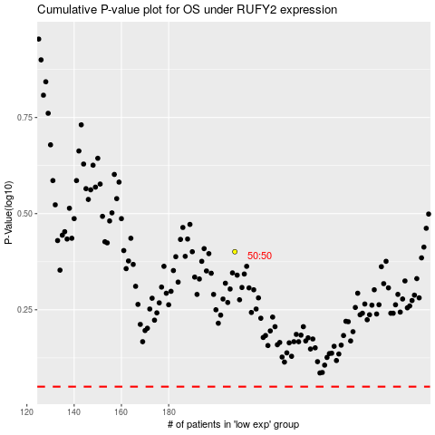

 |  |  |  |  |  | cases_OS | p_OS | rank | exp
 |  |  |  |  |  |  | cases_RFS | p_RFS | rank | exp

