RUNDC2A _multivariate
Reported by Tex Li-Hsing Chi. tex@gate.sinica.edu.tw 2019-08-16

Table 2. The clinicopathological features of HNSCC cohort and RUNDC2A expression. (Chi square test)
Cutoff at -0.114 (50.0%)
 |  | RUNDC2A expression |  | RUNDC2A expression |  | (Optimised)
 | Features | Low | (%) | High | (%) | Case no | P-value | Remark | Matthews
Gender | Female | 150 | 36.1 | 156 | 37.6 | 415 | 0.6344 | 0 | 0
2 | Male | 57 | 13.7 | 52 | 12.5
Age at diagnosis | <=65y | 140 | 33.7 | 134 | 32.3 | 415 | 0.5574 | 0 | 0
4 | >65y | 67 | 16.1 | 74 | 17.8
Clinical T Status | T1+T2 | 79 | 19 | 70 | 16.9 | 415 | 0.3924 | 0 | 0
6 | T3+T4 | 128 | 30.8 | 138 | 33.3
Clinical N Status | N0 | 112 | 27 | 104 | 25.1 | 415 | 0.4599 | 0 | 0
8 | N1-3 | 95 | 22.9 | 104 | 25.1
Clinical M Status | M0 | 204 | 49.2 | 208 | 50.1 | 415 | 0.1232 | 0 | 0
10 | M1 | 3 | 0.7 | 0 | 0
Clinical Stage | Stage I+II | 55 | 13.3 | 47 | 11.3 | 415 | 0.4087 | 0 | 0
12 | Stage III+IV | 152 | 36.6 | 161 | 38.8
Surgical Margin status | Negative | 149 | 35.9 | 169 | 40.7 | 415 | 0.0278 | 1 | 0
14 | Positive | 58 | 14 | 39 | 9.4
Tobacco Exposure | Low | 85 | 20.5 | 76 | 18.3 | 415 | 0.3655 | 0 | 0
16 | High | 122 | 29.4 | 132 | 31.8

Table 3. Univariate/Multivariate Cox's proportional hazards regression analyses on OS time of RUNDC2A gene expression in HNSCC

 |  | Univariate |  |  |  | Multivariate
 | Features | HR | CI95%(L) | CI95%(H) | P-value | HR | CI95%(L) | CI95%(H) | P-value
1 | Female | 1 |  |  |  | 1
Gender | Male | 1.157 | 0.843 | 1.587 | 0.367 | 1.193 | 0.854 | 1.669 | 0.301
11 | <=65y | 1 |  |  |  | 1
Age at diagnosis | >65y | 1.329 | 0.99 | 1.784 | 0.058 | 1.399 | 1.029 | 1.901 | 0.032
12 | T1+T2 | 1 |  |  |  | 1
Clinical T Status | T3+T4 | 1.409 | 1.028 | 1.931 | 0.033 | 2.194 | 1.16 | 4.15 | 0.016
13 | N0 | 1 |  |  |  | 1
Clinical N Status | N1-3 | 1.185 | 0.89 | 1.577 | 0.246 | 1.243 | 0.871 | 1.775 | 0.23
14 | M0 | 1 |  |  |  | 1
Clinical M Status | M1 | 4.097 | 1.009 | 16.644 | 0.049 | 8.624 | 1.866 | 39.855 | 0.006
15 | Stage I+II | 1 |  |  |  | 1
Clinical Stage | Stage III+IV | 1.245 | 0.882 | 1.759 | 0.213 | 0.51 | 0.237 | 1.094 | 0.084
16 | Negative | 1 |  |  |  | 1
Surgical Margin status | Positive | 1.591 | 1.155 | 2.191 | 0.004 | 1.637 | 1.182 | 2.267 | 0.003
17 | Low | 1 |  |  |  | 1
Tobacco Exposure | High | 1.364 | 1.008 | 1.844 | 0.044 | 1.448 | 1.051 | 1.995 | 0.024
18 | Low | 1 |  |  |  | 1
RNAseq(z-score) | High | 0.803 | 0.602 | 1.07 | 0.135 | 0.854 | 0.637 | 1.144 | 0.29

Table 4. Univariate/Multivariate Cox's proportional hazards regression analyses on RFS time of RUNDC2A gene expression in HNSCC

 |  | Univariate |  |  |  | Multivariate
 | Features | HR | CI95%(L) | CI95%(H) | P-value | HR | CI95%(L) | CI95%(H) | P-value
1 | Female | 1 |  |  |  | 1
Gender | Male | 1.157 | 0.843 | 1.587 | 0.367 | 1.193 | 0.854 | 1.669 | 0.301
11 | <=65y | 1 |  |  |  | 1
Age at diagnosis | >65y | 1.329 | 0.99 | 1.784 | 0.058 | 1.399 | 1.029 | 1.901 | 0.032
12 | T1+T2 | 1 |  |  |  | 1
Clinical T Status | T3+T4 | 1.409 | 1.028 | 1.931 | 0.033 | 2.194 | 1.16 | 4.15 | 0.016
13 | N0 | 1 |  |  |  | 1
Clinical N Status | N1-3 | 1.185 | 0.89 | 1.577 | 0.246 | 1.243 | 0.871 | 1.775 | 0.23
14 | M0 | 1 |  |  |  | 1
Clinical M Status | M1 | 4.097 | 1.009 | 16.644 | 0.049 | 8.624 | 1.866 | 39.855 | 0.006
15 | Stage I+II | 1 |  |  |  | 1
Clinical Stage | Stage III+IV | 1.245 | 0.882 | 1.759 | 0.213 | 0.51 | 0.237 | 1.094 | 0.084
16 | Negative | 1 |  |  |  | 1
Surgical Margin status | Positive | 1.591 | 1.155 | 2.191 | 0.004 | 1.637 | 1.182 | 2.267 | 0.003
17 | Low | 1 |  |  |  | 1
Tobacco Exposure | High | 1.364 | 1.008 | 1.844 | 0.044 | 1.448 | 1.051 | 1.995 | 0.024
18 | Low | 1 |  |  |  | 1
RNAseq(z-score) | High | 0.803 | 0.602 | 1.07 | 0.135 | 0.854 | 0.637 | 1.144 | 0.29

Kaplan-Meier survival estimate: Cutoff at -0.114 (50.0%)



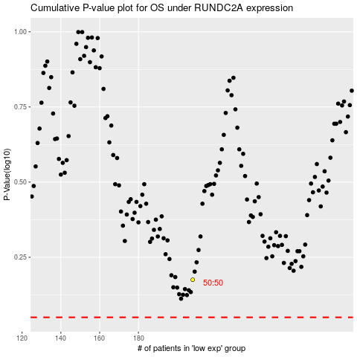

 |  |  |  |  |  | cases_OS | p_OS | rank | exp
 |  |  |  |  |  |  | cases_RFS | p_RFS | rank | exp

