RUNDC3A _multivariate
Reported by Tex Li-Hsing Chi. tex@gate.sinica.edu.tw 2019-08-16

Table 2. The clinicopathological features of HNSCC cohort and RUNDC3A expression. (Chi square test)
Cutoff at -0.426 (39.4%)
 |  | RUNDC3A expression |  | RUNDC3A expression |  | (Optimised)
 | Features | Low | (%) | High | (%) | Case no | P-value | Remark | Matthews
Gender | Female | 123 | 29.6 | 183 | 44.1 | 415 | 0.5974 | 0 | 0
2 | Male | 40 | 9.6 | 69 | 16.6
Age at diagnosis | <=65y | 105 | 25.3 | 169 | 40.7 | 415 | 0.6529 | 0 | 0
4 | >65y | 58 | 14 | 83 | 20
Clinical T Status | T1+T2 | 65 | 15.7 | 84 | 20.2 | 415 | 0.2104 | 0 | 0
6 | T3+T4 | 98 | 23.6 | 168 | 40.5
Clinical N Status | N0 | 80 | 19.3 | 136 | 32.8 | 415 | 0.3827 | 0 | 0
8 | N1-3 | 83 | 20 | 116 | 28
Clinical M Status | M0 | 163 | 39.3 | 249 | 60 | 415 | 0.2828 | 0 | 0
10 | M1 | 0 | 0 | 3 | 0.7
Clinical Stage | Stage I+II | 38 | 9.2 | 64 | 15.4 | 415 | 0.7153 | 0 | 0
12 | Stage III+IV | 125 | 30.1 | 188 | 45.3
Surgical Margin status | Negative | 123 | 29.6 | 195 | 47 | 415 | 0.7218 | 0 | 0
14 | Positive | 40 | 9.6 | 57 | 13.7
Tobacco Exposure | Low | 55 | 13.3 | 106 | 25.5 | 415 | 0.0992 | 0 | 0
16 | High | 108 | 26 | 146 | 35.2

Table 3. Univariate/Multivariate Cox's proportional hazards regression analyses on OS time of RUNDC3A gene expression in HNSCC

 |  | Univariate |  |  |  | Multivariate
 | Features | HR | CI95%(L) | CI95%(H) | P-value | HR | CI95%(L) | CI95%(H) | P-value
1 | Female | 1 |  |  |  | 1
Gender | Male | 1.157 | 0.843 | 1.587 | 0.367 | 1.204 | 0.863 | 1.679 | 0.275
11 | <=65y | 1 |  |  |  | 1
Age at diagnosis | >65y | 1.329 | 0.99 | 1.784 | 0.058 | 1.393 | 1.025 | 1.894 | 0.034
12 | T1+T2 | 1 |  |  |  | 1
Clinical T Status | T3+T4 | 1.409 | 1.028 | 1.931 | 0.033 | 2.438 | 1.282 | 4.638 | 0.007
13 | N0 | 1 |  |  |  | 1
Clinical N Status | N1-3 | 1.185 | 0.89 | 1.577 | 0.246 | 1.258 | 0.88 | 1.799 | 0.208
14 | M0 | 1 |  |  |  | 1
Clinical M Status | M1 | 4.097 | 1.009 | 16.644 | 0.049 | 11.858 | 2.547 | 55.207 | 0.002
15 | Stage I+II | 1 |  |  |  | 1
Clinical Stage | Stage III+IV | 1.245 | 0.882 | 1.759 | 0.213 | 0.438 | 0.202 | 0.95 | 0.037
16 | Negative | 1 |  |  |  | 1
Surgical Margin status | Positive | 1.591 | 1.155 | 2.191 | 0.004 | 1.67 | 1.208 | 2.309 | 0.002
17 | Low | 1 |  |  |  | 1
Tobacco Exposure | High | 1.364 | 1.008 | 1.844 | 0.044 | 1.392 | 1.01 | 1.919 | 0.044
18 | Low | 1 |  |  |  | 1
RNAseq(z-score) | High | 0.744 | 0.557 | 0.994 | 0.046 | 0.717 | 0.532 | 0.966 | 0.029

Table 4. Univariate/Multivariate Cox's proportional hazards regression analyses on RFS time of RUNDC3A gene expression in HNSCC

 |  | Univariate |  |  |  | Multivariate
 | Features | HR | CI95%(L) | CI95%(H) | P-value | HR | CI95%(L) | CI95%(H) | P-value
1 | Female | 1 |  |  |  | 1
Gender | Male | 1.157 | 0.843 | 1.587 | 0.367 | 1.204 | 0.863 | 1.679 | 0.275
11 | <=65y | 1 |  |  |  | 1
Age at diagnosis | >65y | 1.329 | 0.99 | 1.784 | 0.058 | 1.393 | 1.025 | 1.894 | 0.034
12 | T1+T2 | 1 |  |  |  | 1
Clinical T Status | T3+T4 | 1.409 | 1.028 | 1.931 | 0.033 | 2.438 | 1.282 | 4.638 | 0.007
13 | N0 | 1 |  |  |  | 1
Clinical N Status | N1-3 | 1.185 | 0.89 | 1.577 | 0.246 | 1.258 | 0.88 | 1.799 | 0.208
14 | M0 | 1 |  |  |  | 1
Clinical M Status | M1 | 4.097 | 1.009 | 16.644 | 0.049 | 11.858 | 2.547 | 55.207 | 0.002
15 | Stage I+II | 1 |  |  |  | 1
Clinical Stage | Stage III+IV | 1.245 | 0.882 | 1.759 | 0.213 | 0.438 | 0.202 | 0.95 | 0.037
16 | Negative | 1 |  |  |  | 1
Surgical Margin status | Positive | 1.591 | 1.155 | 2.191 | 0.004 | 1.67 | 1.208 | 2.309 | 0.002
17 | Low | 1 |  |  |  | 1
Tobacco Exposure | High | 1.364 | 1.008 | 1.844 | 0.044 | 1.392 | 1.01 | 1.919 | 0.044
18 | Low | 1 |  |  |  | 1
RNAseq(z-score) | High | 0.744 | 0.557 | 0.994 | 0.046 | 0.717 | 0.532 | 0.966 | 0.029

Kaplan-Meier survival estimate: Cutoff at -0.426 (39.4%)



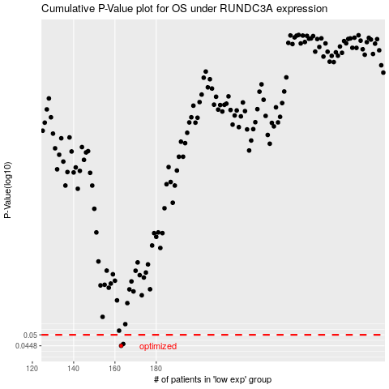

 |  |  |  |  |  | cases_OS | p_OS | rank | exp
 |  |  |  |  |  | 163 | 0.0448 | 291 | -0.4259081293
 |  |  |  |  |  | 164 | 0.0456 | 83 | -0.4231570327
 |  |  |  |  |  |  | cases_RFS | p_RFS | rank | exp
 |  |  |  |  |  |  | 162 | 0.0448 | 244 | -0.42614426871
 |  |  |  |  |  |  | 163 | 0.0456 | 291 | -0.4259081293

