RUSC2 _multivariate
Reported by Tex Li-Hsing Chi. tex@gate.sinica.edu.tw 2019-08-16

Table 2. The clinicopathological features of HNSCC cohort and RUSC2 expression. (Chi square test)
Cutoff at -0.243 (50.0%)
 |  | RUSC2 expression |  | RUSC2 expression |  | (Optimised)
 | Features | Low | (%) | High | (%) | Case no | P-value | Remark | Matthews
Gender | Female | 155 | 37.3 | 151 | 36.4 | 415 | 0.6768 | 0 | 0
2 | Male | 52 | 12.5 | 57 | 13.7
Age at diagnosis | <=65y | 134 | 32.3 | 140 | 33.7 | 415 | 0.6529 | 0 | 0
4 | >65y | 73 | 17.6 | 68 | 16.4
Clinical T Status | T1+T2 | 67 | 16.1 | 82 | 19.8 | 415 | 0.1628 | 0 | 0
6 | T3+T4 | 140 | 33.7 | 126 | 30.4
Clinical N Status | N0 | 108 | 26 | 108 | 26 | 415 | 1 | 0 | 0
8 | N1-3 | 99 | 23.9 | 100 | 24.1
Clinical M Status | M0 | 204 | 49.2 | 208 | 50.1 | 415 | 0.1232 | 0 | 0
10 | M1 | 3 | 0.7 | 0 | 0
Clinical Stage | Stage I+II | 44 | 10.6 | 58 | 14 | 415 | 0.1459 | 0 | 0
12 | Stage III+IV | 163 | 39.3 | 150 | 36.1
Surgical Margin status | Negative | 155 | 37.3 | 163 | 39.3 | 415 | 0.4187 | 0 | 0
14 | Positive | 52 | 12.5 | 45 | 10.8
Tobacco Exposure | Low | 79 | 19 | 82 | 19.8 | 415 | 0.8405 | 0 | 0
16 | High | 128 | 30.8 | 126 | 30.4

Table 3. Univariate/Multivariate Cox's proportional hazards regression analyses on OS time of RUSC2 gene expression in HNSCC

 |  | Univariate |  |  |  | Multivariate
 | Features | HR | CI95%(L) | CI95%(H) | P-value | HR | CI95%(L) | CI95%(H) | P-value
1 | Female | 1 |  |  |  | 1
Gender | Male | 1.157 | 0.843 | 1.587 | 0.367 | 1.21 | 0.866 | 1.69 | 0.264
11 | <=65y | 1 |  |  |  | 1
Age at diagnosis | >65y | 1.329 | 0.99 | 1.784 | 0.058 | 1.392 | 1.024 | 1.893 | 0.035
12 | T1+T2 | 1 |  |  |  | 1
Clinical T Status | T3+T4 | 1.409 | 1.028 | 1.931 | 0.033 | 2.198 | 1.162 | 4.158 | 0.015
13 | N0 | 1 |  |  |  | 1
Clinical N Status | N1-3 | 1.185 | 0.89 | 1.577 | 0.246 | 1.236 | 0.866 | 1.764 | 0.244
14 | M0 | 1 |  |  |  | 1
Clinical M Status | M1 | 4.097 | 1.009 | 16.644 | 0.049 | 10.264 | 2.22 | 47.44 | 0.003
15 | Stage I+II | 1 |  |  |  | 1
Clinical Stage | Stage III+IV | 1.245 | 0.882 | 1.759 | 0.213 | 0.508 | 0.237 | 1.091 | 0.082
16 | Negative | 1 |  |  |  | 1
Surgical Margin status | Positive | 1.591 | 1.155 | 2.191 | 0.004 | 1.681 | 1.217 | 2.323 | 0.002
17 | Low | 1 |  |  |  | 1
Tobacco Exposure | High | 1.364 | 1.008 | 1.844 | 0.044 | 1.464 | 1.062 | 2.017 | 0.02
18 | Low | 1 |  |  |  | 1
RNAseq(z-score) | High | 1.121 | 0.841 | 1.494 | 0.436 | 1.177 | 0.881 | 1.572 | 0.271

Table 4. Univariate/Multivariate Cox's proportional hazards regression analyses on RFS time of RUSC2 gene expression in HNSCC

 |  | Univariate |  |  |  | Multivariate
 | Features | HR | CI95%(L) | CI95%(H) | P-value | HR | CI95%(L) | CI95%(H) | P-value
1 | Female | 1 |  |  |  | 1
Gender | Male | 1.157 | 0.843 | 1.587 | 0.367 | 1.21 | 0.866 | 1.69 | 0.264
11 | <=65y | 1 |  |  |  | 1
Age at diagnosis | >65y | 1.329 | 0.99 | 1.784 | 0.058 | 1.392 | 1.024 | 1.893 | 0.035
12 | T1+T2 | 1 |  |  |  | 1
Clinical T Status | T3+T4 | 1.409 | 1.028 | 1.931 | 0.033 | 2.198 | 1.162 | 4.158 | 0.015
13 | N0 | 1 |  |  |  | 1
Clinical N Status | N1-3 | 1.185 | 0.89 | 1.577 | 0.246 | 1.236 | 0.866 | 1.764 | 0.244
14 | M0 | 1 |  |  |  | 1
Clinical M Status | M1 | 4.097 | 1.009 | 16.644 | 0.049 | 10.264 | 2.22 | 47.44 | 0.003
15 | Stage I+II | 1 |  |  |  | 1
Clinical Stage | Stage III+IV | 1.245 | 0.882 | 1.759 | 0.213 | 0.508 | 0.237 | 1.091 | 0.082
16 | Negative | 1 |  |  |  | 1
Surgical Margin status | Positive | 1.591 | 1.155 | 2.191 | 0.004 | 1.681 | 1.217 | 2.323 | 0.002
17 | Low | 1 |  |  |  | 1
Tobacco Exposure | High | 1.364 | 1.008 | 1.844 | 0.044 | 1.464 | 1.062 | 2.017 | 0.02
18 | Low | 1 |  |  |  | 1
RNAseq(z-score) | High | 1.121 | 0.841 | 1.494 | 0.436 | 1.177 | 0.881 | 1.572 | 0.271

Kaplan-Meier survival estimate: Cutoff at -0.243 (50.0%)



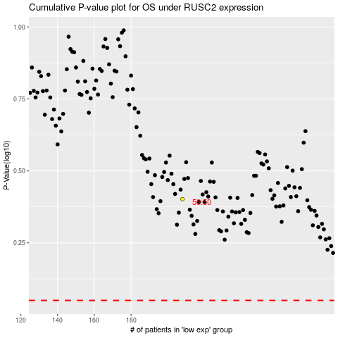

 |  |  |  |  |  | cases_OS | p_OS | rank | exp
 |  |  |  |  |  |  | cases_RFS | p_RFS | rank | exp

