RUVBL2 _multivariate
Reported by Tex Li-Hsing Chi. tex@gate.sinica.edu.tw 2019-08-16

Table 2. The clinicopathological features of HNSCC cohort and RUVBL2 expression. (Chi square test)
Cutoff at -0.485 (31.2%)
 |  | RUVBL2 expression |  | RUVBL2 expression |  | (Optimised)
 | Features | Low | (%) | High | (%) | Case no | P-value | Remark | Matthews
Gender | Female | 93 | 22.4 | 213 | 51.3 | 415 | 0.5711 | 0 | 0
2 | Male | 37 | 8.9 | 72 | 17.3
Age at diagnosis | <=65y | 91 | 21.9 | 183 | 44.1 | 415 | 0.2968 | 0 | 0
4 | >65y | 39 | 9.4 | 102 | 24.6
Clinical T Status | T1+T2 | 53 | 12.8 | 96 | 23.1 | 415 | 0.1987 | 0 | 0
6 | T3+T4 | 77 | 18.6 | 189 | 45.5
Clinical N Status | N0 | 72 | 17.3 | 144 | 34.7 | 415 | 0.4163 | 0 | 0
8 | N1-3 | 58 | 14 | 141 | 34
Clinical M Status | M0 | 130 | 31.3 | 282 | 68 | 415 | 0.5551 | 0 | 0
10 | M1 | 0 | 0 | 3 | 0.7
Clinical Stage | Stage I+II | 37 | 8.9 | 65 | 15.7 | 415 | 0.2636 | 0 | 0
12 | Stage III+IV | 93 | 22.4 | 220 | 53
Surgical Margin status | Negative | 103 | 24.8 | 215 | 51.8 | 415 | 0.4537 | 0 | 0
14 | Positive | 27 | 6.5 | 70 | 16.9
Tobacco Exposure | Low | 57 | 13.7 | 104 | 25.1 | 415 | 0.1596 | 0 | 0
16 | High | 73 | 17.6 | 181 | 43.6

Table 3. Univariate/Multivariate Cox's proportional hazards regression analyses on OS time of RUVBL2 gene expression in HNSCC

 |  | Univariate |  |  |  | Multivariate
 | Features | HR | CI95%(L) | CI95%(H) | P-value | HR | CI95%(L) | CI95%(H) | P-value
1 | Female | 1 |  |  |  | 1
Gender | Male | 1.157 | 0.843 | 1.587 | 0.367 | 1.189 | 0.849 | 1.666 | 0.314
11 | <=65y | 1 |  |  |  | 1
Age at diagnosis | >65y | 1.329 | 0.99 | 1.784 | 0.058 | 1.373 | 1.009 | 1.868 | 0.044
12 | T1+T2 | 1 |  |  |  | 1
Clinical T Status | T3+T4 | 1.409 | 1.028 | 1.931 | 0.033 | 2.152 | 1.138 | 4.07 | 0.018
13 | N0 | 1 |  |  |  | 1
Clinical N Status | N1-3 | 1.185 | 0.89 | 1.577 | 0.246 | 1.205 | 0.843 | 1.722 | 0.306
14 | M0 | 1 |  |  |  | 1
Clinical M Status | M1 | 4.097 | 1.009 | 16.644 | 0.049 | 8.445 | 1.836 | 38.846 | 0.006
15 | Stage I+II | 1 |  |  |  | 1
Clinical Stage | Stage III+IV | 1.245 | 0.882 | 1.759 | 0.213 | 0.521 | 0.243 | 1.118 | 0.094
16 | Negative | 1 |  |  |  | 1
Surgical Margin status | Positive | 1.591 | 1.155 | 2.191 | 0.004 | 1.652 | 1.195 | 2.283 | 0.002
17 | Low | 1 |  |  |  | 1
Tobacco Exposure | High | 1.364 | 1.008 | 1.844 | 0.044 | 1.412 | 1.022 | 1.951 | 0.037
18 | Low | 1 |  |  |  | 1
RNAseq(z-score) | High | 1.525 | 1.102 | 2.11 | 0.011 | 1.383 | 0.996 | 1.92 | 0.053

Table 4. Univariate/Multivariate Cox's proportional hazards regression analyses on RFS time of RUVBL2 gene expression in HNSCC

 |  | Univariate |  |  |  | Multivariate
 | Features | HR | CI95%(L) | CI95%(H) | P-value | HR | CI95%(L) | CI95%(H) | P-value
1 | Female | 1 |  |  |  | 1
Gender | Male | 1.157 | 0.843 | 1.587 | 0.367 | 1.189 | 0.849 | 1.666 | 0.314
11 | <=65y | 1 |  |  |  | 1
Age at diagnosis | >65y | 1.329 | 0.99 | 1.784 | 0.058 | 1.373 | 1.009 | 1.868 | 0.044
12 | T1+T2 | 1 |  |  |  | 1
Clinical T Status | T3+T4 | 1.409 | 1.028 | 1.931 | 0.033 | 2.152 | 1.138 | 4.07 | 0.018
13 | N0 | 1 |  |  |  | 1
Clinical N Status | N1-3 | 1.185 | 0.89 | 1.577 | 0.246 | 1.205 | 0.843 | 1.722 | 0.306
14 | M0 | 1 |  |  |  | 1
Clinical M Status | M1 | 4.097 | 1.009 | 16.644 | 0.049 | 8.445 | 1.836 | 38.846 | 0.006
15 | Stage I+II | 1 |  |  |  | 1
Clinical Stage | Stage III+IV | 1.245 | 0.882 | 1.759 | 0.213 | 0.521 | 0.243 | 1.118 | 0.094
16 | Negative | 1 |  |  |  | 1
Surgical Margin status | Positive | 1.591 | 1.155 | 2.191 | 0.004 | 1.652 | 1.195 | 2.283 | 0.002
17 | Low | 1 |  |  |  | 1
Tobacco Exposure | High | 1.364 | 1.008 | 1.844 | 0.044 | 1.412 | 1.022 | 1.951 | 0.037
18 | Low | 1 |  |  |  | 1
RNAseq(z-score) | High | 1.525 | 1.102 | 2.11 | 0.011 | 1.383 | 0.996 | 1.92 | 0.053

Kaplan-Meier survival estimate: Cutoff at -0.485 (31.2%)

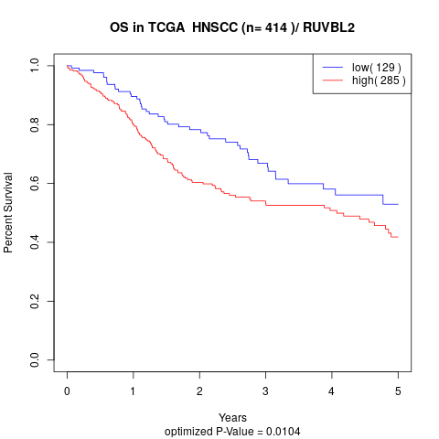

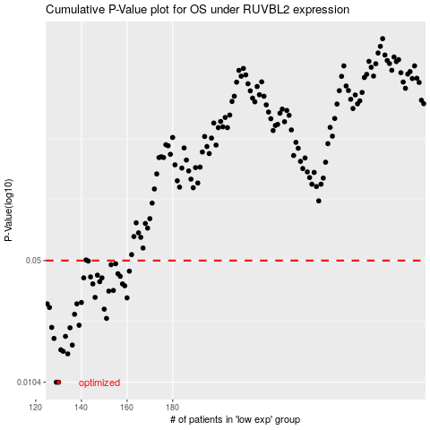

 |  |  |  |  |  | cases_OS | p_OS | rank | exp
 |  |  |  |  |  | 130 | 0.0104 | 241 | -0.48547491369
 |  |  |  |  |  | 129 | 0.0104 | 277 | -0.48700523036
 |  |  |  |  |  | 134 | 0.015 | 97 | -0.47783937381
 |  |  |  |  |  | 132 | 0.0155 | 244 | -0.48108670329
 |  |  |  |  |  | 131 | 0.0158 | 13 | -0.48296737769
 |  |  |  |  |  | 136 | 0.0168 | 274 | -0.46509931272
 |  |  |  |  |  | 128 | 0.0183 | 175 | -0.49440567473
 |  |  |  |  |  | 133 | 0.0188 | 328 | -0.4808456923
 |  |  |  |  |  | 135 | 0.021 | 365 | -0.46908661493
 |  |  |  |  |  | 127 | 0.0211 | 294 | -0.49698894679
 |  |  |  |  |  | 139 | 0.0217 | 385 | -0.45875415408
 |  |  |  |  |  | 151 | 0.0237 | 210 | -0.42184317402
 |  |  |  |  |  | 137 | 0.025 | 226 | -0.46155396855
 |  |  |  |  |  | 150 | 0.0267 | 386 | -0.42400931514
 |  |  |  |  |  | 126 | 0.0273 | 166 | -0.50591531604
 |  |  |  |  |  | 125 | 0.0286 | 27 | -0.5075733533
 |  |  |  |  |  | 138 | 0.0286 | 122 | -0.45875720145
 |  |  |  |  |  | 140 | 0.0291 | 355 | -0.45719578369
 |  |  |  |  |  | 160 | 0.0309 | 115 | -0.37967297399
 |  |  |  |  |  | 146 | 0.0311 | 23 | -0.4440107172
 |  |  |  |  |  | 152 | 0.0337 | 124 | -0.41654021535
 |  |  |  |  |  | 154 | 0.034 | 155 | -0.40976466075
 |  |  |  |  |  | 159 | 0.0361 | 303 | -0.3868000515
 |  |  |  |  |  | 145 | 0.037 | 136 | -0.4454851057
 |  |  |  |  |  | 158 | 0.037 | 173 | -0.38875251832
 |  |  |  |  |  | 148 | 0.0381 | 280 | -0.4353457046
 |  |  |  |  |  | 141 | 0.04 | 206 | -0.4544726912
 |  |  |  |  |  | 149 | 0.04 | 232 | -0.42485495985
 |  |  |  |  |  | 144 | 0.0405 | 348 | -0.44755946725
 |  |  |  |  |  | 157 | 0.0408 | 252 | -0.40158041532
 |  |  |  |  |  | 147 | 0.0414 | 393 | -0.44099086481
 |  |  |  |  |  | 156 | 0.0422 | 391 | -0.40392249714
 |  |  |  |  |  | 161 | 0.0436 | 375 | -0.37716848537
 |  |  |  |  |  | 153 | 0.0474 | 57 | -0.41059435159
 |  |  |  |  |  | 155 | 0.048 | 9 | -0.40474734804
 |  |  |  |  |  | 143 | 0.0497 | 126 | -0.45258861092
 |  |  |  |  |  |  | cases_RFS | p_RFS | rank | exp
 |  |  |  |  |  |  | 128 | 0.0104 | 175 | -0.49440567473
 |  |  |  |  |  |  | 129 | 0.0104 | 277 | -0.48700523036
 |  |  |  |  |  |  | 133 | 0.015 | 328 | -0.4808456923
 |  |  |  |  |  |  | 131 | 0.0155 | 13 | -0.48296737769
 |  |  |  |  |  |  | 130 | 0.0158 | 241 | -0.48547491369
 |  |  |  |  |  |  | 135 | 0.0168 | 365 | -0.46908661493
 |  |  |  |  |  |  | 127 | 0.0183 | 294 | -0.49698894679
 |  |  |  |  |  |  | 132 | 0.0188 | 244 | -0.48108670329
 |  |  |  |  |  |  | 134 | 0.021 | 97 | -0.47783937381
 |  |  |  |  |  |  | 126 | 0.0211 | 166 | -0.50591531604
 |  |  |  |  |  |  | 138 | 0.0217 | 122 | -0.45875720145
 |  |  |  |  |  |  | 150 | 0.0237 | 386 | -0.42400931514
 |  |  |  |  |  |  | 136 | 0.025 | 274 | -0.46509931272
 |  |  |  |  |  |  | 149 | 0.0267 | 232 | -0.42485495985
 |  |  |  |  |  |  | 125 | 0.0273 | 27 | -0.5075733533
 |  |  |  |  |  |  | 137 | 0.0286 | 226 | -0.46155396855
 |  |  |  |  |  |  |  | 0.0286 | 383 | -0.51086442147
 |  |  |  |  |  |  | 139 | 0.0291 | 385 | -0.45875415408
 |  |  |  |  |  |  | 159 | 0.0309 | 303 | -0.3868000515
 |  |  |  |  |  |  | 145 | 0.0311 | 136 | -0.4454851057
 |  |  |  |  |  |  | 151 | 0.0337 | 210 | -0.42184317402
 |  |  |  |  |  |  | 153 | 0.034 | 57 | -0.41059435159
 |  |  |  |  |  |  | 158 | 0.0361 | 173 | -0.38875251832
 |  |  |  |  |  |  | 157 | 0.037 | 252 | -0.40158041532
 |  |  |  |  |  |  | 144 | 0.037 | 348 | -0.44755946725
 |  |  |  |  |  |  | 147 | 0.0381 | 393 | -0.44099086481
 |  |  |  |  |  |  | 148 | 0.04 | 280 | -0.4353457046
 |  |  |  |  |  |  | 140 | 0.04 | 355 | -0.45719578369
 |  |  |  |  |  |  | 143 | 0.0405 | 126 | -0.45258861092
 |  |  |  |  |  |  | 156 | 0.0408 | 391 | -0.40392249714
 |  |  |  |  |  |  | 146 | 0.0414 | 23 | -0.4440107172
 |  |  |  |  |  |  | 155 | 0.0422 | 9 | -0.40474734804
 |  |  |  |  |  |  | 160 | 0.0436 | 115 | -0.37967297399
 |  |  |  |  |  |  | 152 | 0.0474 | 124 | -0.41654021535
 |  |  |  |  |  |  | 154 | 0.048 | 155 | -0.40976466075
 |  |  |  |  |  |  | 142 | 0.0497 | 154 | -0.4533240126

