RWDD3 _multivariate
Reported by Tex Li-Hsing Chi. tex@gate.sinica.edu.tw 2019-08-16

Table 2. The clinicopathological features of HNSCC cohort and RWDD3 expression. (Chi square test)
Cutoff at -0.282 (49.8%)
 |  | RWDD3 expression |  | RWDD3 expression |  | (Optimised)
 | Features | Low | (%) | High | (%) | Case no | P-value | Remark | Matthews
Gender | Female | 149 | 35.9 | 157 | 37.8 | 415 | 0.4848 | 0 | 0
2 | Male | 58 | 14 | 51 | 12.3
Age at diagnosis | <=65y | 136 | 32.8 | 138 | 33.3 | 415 | 0.9719 | 0 | 0
4 | >65y | 71 | 17.1 | 70 | 16.9
Clinical T Status | T1+T2 | 63 | 15.2 | 86 | 20.7 | 415 | 0.0268 | 1 | 0
6 | T3+T4 | 144 | 34.7 | 122 | 29.4
Clinical N Status | N0 | 109 | 26.3 | 107 | 25.8 | 415 | 0.8812 | 0 | 0
8 | N1-3 | 98 | 23.6 | 101 | 24.3
Clinical M Status | M0 | 207 | 49.9 | 205 | 49.4 | 415 | 0.2482 | 0 | 0
10 | M1 | 0 | 0 | 3 | 0.7
Clinical Stage | Stage I+II | 48 | 11.6 | 54 | 13 | 415 | 0.5878 | 0 | 0
12 | Stage III+IV | 159 | 38.3 | 154 | 37.1
Surgical Margin status | Negative | 164 | 39.5 | 154 | 37.1 | 415 | 0.2462 | 0 | 0
14 | Positive | 43 | 10.4 | 54 | 13
Tobacco Exposure | Low | 83 | 20 | 78 | 18.8 | 415 | 0.6152 | 0 | 0
16 | High | 124 | 29.9 | 130 | 31.3

Table 3. Univariate/Multivariate Cox's proportional hazards regression analyses on OS time of RWDD3 gene expression in HNSCC

 |  | Univariate |  |  |  | Multivariate
 | Features | HR | CI95%(L) | CI95%(H) | P-value | HR | CI95%(L) | CI95%(H) | P-value
1 | Female | 1 |  |  |  | 1
Gender | Male | 1.157 | 0.843 | 1.587 | 0.367 | 1.196 | 0.856 | 1.671 | 0.295
11 | <=65y | 1 |  |  |  | 1
Age at diagnosis | >65y | 1.329 | 0.99 | 1.784 | 0.058 | 1.397 | 1.027 | 1.9 | 0.033
12 | T1+T2 | 1 |  |  |  | 1
Clinical T Status | T3+T4 | 1.409 | 1.028 | 1.931 | 0.033 | 2.136 | 1.128 | 4.044 | 0.02
13 | N0 | 1 |  |  |  | 1
Clinical N Status | N1-3 | 1.185 | 0.89 | 1.577 | 0.246 | 1.245 | 0.872 | 1.777 | 0.227
14 | M0 | 1 |  |  |  | 1
Clinical M Status | M1 | 4.097 | 1.009 | 16.644 | 0.049 | 10.158 | 2.204 | 46.813 | 0.003
15 | Stage I+II | 1 |  |  |  | 1
Clinical Stage | Stage III+IV | 1.245 | 0.882 | 1.759 | 0.213 | 0.509 | 0.237 | 1.093 | 0.083
16 | Negative | 1 |  |  |  | 1
Surgical Margin status | Positive | 1.591 | 1.155 | 2.191 | 0.004 | 1.701 | 1.229 | 2.354 | 0.001
17 | Low | 1 |  |  |  | 1
Tobacco Exposure | High | 1.364 | 1.008 | 1.844 | 0.044 | 1.486 | 1.076 | 2.053 | 0.016
18 | Low | 1 |  |  |  | 1
RNAseq(z-score) | High | 0.851 | 0.638 | 1.136 | 0.274 | 0.827 | 0.616 | 1.112 | 0.208

Table 4. Univariate/Multivariate Cox's proportional hazards regression analyses on RFS time of RWDD3 gene expression in HNSCC

 |  | Univariate |  |  |  | Multivariate
 | Features | HR | CI95%(L) | CI95%(H) | P-value | HR | CI95%(L) | CI95%(H) | P-value
1 | Female | 1 |  |  |  | 1
Gender | Male | 1.157 | 0.843 | 1.587 | 0.367 | 1.196 | 0.856 | 1.671 | 0.295
11 | <=65y | 1 |  |  |  | 1
Age at diagnosis | >65y | 1.329 | 0.99 | 1.784 | 0.058 | 1.397 | 1.027 | 1.9 | 0.033
12 | T1+T2 | 1 |  |  |  | 1
Clinical T Status | T3+T4 | 1.409 | 1.028 | 1.931 | 0.033 | 2.136 | 1.128 | 4.044 | 0.02
13 | N0 | 1 |  |  |  | 1
Clinical N Status | N1-3 | 1.185 | 0.89 | 1.577 | 0.246 | 1.245 | 0.872 | 1.777 | 0.227
14 | M0 | 1 |  |  |  | 1
Clinical M Status | M1 | 4.097 | 1.009 | 16.644 | 0.049 | 10.158 | 2.204 | 46.813 | 0.003
15 | Stage I+II | 1 |  |  |  | 1
Clinical Stage | Stage III+IV | 1.245 | 0.882 | 1.759 | 0.213 | 0.509 | 0.237 | 1.093 | 0.083
16 | Negative | 1 |  |  |  | 1
Surgical Margin status | Positive | 1.591 | 1.155 | 2.191 | 0.004 | 1.701 | 1.229 | 2.354 | 0.001
17 | Low | 1 |  |  |  | 1
Tobacco Exposure | High | 1.364 | 1.008 | 1.844 | 0.044 | 1.486 | 1.076 | 2.053 | 0.016
18 | Low | 1 |  |  |  | 1
RNAseq(z-score) | High | 0.851 | 0.638 | 1.136 | 0.274 | 0.827 | 0.616 | 1.112 | 0.208

Kaplan-Meier survival estimate: Cutoff at -0.282 (49.8%)



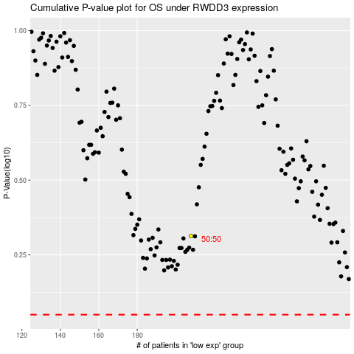

 |  |  |  |  |  | cases_OS | p_OS | rank | exp
 |  |  |  |  |  |  | cases_RFS | p_RFS | rank | exp

