RXRG _multivariate
Reported by Tex Li-Hsing Chi. tex@gate.sinica.edu.tw 2019-08-16

Table 2. The clinicopathological features of HNSCC cohort and RXRG expression. (Chi square test)
Cutoff at -0.215 (50.0%)
 |  | RXRG expression |  | RXRG expression |  | (Optimised)
 | Features | Low | (%) | High | (%) | Case no | P-value | Remark | Matthews
Gender | Female | 155 | 37.3 | 151 | 36.4 | 415 | 0.6768 | 0 | 0
2 | Male | 52 | 12.5 | 57 | 13.7
Age at diagnosis | <=65y | 128 | 30.8 | 146 | 35.2 | 415 | 0.0904 | 0 | 0
4 | >65y | 79 | 19 | 62 | 14.9
Clinical T Status | T1+T2 | 56 | 13.5 | 93 | 22.4 | 415 | 3e-04 | 1 | 0
6 | T3+T4 | 151 | 36.4 | 115 | 27.7
Clinical N Status | N0 | 107 | 25.8 | 109 | 26.3 | 415 | 0.9624 | 0 | 0
8 | N1-3 | 100 | 24.1 | 99 | 23.9
Clinical M Status | M0 | 207 | 49.9 | 205 | 49.4 | 415 | 0.2482 | 0 | 0
10 | M1 | 0 | 0 | 3 | 0.7
Clinical Stage | Stage I+II | 37 | 8.9 | 65 | 15.7 | 415 | 0.0023 | 1 | 0
12 | Stage III+IV | 170 | 41 | 143 | 34.5
Surgical Margin status | Negative | 159 | 38.3 | 159 | 38.3 | 415 | 1 | 0 | 0
14 | Positive | 48 | 11.6 | 49 | 11.8
Tobacco Exposure | Low | 83 | 20 | 78 | 18.8 | 415 | 0.6152 | 0 | 0
16 | High | 124 | 29.9 | 130 | 31.3

Table 3. Univariate/Multivariate Cox's proportional hazards regression analyses on OS time of RXRG gene expression in HNSCC

 |  | Univariate |  |  |  | Multivariate
 | Features | HR | CI95%(L) | CI95%(H) | P-value | HR | CI95%(L) | CI95%(H) | P-value
1 | Female | 1 |  |  |  | 1
Gender | Male | 1.157 | 0.843 | 1.587 | 0.367 | 1.2 | 0.859 | 1.677 | 0.285
11 | <=65y | 1 |  |  |  | 1
Age at diagnosis | >65y | 1.329 | 0.99 | 1.784 | 0.058 | 1.391 | 1.023 | 1.891 | 0.035
12 | T1+T2 | 1 |  |  |  | 1
Clinical T Status | T3+T4 | 1.409 | 1.028 | 1.931 | 0.033 | 2.196 | 1.161 | 4.154 | 0.016
13 | N0 | 1 |  |  |  | 1
Clinical N Status | N1-3 | 1.185 | 0.89 | 1.577 | 0.246 | 1.247 | 0.873 | 1.783 | 0.225
14 | M0 | 1 |  |  |  | 1
Clinical M Status | M1 | 4.097 | 1.009 | 16.644 | 0.049 | 9.605 | 2.082 | 44.311 | 0.004
15 | Stage I+II | 1 |  |  |  | 1
Clinical Stage | Stage III+IV | 1.245 | 0.882 | 1.759 | 0.213 | 0.499 | 0.232 | 1.075 | 0.076
16 | Negative | 1 |  |  |  | 1
Surgical Margin status | Positive | 1.591 | 1.155 | 2.191 | 0.004 | 1.673 | 1.21 | 2.311 | 0.002
17 | Low | 1 |  |  |  | 1
Tobacco Exposure | High | 1.364 | 1.008 | 1.844 | 0.044 | 1.456 | 1.056 | 2.007 | 0.022
18 | Low | 1 |  |  |  | 1
RNAseq(z-score) | High | 0.942 | 0.707 | 1.254 | 0.682 | 0.956 | 0.712 | 1.284 | 0.764

Table 4. Univariate/Multivariate Cox's proportional hazards regression analyses on RFS time of RXRG gene expression in HNSCC

 |  | Univariate |  |  |  | Multivariate
 | Features | HR | CI95%(L) | CI95%(H) | P-value | HR | CI95%(L) | CI95%(H) | P-value
1 | Female | 1 |  |  |  | 1
Gender | Male | 1.157 | 0.843 | 1.587 | 0.367 | 1.2 | 0.859 | 1.677 | 0.285
11 | <=65y | 1 |  |  |  | 1
Age at diagnosis | >65y | 1.329 | 0.99 | 1.784 | 0.058 | 1.391 | 1.023 | 1.891 | 0.035
12 | T1+T2 | 1 |  |  |  | 1
Clinical T Status | T3+T4 | 1.409 | 1.028 | 1.931 | 0.033 | 2.196 | 1.161 | 4.154 | 0.016
13 | N0 | 1 |  |  |  | 1
Clinical N Status | N1-3 | 1.185 | 0.89 | 1.577 | 0.246 | 1.247 | 0.873 | 1.783 | 0.225
14 | M0 | 1 |  |  |  | 1
Clinical M Status | M1 | 4.097 | 1.009 | 16.644 | 0.049 | 9.605 | 2.082 | 44.311 | 0.004
15 | Stage I+II | 1 |  |  |  | 1
Clinical Stage | Stage III+IV | 1.245 | 0.882 | 1.759 | 0.213 | 0.499 | 0.232 | 1.075 | 0.076
16 | Negative | 1 |  |  |  | 1
Surgical Margin status | Positive | 1.591 | 1.155 | 2.191 | 0.004 | 1.673 | 1.21 | 2.311 | 0.002
17 | Low | 1 |  |  |  | 1
Tobacco Exposure | High | 1.364 | 1.008 | 1.844 | 0.044 | 1.456 | 1.056 | 2.007 | 0.022
18 | Low | 1 |  |  |  | 1
RNAseq(z-score) | High | 0.942 | 0.707 | 1.254 | 0.682 | 0.956 | 0.712 | 1.284 | 0.764

Kaplan-Meier survival estimate: Cutoff at -0.215 (50.0%)



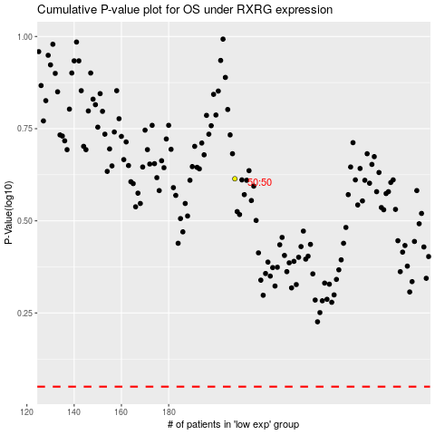

 |  |  |  |  |  | cases_OS | p_OS | rank | exp
 |  |  |  |  |  |  | cases_RFS | p_RFS | rank | exp

