RYBP _multivariate
Reported by Tex Li-Hsing Chi. tex@gate.sinica.edu.tw 2019-08-16

Table 2. The clinicopathological features of HNSCC cohort and RYBP expression. (Chi square test)
Cutoff at -0.184 (49.8%)
 |  | RYBP expression |  | RYBP expression |  | (Optimised)
 | Features | Low | (%) | High | (%) | Case no | P-value | Remark | Matthews
Gender | Female | 161 | 38.8 | 145 | 34.9 | 415 | 0.0792 | 0 | 0
2 | Male | 46 | 11.1 | 63 | 15.2
Age at diagnosis | <=65y | 144 | 34.7 | 130 | 31.3 | 415 | 0.1568 | 0 | 0
4 | >65y | 63 | 15.2 | 78 | 18.8
Clinical T Status | T1+T2 | 81 | 19.5 | 68 | 16.4 | 415 | 0.206 | 0 | 0
6 | T3+T4 | 126 | 30.4 | 140 | 33.7
Clinical N Status | N0 | 109 | 26.3 | 107 | 25.8 | 415 | 0.8812 | 0 | 0
8 | N1-3 | 98 | 23.6 | 101 | 24.3
Clinical M Status | M0 | 204 | 49.2 | 208 | 50.1 | 415 | 0.1232 | 0 | 0
10 | M1 | 3 | 0.7 | 0 | 0
Clinical Stage | Stage I+II | 55 | 13.3 | 47 | 11.3 | 415 | 0.4087 | 0 | 0
12 | Stage III+IV | 152 | 36.6 | 161 | 38.8
Surgical Margin status | Negative | 159 | 38.3 | 159 | 38.3 | 415 | 1 | 0 | 0
14 | Positive | 48 | 11.6 | 49 | 11.8
Tobacco Exposure | Low | 76 | 18.3 | 85 | 20.5 | 415 | 0.4207 | 0 | 0
16 | High | 131 | 31.6 | 123 | 29.6

Table 3. Univariate/Multivariate Cox's proportional hazards regression analyses on OS time of RYBP gene expression in HNSCC

 |  | Univariate |  |  |  | Multivariate
 | Features | HR | CI95%(L) | CI95%(H) | P-value | HR | CI95%(L) | CI95%(H) | P-value
1 | Female | 1 |  |  |  | 1
Gender | Male | 1.157 | 0.843 | 1.587 | 0.367 | 1.205 | 0.862 | 1.684 | 0.276
11 | <=65y | 1 |  |  |  | 1
Age at diagnosis | >65y | 1.329 | 0.99 | 1.784 | 0.058 | 1.395 | 1.026 | 1.896 | 0.034
12 | T1+T2 | 1 |  |  |  | 1
Clinical T Status | T3+T4 | 1.409 | 1.028 | 1.931 | 0.033 | 2.199 | 1.163 | 4.158 | 0.015
13 | N0 | 1 |  |  |  | 1
Clinical N Status | N1-3 | 1.185 | 0.89 | 1.577 | 0.246 | 1.236 | 0.866 | 1.764 | 0.244
14 | M0 | 1 |  |  |  | 1
Clinical M Status | M1 | 4.097 | 1.009 | 16.644 | 0.049 | 9.151 | 1.983 | 42.23 | 0.005
15 | Stage I+II | 1 |  |  |  | 1
Clinical Stage | Stage III+IV | 1.245 | 0.882 | 1.759 | 0.213 | 0.508 | 0.236 | 1.091 | 0.082
16 | Negative | 1 |  |  |  | 1
Surgical Margin status | Positive | 1.591 | 1.155 | 2.191 | 0.004 | 1.667 | 1.206 | 2.304 | 0.002
17 | Low | 1 |  |  |  | 1
Tobacco Exposure | High | 1.364 | 1.008 | 1.844 | 0.044 | 1.448 | 1.05 | 1.996 | 0.024
18 | Low | 1 |  |  |  | 1
RNAseq(z-score) | High | 0.911 | 0.684 | 1.215 | 0.527 | 0.947 | 0.707 | 1.267 | 0.713

Table 4. Univariate/Multivariate Cox's proportional hazards regression analyses on RFS time of RYBP gene expression in HNSCC

 |  | Univariate |  |  |  | Multivariate
 | Features | HR | CI95%(L) | CI95%(H) | P-value | HR | CI95%(L) | CI95%(H) | P-value
1 | Female | 1 |  |  |  | 1
Gender | Male | 1.157 | 0.843 | 1.587 | 0.367 | 1.205 | 0.862 | 1.684 | 0.276
11 | <=65y | 1 |  |  |  | 1
Age at diagnosis | >65y | 1.329 | 0.99 | 1.784 | 0.058 | 1.395 | 1.026 | 1.896 | 0.034
12 | T1+T2 | 1 |  |  |  | 1
Clinical T Status | T3+T4 | 1.409 | 1.028 | 1.931 | 0.033 | 2.199 | 1.163 | 4.158 | 0.015
13 | N0 | 1 |  |  |  | 1
Clinical N Status | N1-3 | 1.185 | 0.89 | 1.577 | 0.246 | 1.236 | 0.866 | 1.764 | 0.244
14 | M0 | 1 |  |  |  | 1
Clinical M Status | M1 | 4.097 | 1.009 | 16.644 | 0.049 | 9.151 | 1.983 | 42.23 | 0.005
15 | Stage I+II | 1 |  |  |  | 1
Clinical Stage | Stage III+IV | 1.245 | 0.882 | 1.759 | 0.213 | 0.508 | 0.236 | 1.091 | 0.082
16 | Negative | 1 |  |  |  | 1
Surgical Margin status | Positive | 1.591 | 1.155 | 2.191 | 0.004 | 1.667 | 1.206 | 2.304 | 0.002
17 | Low | 1 |  |  |  | 1
Tobacco Exposure | High | 1.364 | 1.008 | 1.844 | 0.044 | 1.448 | 1.05 | 1.996 | 0.024
18 | Low | 1 |  |  |  | 1
RNAseq(z-score) | High | 0.911 | 0.684 | 1.215 | 0.527 | 0.947 | 0.707 | 1.267 | 0.713

Kaplan-Meier survival estimate: Cutoff at -0.184 (49.8%)



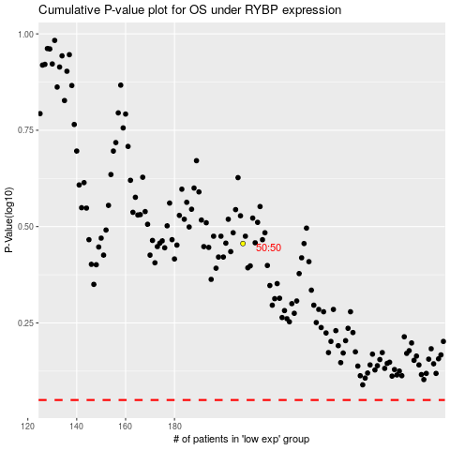

 |  |  |  |  |  | cases_OS | p_OS | rank | exp
 |  |  |  |  |  |  | cases_RFS | p_RFS | rank | exp

