S100A11 _multivariate
Reported by Tex Li-Hsing Chi. tex@gate.sinica.edu.tw 2019-08-16

Table 2. The clinicopathological features of HNSCC cohort and S100A11 expression. (Chi square test)
Cutoff at -0.226 (50.0%)
 |  | S100A11 expression |  | S100A11 expression |  | (Optimised)
 | Features | Low | (%) | High | (%) | Case no | P-value | Remark | Matthews
Gender | Female | 161 | 38.8 | 145 | 34.9 | 415 | 0.0792 | 0 | 0
2 | Male | 46 | 11.1 | 63 | 15.2
Age at diagnosis | <=65y | 140 | 33.7 | 134 | 32.3 | 415 | 0.5574 | 0 | 0
4 | >65y | 67 | 16.1 | 74 | 17.8
Clinical T Status | T1+T2 | 80 | 19.3 | 69 | 16.6 | 415 | 0.2891 | 0 | 0
6 | T3+T4 | 127 | 30.6 | 139 | 33.5
Clinical N Status | N0 | 109 | 26.3 | 107 | 25.8 | 415 | 0.8812 | 0 | 0
8 | N1-3 | 98 | 23.6 | 101 | 24.3
Clinical M Status | M0 | 206 | 49.6 | 206 | 49.6 | 415 | 1 | 0 | 0
10 | M1 | 1 | 0.2 | 2 | 0.5
Clinical Stage | Stage I+II | 56 | 13.5 | 46 | 11.1 | 415 | 0.2918 | 0 | 0
12 | Stage III+IV | 151 | 36.4 | 162 | 39
Surgical Margin status | Negative | 163 | 39.3 | 155 | 37.3 | 415 | 0.3537 | 0 | 0
14 | Positive | 44 | 10.6 | 53 | 12.8
Tobacco Exposure | Low | 66 | 15.9 | 95 | 22.9 | 415 | 0.0048 | 1 | 0
16 | High | 141 | 34 | 113 | 27.2

Table 3. Univariate/Multivariate Cox's proportional hazards regression analyses on OS time of S100A11 gene expression in HNSCC

 |  | Univariate |  |  |  | Multivariate
 | Features | HR | CI95%(L) | CI95%(H) | P-value | HR | CI95%(L) | CI95%(H) | P-value
1 | Female | 1 |  |  |  | 1
Gender | Male | 1.157 | 0.843 | 1.587 | 0.367 | 1.192 | 0.851 | 1.671 | 0.307
11 | <=65y | 1 |  |  |  | 1
Age at diagnosis | >65y | 1.329 | 0.99 | 1.784 | 0.058 | 1.393 | 1.025 | 1.894 | 0.034
12 | T1+T2 | 1 |  |  |  | 1
Clinical T Status | T3+T4 | 1.409 | 1.028 | 1.931 | 0.033 | 2.199 | 1.163 | 4.158 | 0.015
13 | N0 | 1 |  |  |  | 1
Clinical N Status | N1-3 | 1.185 | 0.89 | 1.577 | 0.246 | 1.242 | 0.87 | 1.772 | 0.232
14 | M0 | 1 |  |  |  | 1
Clinical M Status | M1 | 4.097 | 1.009 | 16.644 | 0.049 | 9.236 | 2.007 | 42.504 | 0.004
15 | Stage I+II | 1 |  |  |  | 1
Clinical Stage | Stage III+IV | 1.245 | 0.882 | 1.759 | 0.213 | 0.505 | 0.235 | 1.084 | 0.079
16 | Negative | 1 |  |  |  | 1
Surgical Margin status | Positive | 1.591 | 1.155 | 2.191 | 0.004 | 1.66 | 1.199 | 2.3 | 0.002
17 | Low | 1 |  |  |  | 1
Tobacco Exposure | High | 1.364 | 1.008 | 1.844 | 0.044 | 1.46 | 1.058 | 2.013 | 0.021
18 | Low | 1 |  |  |  | 1
RNAseq(z-score) | High | 1.106 | 0.829 | 1.474 | 0.494 | 1.051 | 0.781 | 1.413 | 0.743

Table 4. Univariate/Multivariate Cox's proportional hazards regression analyses on RFS time of S100A11 gene expression in HNSCC

 |  | Univariate |  |  |  | Multivariate
 | Features | HR | CI95%(L) | CI95%(H) | P-value | HR | CI95%(L) | CI95%(H) | P-value
1 | Female | 1 |  |  |  | 1
Gender | Male | 1.157 | 0.843 | 1.587 | 0.367 | 1.192 | 0.851 | 1.671 | 0.307
11 | <=65y | 1 |  |  |  | 1
Age at diagnosis | >65y | 1.329 | 0.99 | 1.784 | 0.058 | 1.393 | 1.025 | 1.894 | 0.034
12 | T1+T2 | 1 |  |  |  | 1
Clinical T Status | T3+T4 | 1.409 | 1.028 | 1.931 | 0.033 | 2.199 | 1.163 | 4.158 | 0.015
13 | N0 | 1 |  |  |  | 1
Clinical N Status | N1-3 | 1.185 | 0.89 | 1.577 | 0.246 | 1.242 | 0.87 | 1.772 | 0.232
14 | M0 | 1 |  |  |  | 1
Clinical M Status | M1 | 4.097 | 1.009 | 16.644 | 0.049 | 9.236 | 2.007 | 42.504 | 0.004
15 | Stage I+II | 1 |  |  |  | 1
Clinical Stage | Stage III+IV | 1.245 | 0.882 | 1.759 | 0.213 | 0.505 | 0.235 | 1.084 | 0.079
16 | Negative | 1 |  |  |  | 1
Surgical Margin status | Positive | 1.591 | 1.155 | 2.191 | 0.004 | 1.66 | 1.199 | 2.3 | 0.002
17 | Low | 1 |  |  |  | 1
Tobacco Exposure | High | 1.364 | 1.008 | 1.844 | 0.044 | 1.46 | 1.058 | 2.013 | 0.021
18 | Low | 1 |  |  |  | 1
RNAseq(z-score) | High | 1.106 | 0.829 | 1.474 | 0.494 | 1.051 | 0.781 | 1.413 | 0.743

Kaplan-Meier survival estimate: Cutoff at -0.226 (50.0%)



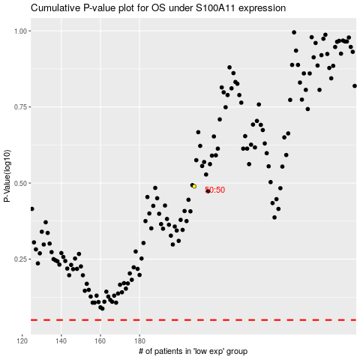

 |  |  |  |  |  | cases_OS | p_OS | rank | exp
 |  |  |  |  |  |  | cases_RFS | p_RFS | rank | exp

