S100A14 _multivariate
Reported by Tex Li-Hsing Chi. tex@gate.sinica.edu.tw 2019-08-16

Table 2. The clinicopathological features of HNSCC cohort and S100A14 expression. (Chi square test)
Cutoff at -0.311 (50.0%)
 |  | S100A14 expression |  | S100A14 expression |  | (Optimised)
 | Features | Low | (%) | High | (%) | Case no | P-value | Remark | Matthews
Gender | Female | 159 | 38.3 | 147 | 35.4 | 415 | 0.1905 | 0 | 0
2 | Male | 48 | 11.6 | 61 | 14.7
Age at diagnosis | <=65y | 136 | 32.8 | 138 | 33.3 | 415 | 0.9719 | 0 | 0
4 | >65y | 71 | 17.1 | 70 | 16.9
Clinical T Status | T1+T2 | 86 | 20.7 | 63 | 15.2 | 415 | 0.0221 | 1 | 0
6 | T3+T4 | 121 | 29.2 | 145 | 34.9
Clinical N Status | N0 | 108 | 26 | 108 | 26 | 415 | 1 | 0 | 0
8 | N1-3 | 99 | 23.9 | 100 | 24.1
Clinical M Status | M0 | 206 | 49.6 | 206 | 49.6 | 415 | 1 | 0 | 0
10 | M1 | 1 | 0.2 | 2 | 0.5
Clinical Stage | Stage I+II | 61 | 14.7 | 41 | 9.9 | 415 | 0.0282 | 1 | 0
12 | Stage III+IV | 146 | 35.2 | 167 | 40.2
Surgical Margin status | Negative | 164 | 39.5 | 154 | 37.1 | 415 | 0.2462 | 0 | 0
14 | Positive | 43 | 10.4 | 54 | 13
Tobacco Exposure | Low | 77 | 18.6 | 84 | 20.2 | 415 | 0.5459 | 0 | 0
16 | High | 130 | 31.3 | 124 | 29.9

Table 3. Univariate/Multivariate Cox's proportional hazards regression analyses on OS time of S100A14 gene expression in HNSCC

 |  | Univariate |  |  |  | Multivariate
 | Features | HR | CI95%(L) | CI95%(H) | P-value | HR | CI95%(L) | CI95%(H) | P-value
1 | Female | 1 |  |  |  | 1
Gender | Male | 1.157 | 0.843 | 1.587 | 0.367 | 1.235 | 0.883 | 1.726 | 0.217
11 | <=65y | 1 |  |  |  | 1
Age at diagnosis | >65y | 1.329 | 0.99 | 1.784 | 0.058 | 1.384 | 1.017 | 1.883 | 0.038
12 | T1+T2 | 1 |  |  |  | 1
Clinical T Status | T3+T4 | 1.409 | 1.028 | 1.931 | 0.033 | 2.239 | 1.183 | 4.237 | 0.013
13 | N0 | 1 |  |  |  | 1
Clinical N Status | N1-3 | 1.185 | 0.89 | 1.577 | 0.246 | 1.202 | 0.841 | 1.718 | 0.314
14 | M0 | 1 |  |  |  | 1
Clinical M Status | M1 | 4.097 | 1.009 | 16.644 | 0.049 | 9.863 | 2.148 | 45.279 | 0.003
15 | Stage I+II | 1 |  |  |  | 1
Clinical Stage | Stage III+IV | 1.245 | 0.882 | 1.759 | 0.213 | 0.522 | 0.243 | 1.123 | 0.096
16 | Negative | 1 |  |  |  | 1
Surgical Margin status | Positive | 1.591 | 1.155 | 2.191 | 0.004 | 1.721 | 1.243 | 2.384 | 0.001
17 | Low | 1 |  |  |  | 1
Tobacco Exposure | High | 1.364 | 1.008 | 1.844 | 0.044 | 1.455 | 1.056 | 2.003 | 0.022
18 | Low | 1 |  |  |  | 1
RNAseq(z-score) | High | 0.837 | 0.628 | 1.115 | 0.224 | 0.777 | 0.579 | 1.041 | 0.091

Table 4. Univariate/Multivariate Cox's proportional hazards regression analyses on RFS time of S100A14 gene expression in HNSCC

 |  | Univariate |  |  |  | Multivariate
 | Features | HR | CI95%(L) | CI95%(H) | P-value | HR | CI95%(L) | CI95%(H) | P-value
1 | Female | 1 |  |  |  | 1
Gender | Male | 1.157 | 0.843 | 1.587 | 0.367 | 1.235 | 0.883 | 1.726 | 0.217
11 | <=65y | 1 |  |  |  | 1
Age at diagnosis | >65y | 1.329 | 0.99 | 1.784 | 0.058 | 1.384 | 1.017 | 1.883 | 0.038
12 | T1+T2 | 1 |  |  |  | 1
Clinical T Status | T3+T4 | 1.409 | 1.028 | 1.931 | 0.033 | 2.239 | 1.183 | 4.237 | 0.013
13 | N0 | 1 |  |  |  | 1
Clinical N Status | N1-3 | 1.185 | 0.89 | 1.577 | 0.246 | 1.202 | 0.841 | 1.718 | 0.314
14 | M0 | 1 |  |  |  | 1
Clinical M Status | M1 | 4.097 | 1.009 | 16.644 | 0.049 | 9.863 | 2.148 | 45.279 | 0.003
15 | Stage I+II | 1 |  |  |  | 1
Clinical Stage | Stage III+IV | 1.245 | 0.882 | 1.759 | 0.213 | 0.522 | 0.243 | 1.123 | 0.096
16 | Negative | 1 |  |  |  | 1
Surgical Margin status | Positive | 1.591 | 1.155 | 2.191 | 0.004 | 1.721 | 1.243 | 2.384 | 0.001
17 | Low | 1 |  |  |  | 1
Tobacco Exposure | High | 1.364 | 1.008 | 1.844 | 0.044 | 1.455 | 1.056 | 2.003 | 0.022
18 | Low | 1 |  |  |  | 1
RNAseq(z-score) | High | 0.837 | 0.628 | 1.115 | 0.224 | 0.777 | 0.579 | 1.041 | 0.091

Kaplan-Meier survival estimate: Cutoff at -0.311 (50.0%)



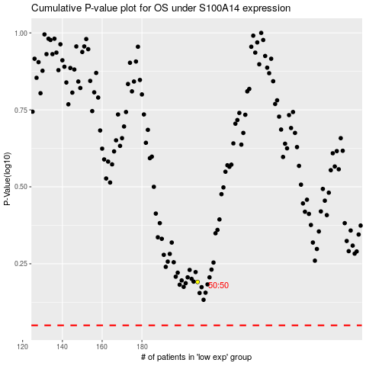

 |  |  |  |  |  | cases_OS | p_OS | rank | exp
 |  |  |  |  |  |  | cases_RFS | p_RFS | rank | exp

