S100A16 _multivariate
Reported by Tex Li-Hsing Chi. tex@gate.sinica.edu.tw 2019-08-16

Table 2. The clinicopathological features of HNSCC cohort and S100A16 expression. (Chi square test)
Cutoff at 0.024 (65.9%)
 |  | S100A16 expression |  | S100A16 expression |  | (Optimised)
 | Features | Low | (%) | High | (%) | Case no | P-value | Remark | Matthews
Gender | Female | 204 | 49.2 | 102 | 24.6 | 415 | 0.6044 | 0 | 0
2 | Male | 69 | 16.6 | 40 | 9.6
Age at diagnosis | <=65y | 179 | 43.1 | 95 | 22.9 | 415 | 0.8706 | 0 | 0
4 | >65y | 94 | 22.7 | 47 | 11.3
Clinical T Status | T1+T2 | 100 | 24.1 | 49 | 11.8 | 415 | 0.7491 | 0 | 0
6 | T3+T4 | 173 | 41.7 | 93 | 22.4
Clinical N Status | N0 | 145 | 34.9 | 71 | 17.1 | 415 | 0.6179 | 0 | 0
8 | N1-3 | 128 | 30.8 | 71 | 17.1
Clinical M Status | M0 | 272 | 65.5 | 140 | 33.7 | 415 | 0.2706 | 0 | 0
10 | M1 | 1 | 0.2 | 2 | 0.5
Clinical Stage | Stage I+II | 69 | 16.6 | 33 | 8 | 415 | 0.7363 | 0 | 0
12 | Stage III+IV | 204 | 49.2 | 109 | 26.3
Surgical Margin status | Negative | 214 | 51.6 | 104 | 25.1 | 415 | 0.2714 | 0 | 0
14 | Positive | 59 | 14.2 | 38 | 9.2
Tobacco Exposure | Low | 98 | 23.6 | 63 | 15.2 | 415 | 0.1111 | 0 | 0
16 | High | 175 | 42.2 | 79 | 19

Table 3. Univariate/Multivariate Cox's proportional hazards regression analyses on OS time of S100A16 gene expression in HNSCC

 |  | Univariate |  |  |  | Multivariate
 | Features | HR | CI95%(L) | CI95%(H) | P-value | HR | CI95%(L) | CI95%(H) | P-value
1 | Female | 1 |  |  |  | 1
Gender | Male | 1.157 | 0.843 | 1.587 | 0.367 | 1.222 | 0.874 | 1.708 | 0.24
11 | <=65y | 1 |  |  |  | 1
Age at diagnosis | >65y | 1.329 | 0.99 | 1.784 | 0.058 | 1.396 | 1.025 | 1.9 | 0.034
12 | T1+T2 | 1 |  |  |  | 1
Clinical T Status | T3+T4 | 1.409 | 1.028 | 1.931 | 0.033 | 2.201 | 1.163 | 4.164 | 0.015
13 | N0 | 1 |  |  |  | 1
Clinical N Status | N1-3 | 1.185 | 0.89 | 1.577 | 0.246 | 1.218 | 0.853 | 1.74 | 0.278
14 | M0 | 1 |  |  |  | 1
Clinical M Status | M1 | 4.097 | 1.009 | 16.644 | 0.049 | 11.377 | 2.462 | 52.581 | 0.002
15 | Stage I+II | 1 |  |  |  | 1
Clinical Stage | Stage III+IV | 1.245 | 0.882 | 1.759 | 0.213 | 0.514 | 0.239 | 1.105 | 0.088
16 | Negative | 1 |  |  |  | 1
Surgical Margin status | Positive | 1.591 | 1.155 | 2.191 | 0.004 | 1.741 | 1.258 | 2.41 | 0.001
17 | Low | 1 |  |  |  | 1
Tobacco Exposure | High | 1.364 | 1.008 | 1.844 | 0.044 | 1.438 | 1.043 | 1.982 | 0.027
18 | Low | 1 |  |  |  | 1
RNAseq(z-score) | High | 0.72 | 0.525 | 0.985 | 0.04 | 0.676 | 0.491 | 0.93 | 0.016

Table 4. Univariate/Multivariate Cox's proportional hazards regression analyses on RFS time of S100A16 gene expression in HNSCC

 |  | Univariate |  |  |  | Multivariate
 | Features | HR | CI95%(L) | CI95%(H) | P-value | HR | CI95%(L) | CI95%(H) | P-value
1 | Female | 1 |  |  |  | 1
Gender | Male | 1.157 | 0.843 | 1.587 | 0.367 | 1.222 | 0.874 | 1.708 | 0.24
11 | <=65y | 1 |  |  |  | 1
Age at diagnosis | >65y | 1.329 | 0.99 | 1.784 | 0.058 | 1.396 | 1.025 | 1.9 | 0.034
12 | T1+T2 | 1 |  |  |  | 1
Clinical T Status | T3+T4 | 1.409 | 1.028 | 1.931 | 0.033 | 2.201 | 1.163 | 4.164 | 0.015
13 | N0 | 1 |  |  |  | 1
Clinical N Status | N1-3 | 1.185 | 0.89 | 1.577 | 0.246 | 1.218 | 0.853 | 1.74 | 0.278
14 | M0 | 1 |  |  |  | 1
Clinical M Status | M1 | 4.097 | 1.009 | 16.644 | 0.049 | 11.377 | 2.462 | 52.581 | 0.002
15 | Stage I+II | 1 |  |  |  | 1
Clinical Stage | Stage III+IV | 1.245 | 0.882 | 1.759 | 0.213 | 0.514 | 0.239 | 1.105 | 0.088
16 | Negative | 1 |  |  |  | 1
Surgical Margin status | Positive | 1.591 | 1.155 | 2.191 | 0.004 | 1.741 | 1.258 | 2.41 | 0.001
17 | Low | 1 |  |  |  | 1
Tobacco Exposure | High | 1.364 | 1.008 | 1.844 | 0.044 | 1.438 | 1.043 | 1.982 | 0.027
18 | Low | 1 |  |  |  | 1
RNAseq(z-score) | High | 0.72 | 0.525 | 0.985 | 0.04 | 0.676 | 0.491 | 0.93 | 0.016

Kaplan-Meier survival estimate: Cutoff at 0.024 (65.9%)

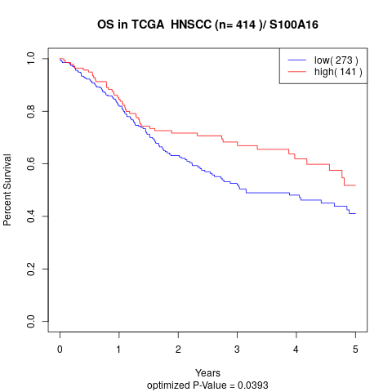

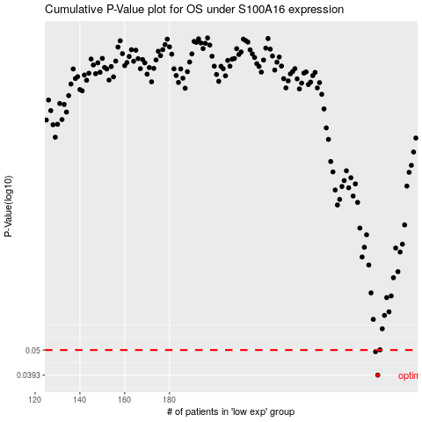

 |  |  |  |  |  | cases_OS | p_OS | rank | exp
 |  |  |  |  |  | 273 | 0.0393 | 397 | 0.024100860478
 |  |  |  |  |  | 272 | 0.0492 | 375 | 0.016642249188
 |  |  |  |  |  |  | cases_RFS | p_RFS | rank | exp
 |  |  |  |  |  |  | 272 | 0.0393 | 375 | 0.016642249188
 |  |  |  |  |  |  | 271 | 0.0492 | 222 | 0.0084548007682

