S100B _multivariate
Reported by Tex Li-Hsing Chi. tex@gate.sinica.edu.tw 2019-08-16

Table 2. The clinicopathological features of HNSCC cohort and S100B expression. (Chi square test)
Cutoff at -0.29 (55.1%)
 |  | S100B expression |  | S100B expression |  | (Optimised)
 | Features | Low | (%) | High | (%) | Case no | P-value | Remark | Matthews
Gender | Female | 172 | 41.4 | 134 | 32.3 | 415 | 0.448 | 0 | 0
2 | Male | 56 | 13.5 | 53 | 12.8
Age at diagnosis | <=65y | 149 | 35.9 | 125 | 30.1 | 415 | 0.8293 | 0 | 0
4 | >65y | 79 | 19 | 62 | 14.9
Clinical T Status | T1+T2 | 65 | 15.7 | 84 | 20.2 | 415 | 8e-04 | 1 | 0
6 | T3+T4 | 163 | 39.3 | 103 | 24.8
Clinical N Status | N0 | 125 | 30.1 | 91 | 21.9 | 415 | 0.2496 | 0 | 0
8 | N1-3 | 103 | 24.8 | 96 | 23.1
Clinical M Status | M0 | 226 | 54.5 | 186 | 44.8 | 415 | 1 | 0 | 0
10 | M1 | 2 | 0.5 | 1 | 0.2
Clinical Stage | Stage I+II | 48 | 11.6 | 54 | 13 | 415 | 0.0841 | 0 | 0
12 | Stage III+IV | 180 | 43.4 | 133 | 32
Surgical Margin status | Negative | 180 | 43.4 | 138 | 33.3 | 415 | 0.2442 | 0 | 0
14 | Positive | 48 | 11.6 | 49 | 11.8
Tobacco Exposure | Low | 79 | 19 | 82 | 19.8 | 415 | 0.0683 | 0 | 0
16 | High | 149 | 35.9 | 105 | 25.3

Table 3. Univariate/Multivariate Cox's proportional hazards regression analyses on OS time of S100B gene expression in HNSCC

 |  | Univariate |  |  |  | Multivariate
 | Features | HR | CI95%(L) | CI95%(H) | P-value | HR | CI95%(L) | CI95%(H) | P-value
1 | Female | 1 |  |  |  | 1
Gender | Male | 1.157 | 0.843 | 1.587 | 0.367 | 1.181 | 0.845 | 1.65 | 0.331
11 | <=65y | 1 |  |  |  | 1
Age at diagnosis | >65y | 1.329 | 0.99 | 1.784 | 0.058 | 1.41 | 1.038 | 1.915 | 0.028
12 | T1+T2 | 1 |  |  |  | 1
Clinical T Status | T3+T4 | 1.409 | 1.028 | 1.931 | 0.033 | 2.104 | 1.111 | 3.985 | 0.022
13 | N0 | 1 |  |  |  | 1
Clinical N Status | N1-3 | 1.185 | 0.89 | 1.577 | 0.246 | 1.286 | 0.899 | 1.839 | 0.168
14 | M0 | 1 |  |  |  | 1
Clinical M Status | M1 | 4.097 | 1.009 | 16.644 | 0.049 | 8.829 | 1.923 | 40.54 | 0.005
15 | Stage I+II | 1 |  |  |  | 1
Clinical Stage | Stage III+IV | 1.245 | 0.882 | 1.759 | 0.213 | 0.488 | 0.227 | 1.049 | 0.066
16 | Negative | 1 |  |  |  | 1
Surgical Margin status | Positive | 1.591 | 1.155 | 2.191 | 0.004 | 1.742 | 1.257 | 2.415 | 0.001
17 | Low | 1 |  |  |  | 1
Tobacco Exposure | High | 1.364 | 1.008 | 1.844 | 0.044 | 1.432 | 1.039 | 1.974 | 0.028
18 | Low | 1 |  |  |  | 1
RNAseq(z-score) | High | 0.745 | 0.556 | 0.999 | 0.049 | 0.746 | 0.551 | 1.01 | 0.058

Table 4. Univariate/Multivariate Cox's proportional hazards regression analyses on RFS time of S100B gene expression in HNSCC

 |  | Univariate |  |  |  | Multivariate
 | Features | HR | CI95%(L) | CI95%(H) | P-value | HR | CI95%(L) | CI95%(H) | P-value
1 | Female | 1 |  |  |  | 1
Gender | Male | 1.157 | 0.843 | 1.587 | 0.367 | 1.181 | 0.845 | 1.65 | 0.331
11 | <=65y | 1 |  |  |  | 1
Age at diagnosis | >65y | 1.329 | 0.99 | 1.784 | 0.058 | 1.41 | 1.038 | 1.915 | 0.028
12 | T1+T2 | 1 |  |  |  | 1
Clinical T Status | T3+T4 | 1.409 | 1.028 | 1.931 | 0.033 | 2.104 | 1.111 | 3.985 | 0.022
13 | N0 | 1 |  |  |  | 1
Clinical N Status | N1-3 | 1.185 | 0.89 | 1.577 | 0.246 | 1.286 | 0.899 | 1.839 | 0.168
14 | M0 | 1 |  |  |  | 1
Clinical M Status | M1 | 4.097 | 1.009 | 16.644 | 0.049 | 8.829 | 1.923 | 40.54 | 0.005
15 | Stage I+II | 1 |  |  |  | 1
Clinical Stage | Stage III+IV | 1.245 | 0.882 | 1.759 | 0.213 | 0.488 | 0.227 | 1.049 | 0.066
16 | Negative | 1 |  |  |  | 1
Surgical Margin status | Positive | 1.591 | 1.155 | 2.191 | 0.004 | 1.742 | 1.257 | 2.415 | 0.001
17 | Low | 1 |  |  |  | 1
Tobacco Exposure | High | 1.364 | 1.008 | 1.844 | 0.044 | 1.432 | 1.039 | 1.974 | 0.028
18 | Low | 1 |  |  |  | 1
RNAseq(z-score) | High | 0.745 | 0.556 | 0.999 | 0.049 | 0.746 | 0.551 | 1.01 | 0.058

Kaplan-Meier survival estimate: Cutoff at -0.29 (55.1%)



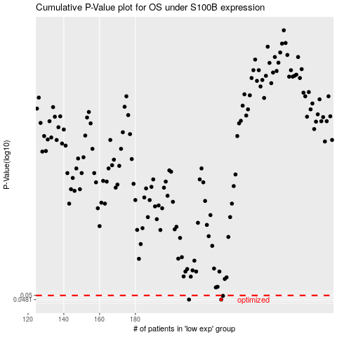

 |  |  |  |  |  | cases_OS | p_OS | rank | exp
 |  |  |  |  |  | 228 | 0.0481 | 94 | -0.28965776759
 |  |  |  |  |  | 210 | 0.0481 | 121 | -0.32774265082
 |  |  |  |  |  | 229 | 0.0498 | 15 | -0.28300168211
 |  |  |  |  |  |  | cases_RFS | p_RFS | rank | exp
 |  |  |  |  |  |  | 227 | 0.0481 | 58 | -0.29654956605
 |  |  |  |  |  |  | 209 | 0.0481 | 364 | -0.32854439564
 |  |  |  |  |  |  | 228 | 0.0498 | 94 | -0.28965776759

