S100PBP _multivariate
Reported by Tex Li-Hsing Chi. tex@gate.sinica.edu.tw 2019-08-16

Table 2. The clinicopathological features of HNSCC cohort and S100PBP expression. (Chi square test)
Cutoff at -0.084 (49.8%)
 |  | S100PBP expression |  | S100PBP expression |  | (Optimised)
 | Features | Low | (%) | High | (%) | Case no | P-value | Remark | Matthews
Gender | Female | 142 | 34.2 | 164 | 39.5 | 415 | 0.0238 | 1 | 0
2 | Male | 65 | 15.7 | 44 | 10.6
Age at diagnosis | <=65y | 126 | 30.4 | 148 | 35.7 | 415 | 0.035 | 1 | 0
4 | >65y | 81 | 19.5 | 60 | 14.5
Clinical T Status | T1+T2 | 74 | 17.8 | 75 | 18.1 | 415 | 1 | 0 | 0
6 | T3+T4 | 133 | 32 | 133 | 32
Clinical N Status | N0 | 119 | 28.7 | 97 | 23.4 | 415 | 0.0345 | 1 | 0
8 | N1-3 | 88 | 21.2 | 111 | 26.7
Clinical M Status | M0 | 206 | 49.6 | 206 | 49.6 | 415 | 1 | 0 | 0
10 | M1 | 1 | 0.2 | 2 | 0.5
Clinical Stage | Stage I+II | 58 | 14 | 44 | 10.6 | 415 | 0.131 | 0 | 0
12 | Stage III+IV | 149 | 35.9 | 164 | 39.5
Surgical Margin status | Negative | 164 | 39.5 | 154 | 37.1 | 415 | 0.2462 | 0 | 0
14 | Positive | 43 | 10.4 | 54 | 13
Tobacco Exposure | Low | 88 | 21.2 | 73 | 17.6 | 415 | 0.1314 | 0 | 0
16 | High | 119 | 28.7 | 135 | 32.5

Table 3. Univariate/Multivariate Cox's proportional hazards regression analyses on OS time of S100PBP gene expression in HNSCC

 |  | Univariate |  |  |  | Multivariate
 | Features | HR | CI95%(L) | CI95%(H) | P-value | HR | CI95%(L) | CI95%(H) | P-value
1 | Female | 1 |  |  |  | 1
Gender | Male | 1.157 | 0.843 | 1.587 | 0.367 | 1.198 | 0.855 | 1.677 | 0.294
11 | <=65y | 1 |  |  |  | 1
Age at diagnosis | >65y | 1.329 | 0.99 | 1.784 | 0.058 | 1.39 | 1.022 | 1.89 | 0.036
12 | T1+T2 | 1 |  |  |  | 1
Clinical T Status | T3+T4 | 1.409 | 1.028 | 1.931 | 0.033 | 2.195 | 1.159 | 4.155 | 0.016
13 | N0 | 1 |  |  |  | 1
Clinical N Status | N1-3 | 1.185 | 0.89 | 1.577 | 0.246 | 1.24 | 0.869 | 1.769 | 0.236
14 | M0 | 1 |  |  |  | 1
Clinical M Status | M1 | 4.097 | 1.009 | 16.644 | 0.049 | 9.383 | 2.046 | 43.023 | 0.004
15 | Stage I+II | 1 |  |  |  | 1
Clinical Stage | Stage III+IV | 1.245 | 0.882 | 1.759 | 0.213 | 0.508 | 0.236 | 1.094 | 0.084
16 | Negative | 1 |  |  |  | 1
Surgical Margin status | Positive | 1.591 | 1.155 | 2.191 | 0.004 | 1.674 | 1.211 | 2.314 | 0.002
17 | Low | 1 |  |  |  | 1
Tobacco Exposure | High | 1.364 | 1.008 | 1.844 | 0.044 | 1.454 | 1.055 | 2.005 | 0.022
18 | Low | 1 |  |  |  | 1
RNAseq(z-score) | High | 0.958 | 0.718 | 1.278 | 0.769 | 0.975 | 0.725 | 1.311 | 0.866

Table 4. Univariate/Multivariate Cox's proportional hazards regression analyses on RFS time of S100PBP gene expression in HNSCC

 |  | Univariate |  |  |  | Multivariate
 | Features | HR | CI95%(L) | CI95%(H) | P-value | HR | CI95%(L) | CI95%(H) | P-value
1 | Female | 1 |  |  |  | 1
Gender | Male | 1.157 | 0.843 | 1.587 | 0.367 | 1.198 | 0.855 | 1.677 | 0.294
11 | <=65y | 1 |  |  |  | 1
Age at diagnosis | >65y | 1.329 | 0.99 | 1.784 | 0.058 | 1.39 | 1.022 | 1.89 | 0.036
12 | T1+T2 | 1 |  |  |  | 1
Clinical T Status | T3+T4 | 1.409 | 1.028 | 1.931 | 0.033 | 2.195 | 1.159 | 4.155 | 0.016
13 | N0 | 1 |  |  |  | 1
Clinical N Status | N1-3 | 1.185 | 0.89 | 1.577 | 0.246 | 1.24 | 0.869 | 1.769 | 0.236
14 | M0 | 1 |  |  |  | 1
Clinical M Status | M1 | 4.097 | 1.009 | 16.644 | 0.049 | 9.383 | 2.046 | 43.023 | 0.004
15 | Stage I+II | 1 |  |  |  | 1
Clinical Stage | Stage III+IV | 1.245 | 0.882 | 1.759 | 0.213 | 0.508 | 0.236 | 1.094 | 0.084
16 | Negative | 1 |  |  |  | 1
Surgical Margin status | Positive | 1.591 | 1.155 | 2.191 | 0.004 | 1.674 | 1.211 | 2.314 | 0.002
17 | Low | 1 |  |  |  | 1
Tobacco Exposure | High | 1.364 | 1.008 | 1.844 | 0.044 | 1.454 | 1.055 | 2.005 | 0.022
18 | Low | 1 |  |  |  | 1
RNAseq(z-score) | High | 0.958 | 0.718 | 1.278 | 0.769 | 0.975 | 0.725 | 1.311 | 0.866

Kaplan-Meier survival estimate: Cutoff at -0.084 (49.8%)

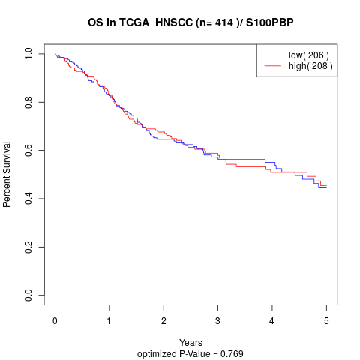

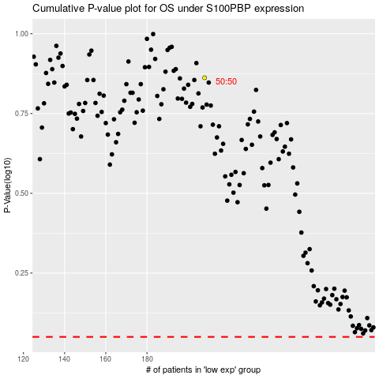

 |  |  |  |  |  | cases_OS | p_OS | rank | exp
 |  |  |  |  |  |  | cases_RFS | p_RFS | rank | exp

