S100Z _multivariate
Reported by Tex Li-Hsing Chi. tex@gate.sinica.edu.tw 2019-08-16

Table 2. The clinicopathological features of HNSCC cohort and S100Z expression. (Chi square test)
Cutoff at -0.342 (41.3%)
 |  | S100Z expression |  | S100Z expression |  | (Optimised)
 | Features | Low | (%) | High | (%) | Case no | P-value | Remark | Matthews
Gender | Female | 125 | 30.1 | 181 | 43.6 | 415 | 0.8942 | 0 | 0
2 | Male | 46 | 11.1 | 63 | 15.2
Age at diagnosis | <=65y | 111 | 26.7 | 163 | 39.3 | 415 | 0.768 | 0 | 0
4 | >65y | 60 | 14.5 | 81 | 19.5
Clinical T Status | T1+T2 | 54 | 13 | 95 | 22.9 | 415 | 0.1517 | 0 | 0
6 | T3+T4 | 117 | 28.2 | 149 | 35.9
Clinical N Status | N0 | 87 | 21 | 129 | 31.1 | 415 | 0.7642 | 0 | 0
8 | N1-3 | 84 | 20.2 | 115 | 27.7
Clinical M Status | M0 | 169 | 40.7 | 243 | 58.6 | 415 | 0.5713 | 0 | 0
10 | M1 | 2 | 0.5 | 1 | 0.2
Clinical Stage | Stage I+II | 35 | 8.4 | 67 | 16.1 | 415 | 0.1304 | 0 | 0
12 | Stage III+IV | 136 | 32.8 | 177 | 42.7
Surgical Margin status | Negative | 121 | 29.2 | 197 | 47.5 | 415 | 0.0248 | 1 | 0
14 | Positive | 50 | 12 | 47 | 11.3
Tobacco Exposure | Low | 64 | 15.4 | 97 | 23.4 | 415 | 0.6826 | 0 | 0
16 | High | 107 | 25.8 | 147 | 35.4

Table 3. Univariate/Multivariate Cox's proportional hazards regression analyses on OS time of S100Z gene expression in HNSCC

 |  | Univariate |  |  |  | Multivariate
 | Features | HR | CI95%(L) | CI95%(H) | P-value | HR | CI95%(L) | CI95%(H) | P-value
1 | Female | 1 |  |  |  | 1
Gender | Male | 1.157 | 0.843 | 1.587 | 0.367 | 1.174 | 0.838 | 1.645 | 0.35
11 | <=65y | 1 |  |  |  | 1
Age at diagnosis | >65y | 1.329 | 0.99 | 1.784 | 0.058 | 1.379 | 1.015 | 1.875 | 0.04
12 | T1+T2 | 1 |  |  |  | 1
Clinical T Status | T3+T4 | 1.409 | 1.028 | 1.931 | 0.033 | 2.181 | 1.154 | 4.122 | 0.016
13 | N0 | 1 |  |  |  | 1
Clinical N Status | N1-3 | 1.185 | 0.89 | 1.577 | 0.246 | 1.257 | 0.881 | 1.794 | 0.207
14 | M0 | 1 |  |  |  | 1
Clinical M Status | M1 | 4.097 | 1.009 | 16.644 | 0.049 | 8.964 | 1.953 | 41.14 | 0.005
15 | Stage I+II | 1 |  |  |  | 1
Clinical Stage | Stage III+IV | 1.245 | 0.882 | 1.759 | 0.213 | 0.49 | 0.228 | 1.051 | 0.067
16 | Negative | 1 |  |  |  | 1
Surgical Margin status | Positive | 1.591 | 1.155 | 2.191 | 0.004 | 1.627 | 1.175 | 2.253 | 0.003
17 | Low | 1 |  |  |  | 1
Tobacco Exposure | High | 1.364 | 1.008 | 1.844 | 0.044 | 1.442 | 1.045 | 1.989 | 0.026
18 | Low | 1 |  |  |  | 1
RNAseq(z-score) | High | 0.739 | 0.555 | 0.985 | 0.039 | 0.816 | 0.609 | 1.095 | 0.175

Table 4. Univariate/Multivariate Cox's proportional hazards regression analyses on RFS time of S100Z gene expression in HNSCC

 |  | Univariate |  |  |  | Multivariate
 | Features | HR | CI95%(L) | CI95%(H) | P-value | HR | CI95%(L) | CI95%(H) | P-value
1 | Female | 1 |  |  |  | 1
Gender | Male | 1.157 | 0.843 | 1.587 | 0.367 | 1.174 | 0.838 | 1.645 | 0.35
11 | <=65y | 1 |  |  |  | 1
Age at diagnosis | >65y | 1.329 | 0.99 | 1.784 | 0.058 | 1.379 | 1.015 | 1.875 | 0.04
12 | T1+T2 | 1 |  |  |  | 1
Clinical T Status | T3+T4 | 1.409 | 1.028 | 1.931 | 0.033 | 2.181 | 1.154 | 4.122 | 0.016
13 | N0 | 1 |  |  |  | 1
Clinical N Status | N1-3 | 1.185 | 0.89 | 1.577 | 0.246 | 1.257 | 0.881 | 1.794 | 0.207
14 | M0 | 1 |  |  |  | 1
Clinical M Status | M1 | 4.097 | 1.009 | 16.644 | 0.049 | 8.964 | 1.953 | 41.14 | 0.005
15 | Stage I+II | 1 |  |  |  | 1
Clinical Stage | Stage III+IV | 1.245 | 0.882 | 1.759 | 0.213 | 0.49 | 0.228 | 1.051 | 0.067
16 | Negative | 1 |  |  |  | 1
Surgical Margin status | Positive | 1.591 | 1.155 | 2.191 | 0.004 | 1.627 | 1.175 | 2.253 | 0.003
17 | Low | 1 |  |  |  | 1
Tobacco Exposure | High | 1.364 | 1.008 | 1.844 | 0.044 | 1.442 | 1.045 | 1.989 | 0.026
18 | Low | 1 |  |  |  | 1
RNAseq(z-score) | High | 0.739 | 0.555 | 0.985 | 0.039 | 0.816 | 0.609 | 1.095 | 0.175

Kaplan-Meier survival estimate: Cutoff at -0.342 (41.3%)



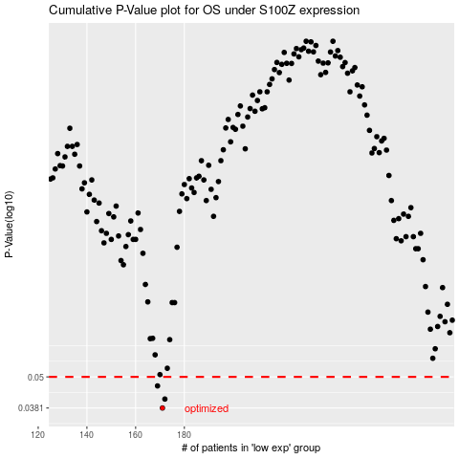

 |  |  |  |  |  | cases_OS | p_OS | rank | exp
 |  |  |  |  |  | 171 | 0.0381 | 46 | -0.34249571183
 |  |  |  |  |  | 172 | 0.0412 | 45 | -0.34167809685
 |  |  |  |  |  | 169 | 0.0462 | 238 | -0.34710408719
 |  |  |  |  |  |  | cases_RFS | p_RFS | rank | exp
 |  |  |  |  |  |  | 170 | 0.0381 | 66 | -0.34323899818
 |  |  |  |  |  |  | 171 | 0.0412 | 46 | -0.34249571183
 |  |  |  |  |  |  | 168 | 0.0462 | 227 | -0.34963126077

