S1PR5 _multivariate
Reported by Tex Li-Hsing Chi. tex@gate.sinica.edu.tw 2019-08-16

Table 2. The clinicopathological features of HNSCC cohort and S1PR5 expression. (Chi square test)
Cutoff at -0.23 (49.8%)
 |  | S1PR5 expression |  | S1PR5 expression |  | (Optimised)
 | Features | Low | (%) | High | (%) | Case no | P-value | Remark | Matthews
Gender | Female | 145 | 34.9 | 161 | 38.8 | 415 | 0.1116 | 0 | 0
2 | Male | 62 | 14.9 | 47 | 11.3
Age at diagnosis | <=65y | 133 | 32 | 141 | 34 | 415 | 0.5111 | 0 | 0
4 | >65y | 74 | 17.8 | 67 | 16.1
Clinical T Status | T1+T2 | 74 | 17.8 | 75 | 18.1 | 415 | 1 | 0 | 0
6 | T3+T4 | 133 | 32 | 133 | 32
Clinical N Status | N0 | 110 | 26.5 | 106 | 25.5 | 415 | 0.7294 | 0 | 0
8 | N1-3 | 97 | 23.4 | 102 | 24.6
Clinical M Status | M0 | 207 | 49.9 | 205 | 49.4 | 415 | 0.2482 | 0 | 0
10 | M1 | 0 | 0 | 3 | 0.7
Clinical Stage | Stage I+II | 53 | 12.8 | 49 | 11.8 | 415 | 0.7113 | 0 | 0
12 | Stage III+IV | 154 | 37.1 | 159 | 38.3
Surgical Margin status | Negative | 163 | 39.3 | 155 | 37.3 | 415 | 0.3537 | 0 | 0
14 | Positive | 44 | 10.6 | 53 | 12.8
Tobacco Exposure | Low | 83 | 20 | 78 | 18.8 | 415 | 0.6152 | 0 | 0
16 | High | 124 | 29.9 | 130 | 31.3

Table 3. Univariate/Multivariate Cox's proportional hazards regression analyses on OS time of S1PR5 gene expression in HNSCC

 |  | Univariate |  |  |  | Multivariate
 | Features | HR | CI95%(L) | CI95%(H) | P-value | HR | CI95%(L) | CI95%(H) | P-value
1 | Female | 1 |  |  |  | 1
Gender | Male | 1.157 | 0.843 | 1.587 | 0.367 | 1.169 | 0.834 | 1.638 | 0.366
11 | <=65y | 1 |  |  |  | 1
Age at diagnosis | >65y | 1.329 | 0.99 | 1.784 | 0.058 | 1.375 | 1.011 | 1.871 | 0.042
12 | T1+T2 | 1 |  |  |  | 1
Clinical T Status | T3+T4 | 1.409 | 1.028 | 1.931 | 0.033 | 2.199 | 1.163 | 4.156 | 0.015
13 | N0 | 1 |  |  |  | 1
Clinical N Status | N1-3 | 1.185 | 0.89 | 1.577 | 0.246 | 1.23 | 0.861 | 1.756 | 0.255
14 | M0 | 1 |  |  |  | 1
Clinical M Status | M1 | 4.097 | 1.009 | 16.644 | 0.049 | 10.27 | 2.224 | 47.435 | 0.003
15 | Stage I+II | 1 |  |  |  | 1
Clinical Stage | Stage III+IV | 1.245 | 0.882 | 1.759 | 0.213 | 0.504 | 0.235 | 1.082 | 0.079
16 | Negative | 1 |  |  |  | 1
Surgical Margin status | Positive | 1.591 | 1.155 | 2.191 | 0.004 | 1.701 | 1.23 | 2.354 | 0.001
17 | Low | 1 |  |  |  | 1
Tobacco Exposure | High | 1.364 | 1.008 | 1.844 | 0.044 | 1.475 | 1.069 | 2.035 | 0.018
18 | Low | 1 |  |  |  | 1
RNAseq(z-score) | High | 0.874 | 0.656 | 1.165 | 0.36 | 0.838 | 0.623 | 1.127 | 0.242

Table 4. Univariate/Multivariate Cox's proportional hazards regression analyses on RFS time of S1PR5 gene expression in HNSCC

 |  | Univariate |  |  |  | Multivariate
 | Features | HR | CI95%(L) | CI95%(H) | P-value | HR | CI95%(L) | CI95%(H) | P-value
1 | Female | 1 |  |  |  | 1
Gender | Male | 1.157 | 0.843 | 1.587 | 0.367 | 1.169 | 0.834 | 1.638 | 0.366
11 | <=65y | 1 |  |  |  | 1
Age at diagnosis | >65y | 1.329 | 0.99 | 1.784 | 0.058 | 1.375 | 1.011 | 1.871 | 0.042
12 | T1+T2 | 1 |  |  |  | 1
Clinical T Status | T3+T4 | 1.409 | 1.028 | 1.931 | 0.033 | 2.199 | 1.163 | 4.156 | 0.015
13 | N0 | 1 |  |  |  | 1
Clinical N Status | N1-3 | 1.185 | 0.89 | 1.577 | 0.246 | 1.23 | 0.861 | 1.756 | 0.255
14 | M0 | 1 |  |  |  | 1
Clinical M Status | M1 | 4.097 | 1.009 | 16.644 | 0.049 | 10.27 | 2.224 | 47.435 | 0.003
15 | Stage I+II | 1 |  |  |  | 1
Clinical Stage | Stage III+IV | 1.245 | 0.882 | 1.759 | 0.213 | 0.504 | 0.235 | 1.082 | 0.079
16 | Negative | 1 |  |  |  | 1
Surgical Margin status | Positive | 1.591 | 1.155 | 2.191 | 0.004 | 1.701 | 1.23 | 2.354 | 0.001
17 | Low | 1 |  |  |  | 1
Tobacco Exposure | High | 1.364 | 1.008 | 1.844 | 0.044 | 1.475 | 1.069 | 2.035 | 0.018
18 | Low | 1 |  |  |  | 1
RNAseq(z-score) | High | 0.874 | 0.656 | 1.165 | 0.36 | 0.838 | 0.623 | 1.127 | 0.242

Kaplan-Meier survival estimate: Cutoff at -0.23 (49.8%)



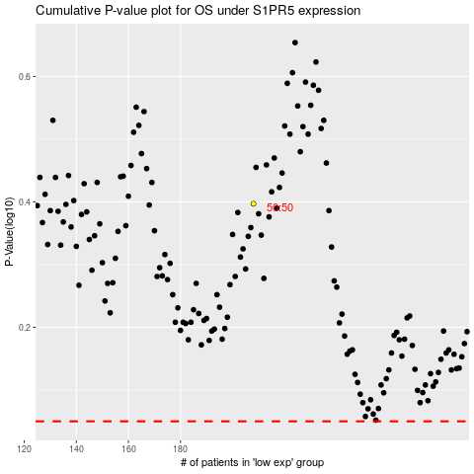

 |  |  |  |  |  | cases_OS | p_OS | rank | exp
 |  |  |  |  |  |  | cases_RFS | p_RFS | rank | exp

