SAAL1 _multivariate
Reported by Tex Li-Hsing Chi. tex@gate.sinica.edu.tw 2019-08-16

Table 2. The clinicopathological features of HNSCC cohort and SAAL1 expression. (Chi square test)
Cutoff at -0.148 (49.8%)
 |  | SAAL1 expression |  | SAAL1 expression |  | (Optimised)
 | Features | Low | (%) | High | (%) | Case no | P-value | Remark | Matthews
Gender | Female | 147 | 35.4 | 159 | 38.3 | 415 | 0.2523 | 0 | 0
2 | Male | 60 | 14.5 | 49 | 11.8
Age at diagnosis | <=65y | 134 | 32.3 | 140 | 33.7 | 415 | 0.6529 | 0 | 0
4 | >65y | 73 | 17.6 | 68 | 16.4
Clinical T Status | T1+T2 | 77 | 18.6 | 72 | 17.3 | 415 | 0.6556 | 0 | 0
6 | T3+T4 | 130 | 31.3 | 136 | 32.8
Clinical N Status | N0 | 108 | 26 | 108 | 26 | 415 | 1 | 0 | 0
8 | N1-3 | 99 | 23.9 | 100 | 24.1
Clinical M Status | M0 | 205 | 49.4 | 207 | 49.9 | 415 | 0.6232 | 0 | 0
10 | M1 | 2 | 0.5 | 1 | 0.2
Clinical Stage | Stage I+II | 51 | 12.3 | 51 | 12.3 | 415 | 1 | 0 | 0
12 | Stage III+IV | 156 | 37.6 | 157 | 37.8
Surgical Margin status | Negative | 170 | 41 | 148 | 35.7 | 415 | 0.0105 | 1 | 0
14 | Positive | 37 | 8.9 | 60 | 14.5
Tobacco Exposure | Low | 81 | 19.5 | 80 | 19.3 | 415 | 0.9199 | 0 | 0
16 | High | 126 | 30.4 | 128 | 30.8

Table 3. Univariate/Multivariate Cox's proportional hazards regression analyses on OS time of SAAL1 gene expression in HNSCC

 |  | Univariate |  |  |  | Multivariate
 | Features | HR | CI95%(L) | CI95%(H) | P-value | HR | CI95%(L) | CI95%(H) | P-value
1 | Female | 1 |  |  |  | 1
Gender | Male | 1.157 | 0.843 | 1.587 | 0.367 | 1.193 | 0.854 | 1.666 | 0.3
11 | <=65y | 1 |  |  |  | 1
Age at diagnosis | >65y | 1.329 | 0.99 | 1.784 | 0.058 | 1.386 | 1.019 | 1.885 | 0.037
12 | T1+T2 | 1 |  |  |  | 1
Clinical T Status | T3+T4 | 1.409 | 1.028 | 1.931 | 0.033 | 2.238 | 1.182 | 4.238 | 0.013
13 | N0 | 1 |  |  |  | 1
Clinical N Status | N1-3 | 1.185 | 0.89 | 1.577 | 0.246 | 1.25 | 0.875 | 1.784 | 0.22
14 | M0 | 1 |  |  |  | 1
Clinical M Status | M1 | 4.097 | 1.009 | 16.644 | 0.049 | 9.4 | 2.051 | 43.092 | 0.004
15 | Stage I+II | 1 |  |  |  | 1
Clinical Stage | Stage III+IV | 1.245 | 0.882 | 1.759 | 0.213 | 0.495 | 0.23 | 1.064 | 0.072
16 | Negative | 1 |  |  |  | 1
Surgical Margin status | Positive | 1.591 | 1.155 | 2.191 | 0.004 | 1.708 | 1.23 | 2.372 | 0.001
17 | Low | 1 |  |  |  | 1
Tobacco Exposure | High | 1.364 | 1.008 | 1.844 | 0.044 | 1.445 | 1.049 | 1.991 | 0.024
18 | Low | 1 |  |  |  | 1
RNAseq(z-score) | High | 0.955 | 0.716 | 1.272 | 0.752 | 0.888 | 0.663 | 1.19 | 0.428

Table 4. Univariate/Multivariate Cox's proportional hazards regression analyses on RFS time of SAAL1 gene expression in HNSCC

 |  | Univariate |  |  |  | Multivariate
 | Features | HR | CI95%(L) | CI95%(H) | P-value | HR | CI95%(L) | CI95%(H) | P-value
1 | Female | 1 |  |  |  | 1
Gender | Male | 1.157 | 0.843 | 1.587 | 0.367 | 1.193 | 0.854 | 1.666 | 0.3
11 | <=65y | 1 |  |  |  | 1
Age at diagnosis | >65y | 1.329 | 0.99 | 1.784 | 0.058 | 1.386 | 1.019 | 1.885 | 0.037
12 | T1+T2 | 1 |  |  |  | 1
Clinical T Status | T3+T4 | 1.409 | 1.028 | 1.931 | 0.033 | 2.238 | 1.182 | 4.238 | 0.013
13 | N0 | 1 |  |  |  | 1
Clinical N Status | N1-3 | 1.185 | 0.89 | 1.577 | 0.246 | 1.25 | 0.875 | 1.784 | 0.22
14 | M0 | 1 |  |  |  | 1
Clinical M Status | M1 | 4.097 | 1.009 | 16.644 | 0.049 | 9.4 | 2.051 | 43.092 | 0.004
15 | Stage I+II | 1 |  |  |  | 1
Clinical Stage | Stage III+IV | 1.245 | 0.882 | 1.759 | 0.213 | 0.495 | 0.23 | 1.064 | 0.072
16 | Negative | 1 |  |  |  | 1
Surgical Margin status | Positive | 1.591 | 1.155 | 2.191 | 0.004 | 1.708 | 1.23 | 2.372 | 0.001
17 | Low | 1 |  |  |  | 1
Tobacco Exposure | High | 1.364 | 1.008 | 1.844 | 0.044 | 1.445 | 1.049 | 1.991 | 0.024
18 | Low | 1 |  |  |  | 1
RNAseq(z-score) | High | 0.955 | 0.716 | 1.272 | 0.752 | 0.888 | 0.663 | 1.19 | 0.428

Kaplan-Meier survival estimate: Cutoff at -0.148 (49.8%)



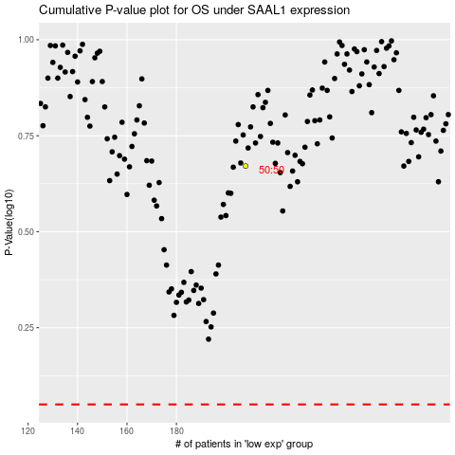

 |  |  |  |  |  | cases_OS | p_OS | rank | exp
 |  |  |  |  |  |  | cases_RFS | p_RFS | rank | exp

