SAC3D1 _multivariate
Reported by Tex Li-Hsing Chi. tex@gate.sinica.edu.tw 2019-08-16

Table 2. The clinicopathological features of HNSCC cohort and SAC3D1 expression. (Chi square test)
Cutoff at -0.261 (49.8%)
 |  | SAC3D1 expression |  | SAC3D1 expression |  | (Optimised)
 | Features | Low | (%) | High | (%) | Case no | P-value | Remark | Matthews
Gender | Female | 150 | 36.1 | 156 | 37.6 | 415 | 0.6344 | 0 | 0
2 | Male | 57 | 13.7 | 52 | 12.5
Age at diagnosis | <=65y | 130 | 31.3 | 144 | 34.7 | 415 | 0.2009 | 0 | 0
4 | >65y | 77 | 18.6 | 64 | 15.4
Clinical T Status | T1+T2 | 65 | 15.7 | 84 | 20.2 | 415 | 0.0711 | 0 | 0
6 | T3+T4 | 142 | 34.2 | 124 | 29.9
Clinical N Status | N0 | 115 | 27.7 | 101 | 24.3 | 415 | 0.184 | 1 | 0
8 | N1-3 | 92 | 22.2 | 107 | 25.8
Clinical M Status | M0 | 206 | 49.6 | 206 | 49.6 | 415 | 1 | 0 | 0
10 | M1 | 1 | 0.2 | 2 | 0.5
Clinical Stage | Stage I+II | 49 | 11.8 | 53 | 12.8 | 415 | 0.7535 | 0 | 0
12 | Stage III+IV | 158 | 38.1 | 155 | 37.3
Surgical Margin status | Negative | 169 | 40.7 | 149 | 35.9 | 415 | 0.0201 | 1 | 0
14 | Positive | 38 | 9.2 | 59 | 14.2
Tobacco Exposure | Low | 82 | 19.8 | 79 | 19 | 415 | 0.763 | 0 | 0
16 | High | 125 | 30.1 | 129 | 31.1

Table 3. Univariate/Multivariate Cox's proportional hazards regression analyses on OS time of SAC3D1 gene expression in HNSCC

 |  | Univariate |  |  |  | Multivariate
 | Features | HR | CI95%(L) | CI95%(H) | P-value | HR | CI95%(L) | CI95%(H) | P-value
1 | Female | 1 |  |  |  | 1
Gender | Male | 1.157 | 0.843 | 1.587 | 0.367 | 1.198 | 0.857 | 1.673 | 0.29
11 | <=65y | 1 |  |  |  | 1
Age at diagnosis | >65y | 1.329 | 0.99 | 1.784 | 0.058 | 1.382 | 1.016 | 1.879 | 0.039
12 | T1+T2 | 1 |  |  |  | 1
Clinical T Status | T3+T4 | 1.409 | 1.028 | 1.931 | 0.033 | 2.17 | 1.147 | 4.105 | 0.017
13 | N0 | 1 |  |  |  | 1
Clinical N Status | N1-3 | 1.185 | 0.89 | 1.577 | 0.246 | 1.253 | 0.878 | 1.789 | 0.213
14 | M0 | 1 |  |  |  | 1
Clinical M Status | M1 | 4.097 | 1.009 | 16.644 | 0.049 | 9.612 | 2.095 | 44.092 | 0.004
15 | Stage I+II | 1 |  |  |  | 1
Clinical Stage | Stage III+IV | 1.245 | 0.882 | 1.759 | 0.213 | 0.507 | 0.236 | 1.088 | 0.081
16 | Negative | 1 |  |  |  | 1
Surgical Margin status | Positive | 1.591 | 1.155 | 2.191 | 0.004 | 1.709 | 1.232 | 2.371 | 0.001
17 | Low | 1 |  |  |  | 1
Tobacco Exposure | High | 1.364 | 1.008 | 1.844 | 0.044 | 1.47 | 1.066 | 2.026 | 0.019
18 | Low | 1 |  |  |  | 1
RNAseq(z-score) | High | 0.935 | 0.702 | 1.246 | 0.647 | 0.88 | 0.655 | 1.182 | 0.396

Table 4. Univariate/Multivariate Cox's proportional hazards regression analyses on RFS time of SAC3D1 gene expression in HNSCC

 |  | Univariate |  |  |  | Multivariate
 | Features | HR | CI95%(L) | CI95%(H) | P-value | HR | CI95%(L) | CI95%(H) | P-value
1 | Female | 1 |  |  |  | 1
Gender | Male | 1.157 | 0.843 | 1.587 | 0.367 | 1.198 | 0.857 | 1.673 | 0.29
11 | <=65y | 1 |  |  |  | 1
Age at diagnosis | >65y | 1.329 | 0.99 | 1.784 | 0.058 | 1.382 | 1.016 | 1.879 | 0.039
12 | T1+T2 | 1 |  |  |  | 1
Clinical T Status | T3+T4 | 1.409 | 1.028 | 1.931 | 0.033 | 2.17 | 1.147 | 4.105 | 0.017
13 | N0 | 1 |  |  |  | 1
Clinical N Status | N1-3 | 1.185 | 0.89 | 1.577 | 0.246 | 1.253 | 0.878 | 1.789 | 0.213
14 | M0 | 1 |  |  |  | 1
Clinical M Status | M1 | 4.097 | 1.009 | 16.644 | 0.049 | 9.612 | 2.095 | 44.092 | 0.004
15 | Stage I+II | 1 |  |  |  | 1
Clinical Stage | Stage III+IV | 1.245 | 0.882 | 1.759 | 0.213 | 0.507 | 0.236 | 1.088 | 0.081
16 | Negative | 1 |  |  |  | 1
Surgical Margin status | Positive | 1.591 | 1.155 | 2.191 | 0.004 | 1.709 | 1.232 | 2.371 | 0.001
17 | Low | 1 |  |  |  | 1
Tobacco Exposure | High | 1.364 | 1.008 | 1.844 | 0.044 | 1.47 | 1.066 | 2.026 | 0.019
18 | Low | 1 |  |  |  | 1
RNAseq(z-score) | High | 0.935 | 0.702 | 1.246 | 0.647 | 0.88 | 0.655 | 1.182 | 0.396

Kaplan-Meier survival estimate: Cutoff at -0.261 (49.8%)



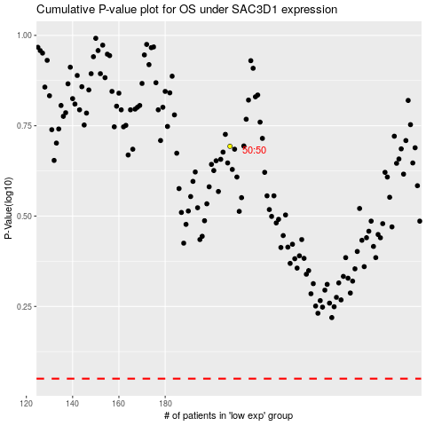

 |  |  |  |  |  | cases_OS | p_OS | rank | exp
 |  |  |  |  |  |  | cases_RFS | p_RFS | rank | exp

