SACM1L _multivariate
Reported by Tex Li-Hsing Chi. tex@gate.sinica.edu.tw 2019-08-16

Table 2. The clinicopathological features of HNSCC cohort and SACM1L expression. (Chi square test)
Cutoff at -0.195 (49.8%)
 |  | SACM1L expression |  | SACM1L expression |  | (Optimised)
 | Features | Low | (%) | High | (%) | Case no | P-value | Remark | Matthews
Gender | Female | 162 | 39 | 144 | 34.7 | 415 | 0.0479 | 1 | 0
2 | Male | 45 | 10.8 | 64 | 15.4
Age at diagnosis | <=65y | 143 | 34.5 | 131 | 31.6 | 415 | 0.2269 | 0 | 0
4 | >65y | 64 | 15.4 | 77 | 18.6
Clinical T Status | T1+T2 | 72 | 17.3 | 77 | 18.6 | 415 | 0.7095 | 0 | 0
6 | T3+T4 | 135 | 32.5 | 131 | 31.6
Clinical N Status | N0 | 112 | 27 | 104 | 25.1 | 415 | 0.4599 | 0 | 0
8 | N1-3 | 95 | 22.9 | 104 | 25.1
Clinical M Status | M0 | 204 | 49.2 | 208 | 50.1 | 415 | 0.1232 | 0 | 0
10 | M1 | 3 | 0.7 | 0 | 0
Clinical Stage | Stage I+II | 49 | 11.8 | 53 | 12.8 | 415 | 0.7535 | 0 | 0
12 | Stage III+IV | 158 | 38.1 | 155 | 37.3
Surgical Margin status | Negative | 163 | 39.3 | 155 | 37.3 | 415 | 0.3537 | 0 | 0
14 | Positive | 44 | 10.6 | 53 | 12.8
Tobacco Exposure | Low | 74 | 17.8 | 87 | 21 | 415 | 0.227 | 0 | 0
16 | High | 133 | 32 | 121 | 29.2

Table 3. Univariate/Multivariate Cox's proportional hazards regression analyses on OS time of SACM1L gene expression in HNSCC

 |  | Univariate |  |  |  | Multivariate
 | Features | HR | CI95%(L) | CI95%(H) | P-value | HR | CI95%(L) | CI95%(H) | P-value
1 | Female | 1 |  |  |  | 1
Gender | Male | 1.157 | 0.843 | 1.587 | 0.367 | 1.195 | 0.855 | 1.671 | 0.296
11 | <=65y | 1 |  |  |  | 1
Age at diagnosis | >65y | 1.329 | 0.99 | 1.784 | 0.058 | 1.384 | 1.017 | 1.883 | 0.038
12 | T1+T2 | 1 |  |  |  | 1
Clinical T Status | T3+T4 | 1.409 | 1.028 | 1.931 | 0.033 | 2.211 | 1.169 | 4.182 | 0.015
13 | N0 | 1 |  |  |  | 1
Clinical N Status | N1-3 | 1.185 | 0.89 | 1.577 | 0.246 | 1.237 | 0.867 | 1.765 | 0.242
14 | M0 | 1 |  |  |  | 1
Clinical M Status | M1 | 4.097 | 1.009 | 16.644 | 0.049 | 9.737 | 2.108 | 44.974 | 0.004
15 | Stage I+II | 1 |  |  |  | 1
Clinical Stage | Stage III+IV | 1.245 | 0.882 | 1.759 | 0.213 | 0.509 | 0.237 | 1.092 | 0.083
16 | Negative | 1 |  |  |  | 1
Surgical Margin status | Positive | 1.591 | 1.155 | 2.191 | 0.004 | 1.666 | 1.206 | 2.303 | 0.002
17 | Low | 1 |  |  |  | 1
Tobacco Exposure | High | 1.364 | 1.008 | 1.844 | 0.044 | 1.459 | 1.059 | 2.01 | 0.021
18 | Low | 1 |  |  |  | 1
RNAseq(z-score) | High | 1.043 | 0.783 | 1.388 | 0.775 | 1.07 | 0.797 | 1.437 | 0.651

Table 4. Univariate/Multivariate Cox's proportional hazards regression analyses on RFS time of SACM1L gene expression in HNSCC

 |  | Univariate |  |  |  | Multivariate
 | Features | HR | CI95%(L) | CI95%(H) | P-value | HR | CI95%(L) | CI95%(H) | P-value
1 | Female | 1 |  |  |  | 1
Gender | Male | 1.157 | 0.843 | 1.587 | 0.367 | 1.195 | 0.855 | 1.671 | 0.296
11 | <=65y | 1 |  |  |  | 1
Age at diagnosis | >65y | 1.329 | 0.99 | 1.784 | 0.058 | 1.384 | 1.017 | 1.883 | 0.038
12 | T1+T2 | 1 |  |  |  | 1
Clinical T Status | T3+T4 | 1.409 | 1.028 | 1.931 | 0.033 | 2.211 | 1.169 | 4.182 | 0.015
13 | N0 | 1 |  |  |  | 1
Clinical N Status | N1-3 | 1.185 | 0.89 | 1.577 | 0.246 | 1.237 | 0.867 | 1.765 | 0.242
14 | M0 | 1 |  |  |  | 1
Clinical M Status | M1 | 4.097 | 1.009 | 16.644 | 0.049 | 9.737 | 2.108 | 44.974 | 0.004
15 | Stage I+II | 1 |  |  |  | 1
Clinical Stage | Stage III+IV | 1.245 | 0.882 | 1.759 | 0.213 | 0.509 | 0.237 | 1.092 | 0.083
16 | Negative | 1 |  |  |  | 1
Surgical Margin status | Positive | 1.591 | 1.155 | 2.191 | 0.004 | 1.666 | 1.206 | 2.303 | 0.002
17 | Low | 1 |  |  |  | 1
Tobacco Exposure | High | 1.364 | 1.008 | 1.844 | 0.044 | 1.459 | 1.059 | 2.01 | 0.021
18 | Low | 1 |  |  |  | 1
RNAseq(z-score) | High | 1.043 | 0.783 | 1.388 | 0.775 | 1.07 | 0.797 | 1.437 | 0.651

Kaplan-Meier survival estimate: Cutoff at -0.195 (49.8%)



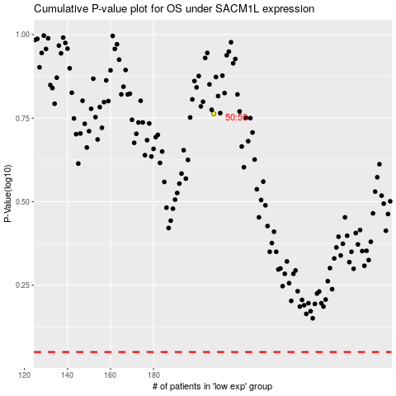

 |  |  |  |  |  | cases_OS | p_OS | rank | exp
 |  |  |  |  |  |  | cases_RFS | p_RFS | rank | exp

