SACS _multivariate
Reported by Tex Li-Hsing Chi. tex@gate.sinica.edu.tw 2019-08-16

Table 2. The clinicopathological features of HNSCC cohort and SACS expression. (Chi square test)
Cutoff at -0.162 (50.0%)
 |  | SACS expression |  | SACS expression |  | (Optimised)
 | Features | Low | (%) | High | (%) | Case no | P-value | Remark | Matthews
Gender | Female | 157 | 37.8 | 149 | 35.9 | 415 | 0.3881 | 0 | 0
2 | Male | 50 | 12 | 59 | 14.2
Age at diagnosis | <=65y | 132 | 31.8 | 142 | 34.2 | 415 | 0.3874 | 0 | 0
4 | >65y | 75 | 18.1 | 66 | 15.9
Clinical T Status | T1+T2 | 71 | 17.1 | 78 | 18.8 | 415 | 0.5638 | 0 | 0
6 | T3+T4 | 136 | 32.8 | 130 | 31.3
Clinical N Status | N0 | 110 | 26.5 | 106 | 25.5 | 415 | 0.7294 | 0 | 0
8 | N1-3 | 97 | 23.4 | 102 | 24.6
Clinical M Status | M0 | 204 | 49.2 | 208 | 50.1 | 415 | 0.1232 | 0 | 0
10 | M1 | 3 | 0.7 | 0 | 0
Clinical Stage | Stage I+II | 43 | 10.4 | 59 | 14.2 | 415 | 0.0925 | 0 | 0
12 | Stage III+IV | 164 | 39.5 | 149 | 35.9
Surgical Margin status | Negative | 159 | 38.3 | 159 | 38.3 | 415 | 1 | 0 | 0
14 | Positive | 48 | 11.6 | 49 | 11.8
Tobacco Exposure | Low | 85 | 20.5 | 76 | 18.3 | 415 | 0.3655 | 0 | 0
16 | High | 122 | 29.4 | 132 | 31.8

Table 3. Univariate/Multivariate Cox's proportional hazards regression analyses on OS time of SACS gene expression in HNSCC

 |  | Univariate |  |  |  | Multivariate
 | Features | HR | CI95%(L) | CI95%(H) | P-value | HR | CI95%(L) | CI95%(H) | P-value
1 | Female | 1 |  |  |  | 1
Gender | Male | 1.157 | 0.843 | 1.587 | 0.367 | 1.209 | 0.865 | 1.689 | 0.266
11 | <=65y | 1 |  |  |  | 1
Age at diagnosis | >65y | 1.329 | 0.99 | 1.784 | 0.058 | 1.396 | 1.027 | 1.897 | 0.033
12 | T1+T2 | 1 |  |  |  | 1
Clinical T Status | T3+T4 | 1.409 | 1.028 | 1.931 | 0.033 | 2.18 | 1.153 | 4.122 | 0.017
13 | N0 | 1 |  |  |  | 1
Clinical N Status | N1-3 | 1.185 | 0.89 | 1.577 | 0.246 | 1.221 | 0.854 | 1.745 | 0.274
14 | M0 | 1 |  |  |  | 1
Clinical M Status | M1 | 4.097 | 1.009 | 16.644 | 0.049 | 9.98 | 2.162 | 46.063 | 0.003
15 | Stage I+II | 1 |  |  |  | 1
Clinical Stage | Stage III+IV | 1.245 | 0.882 | 1.759 | 0.213 | 0.523 | 0.243 | 1.129 | 0.099
16 | Negative | 1 |  |  |  | 1
Surgical Margin status | Positive | 1.591 | 1.155 | 2.191 | 0.004 | 1.679 | 1.215 | 2.32 | 0.002
17 | Low | 1 |  |  |  | 1
Tobacco Exposure | High | 1.364 | 1.008 | 1.844 | 0.044 | 1.46 | 1.059 | 2.012 | 0.021
18 | Low | 1 |  |  |  | 1
RNAseq(z-score) | High | 1.058 | 0.795 | 1.41 | 0.698 | 1.131 | 0.843 | 1.517 | 0.412

Table 4. Univariate/Multivariate Cox's proportional hazards regression analyses on RFS time of SACS gene expression in HNSCC

 |  | Univariate |  |  |  | Multivariate
 | Features | HR | CI95%(L) | CI95%(H) | P-value | HR | CI95%(L) | CI95%(H) | P-value
1 | Female | 1 |  |  |  | 1
Gender | Male | 1.157 | 0.843 | 1.587 | 0.367 | 1.209 | 0.865 | 1.689 | 0.266
11 | <=65y | 1 |  |  |  | 1
Age at diagnosis | >65y | 1.329 | 0.99 | 1.784 | 0.058 | 1.396 | 1.027 | 1.897 | 0.033
12 | T1+T2 | 1 |  |  |  | 1
Clinical T Status | T3+T4 | 1.409 | 1.028 | 1.931 | 0.033 | 2.18 | 1.153 | 4.122 | 0.017
13 | N0 | 1 |  |  |  | 1
Clinical N Status | N1-3 | 1.185 | 0.89 | 1.577 | 0.246 | 1.221 | 0.854 | 1.745 | 0.274
14 | M0 | 1 |  |  |  | 1
Clinical M Status | M1 | 4.097 | 1.009 | 16.644 | 0.049 | 9.98 | 2.162 | 46.063 | 0.003
15 | Stage I+II | 1 |  |  |  | 1
Clinical Stage | Stage III+IV | 1.245 | 0.882 | 1.759 | 0.213 | 0.523 | 0.243 | 1.129 | 0.099
16 | Negative | 1 |  |  |  | 1
Surgical Margin status | Positive | 1.591 | 1.155 | 2.191 | 0.004 | 1.679 | 1.215 | 2.32 | 0.002
17 | Low | 1 |  |  |  | 1
Tobacco Exposure | High | 1.364 | 1.008 | 1.844 | 0.044 | 1.46 | 1.059 | 2.012 | 0.021
18 | Low | 1 |  |  |  | 1
RNAseq(z-score) | High | 1.058 | 0.795 | 1.41 | 0.698 | 1.131 | 0.843 | 1.517 | 0.412

Kaplan-Meier survival estimate: Cutoff at -0.162 (50.0%)

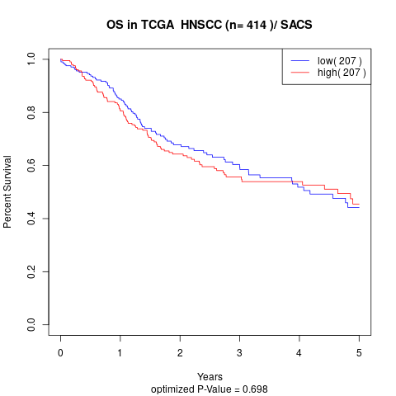

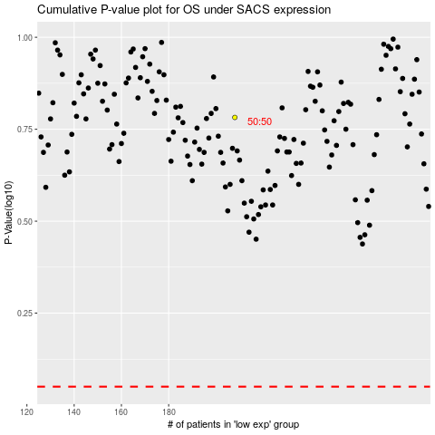

 |  |  |  |  |  | cases_OS | p_OS | rank | exp
 |  |  |  |  |  |  | cases_RFS | p_RFS | rank | exp

