SAE1 _multivariate
Reported by Tex Li-Hsing Chi. tex@gate.sinica.edu.tw 2019-08-16

Table 2. The clinicopathological features of HNSCC cohort and SAE1 expression. (Chi square test)
Cutoff at 0.355 (68.8%)
 |  | SAE1 expression |  | SAE1 expression |  | (Optimised)
 | Features | Low | (%) | High | (%) | Case no | P-value | Remark | Matthews
Gender | Female | 201 | 48.4 | 105 | 25.3 | 415 | 0.0238 | 1 | 0
2 | Male | 85 | 20.5 | 24 | 5.8
Age at diagnosis | <=65y | 189 | 45.5 | 85 | 20.5 | 415 | 1 | 0 | 0
4 | >65y | 97 | 23.4 | 44 | 10.6
Clinical T Status | T1+T2 | 110 | 26.5 | 39 | 9.4 | 415 | 0.1319 | 0 | 0
6 | T3+T4 | 176 | 42.4 | 90 | 21.7
Clinical N Status | N0 | 150 | 36.1 | 66 | 15.9 | 415 | 0.8916 | 0 | 0
8 | N1-3 | 136 | 32.8 | 63 | 15.2
Clinical M Status | M0 | 283 | 68.2 | 129 | 31.1 | 415 | 0.5554 | 0 | 0
10 | M1 | 3 | 0.7 | 0 | 0
Clinical Stage | Stage I+II | 78 | 18.8 | 24 | 5.8 | 415 | 0.0759 | 0 | 0
12 | Stage III+IV | 208 | 50.1 | 105 | 25.3
Surgical Margin status | Negative | 219 | 52.8 | 99 | 23.9 | 415 | 1 | 0 | 0
14 | Positive | 67 | 16.1 | 30 | 7.2
Tobacco Exposure | Low | 118 | 28.4 | 43 | 10.4 | 415 | 0.1294 | 0 | 0
16 | High | 168 | 40.5 | 86 | 20.7

Table 3. Univariate/Multivariate Cox's proportional hazards regression analyses on OS time of SAE1 gene expression in HNSCC

 |  | Univariate |  |  |  | Multivariate
 | Features | HR | CI95%(L) | CI95%(H) | P-value | HR | CI95%(L) | CI95%(H) | P-value
1 | Female | 1 |  |  |  | 1
Gender | Male | 1.157 | 0.843 | 1.587 | 0.367 | 1.25 | 0.892 | 1.751 | 0.194
11 | <=65y | 1 |  |  |  | 1
Age at diagnosis | >65y | 1.329 | 0.99 | 1.784 | 0.058 | 1.402 | 1.03 | 1.908 | 0.032
12 | T1+T2 | 1 |  |  |  | 1
Clinical T Status | T3+T4 | 1.409 | 1.028 | 1.931 | 0.033 | 2.203 | 1.166 | 4.164 | 0.015
13 | N0 | 1 |  |  |  | 1
Clinical N Status | N1-3 | 1.185 | 0.89 | 1.577 | 0.246 | 1.233 | 0.864 | 1.761 | 0.248
14 | M0 | 1 |  |  |  | 1
Clinical M Status | M1 | 4.097 | 1.009 | 16.644 | 0.049 | 10.798 | 2.34 | 49.831 | 0.002
15 | Stage I+II | 1 |  |  |  | 1
Clinical Stage | Stage III+IV | 1.245 | 0.882 | 1.759 | 0.213 | 0.48 | 0.223 | 1.033 | 0.061
16 | Negative | 1 |  |  |  | 1
Surgical Margin status | Positive | 1.591 | 1.155 | 2.191 | 0.004 | 1.693 | 1.226 | 2.339 | 0.001
17 | Low | 1 |  |  |  | 1
Tobacco Exposure | High | 1.364 | 1.008 | 1.844 | 0.044 | 1.442 | 1.046 | 1.988 | 0.026
18 | Low | 1 |  |  |  | 1
RNAseq(z-score) | High | 1.362 | 1.002 | 1.851 | 0.048 | 1.393 | 1.016 | 1.909 | 0.039

Table 4. Univariate/Multivariate Cox's proportional hazards regression analyses on RFS time of SAE1 gene expression in HNSCC

 |  | Univariate |  |  |  | Multivariate
 | Features | HR | CI95%(L) | CI95%(H) | P-value | HR | CI95%(L) | CI95%(H) | P-value
1 | Female | 1 |  |  |  | 1
Gender | Male | 1.157 | 0.843 | 1.587 | 0.367 | 1.25 | 0.892 | 1.751 | 0.194
11 | <=65y | 1 |  |  |  | 1
Age at diagnosis | >65y | 1.329 | 0.99 | 1.784 | 0.058 | 1.402 | 1.03 | 1.908 | 0.032
12 | T1+T2 | 1 |  |  |  | 1
Clinical T Status | T3+T4 | 1.409 | 1.028 | 1.931 | 0.033 | 2.203 | 1.166 | 4.164 | 0.015
13 | N0 | 1 |  |  |  | 1
Clinical N Status | N1-3 | 1.185 | 0.89 | 1.577 | 0.246 | 1.233 | 0.864 | 1.761 | 0.248
14 | M0 | 1 |  |  |  | 1
Clinical M Status | M1 | 4.097 | 1.009 | 16.644 | 0.049 | 10.798 | 2.34 | 49.831 | 0.002
15 | Stage I+II | 1 |  |  |  | 1
Clinical Stage | Stage III+IV | 1.245 | 0.882 | 1.759 | 0.213 | 0.48 | 0.223 | 1.033 | 0.061
16 | Negative | 1 |  |  |  | 1
Surgical Margin status | Positive | 1.591 | 1.155 | 2.191 | 0.004 | 1.693 | 1.226 | 2.339 | 0.001
17 | Low | 1 |  |  |  | 1
Tobacco Exposure | High | 1.364 | 1.008 | 1.844 | 0.044 | 1.442 | 1.046 | 1.988 | 0.026
18 | Low | 1 |  |  |  | 1
RNAseq(z-score) | High | 1.362 | 1.002 | 1.851 | 0.048 | 1.393 | 1.016 | 1.909 | 0.039

Kaplan-Meier survival estimate: Cutoff at 0.355 (68.8%)



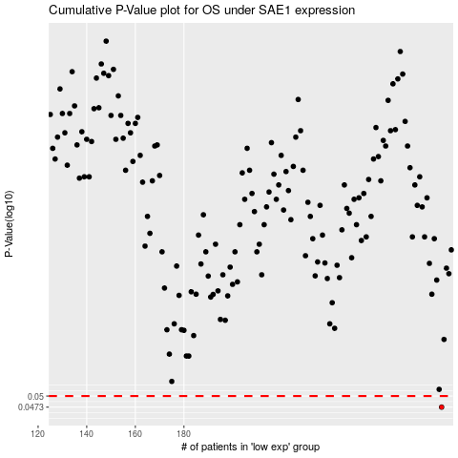

 |  |  |  |  |  | cases_OS | p_OS | rank | exp
 |  |  |  |  |  | 286 | 0.0473 | 261 | 0.35545344093
 |  |  |  |  |  |  | cases_RFS | p_RFS | rank | exp
 |  |  |  |  |  |  | 285 | 0.0473 | 46 | 0.3336839901

