SAFB2 _multivariate
Reported by Tex Li-Hsing Chi. tex@gate.sinica.edu.tw 2019-08-16

Table 2. The clinicopathological features of HNSCC cohort and SAFB2 expression. (Chi square test)
Cutoff at 0.438 (69.8%)
 |  | SAFB2 expression |  | SAFB2 expression |  | (Optimised)
 | Features | Low | (%) | High | (%) | Case no | P-value | Remark | Matthews
Gender | Female | 208 | 50.1 | 98 | 23.6 | 415 | 0.1949 | 0 | 0
2 | Male | 82 | 19.8 | 27 | 6.5
Age at diagnosis | <=65y | 188 | 45.3 | 86 | 20.7 | 415 | 0.5023 | 0 | 0
4 | >65y | 102 | 24.6 | 39 | 9.4
Clinical T Status | T1+T2 | 103 | 24.8 | 46 | 11.1 | 415 | 0.8899 | 0 | 0
6 | T3+T4 | 187 | 45.1 | 79 | 19
Clinical N Status | N0 | 148 | 35.7 | 68 | 16.4 | 415 | 0.6013 | 0 | 0
8 | N1-3 | 142 | 34.2 | 57 | 13.7
Clinical M Status | M0 | 288 | 69.4 | 124 | 29.9 | 415 | 1 | 0 | 0
10 | M1 | 2 | 0.5 | 1 | 0.2
Clinical Stage | Stage I+II | 72 | 17.3 | 30 | 7.2 | 415 | 0.9558 | 0 | 0
12 | Stage III+IV | 218 | 52.5 | 95 | 22.9
Surgical Margin status | Negative | 225 | 54.2 | 93 | 22.4 | 415 | 0.5276 | 0 | 0
14 | Positive | 65 | 15.7 | 32 | 7.7
Tobacco Exposure | Low | 117 | 28.2 | 44 | 10.6 | 415 | 0.3798 | 0 | 0
16 | High | 173 | 41.7 | 81 | 19.5

Table 3. Univariate/Multivariate Cox's proportional hazards regression analyses on OS time of SAFB2 gene expression in HNSCC

 |  | Univariate |  |  |  | Multivariate
 | Features | HR | CI95%(L) | CI95%(H) | P-value | HR | CI95%(L) | CI95%(H) | P-value
1 | Female | 1 |  |  |  | 1
Gender | Male | 1.157 | 0.843 | 1.587 | 0.367 | 1.153 | 0.824 | 1.614 | 0.405
11 | <=65y | 1 |  |  |  | 1
Age at diagnosis | >65y | 1.329 | 0.99 | 1.784 | 0.058 | 1.409 | 1.036 | 1.917 | 0.029
12 | T1+T2 | 1 |  |  |  | 1
Clinical T Status | T3+T4 | 1.409 | 1.028 | 1.931 | 0.033 | 2.221 | 1.174 | 4.201 | 0.014
13 | N0 | 1 |  |  |  | 1
Clinical N Status | N1-3 | 1.185 | 0.89 | 1.577 | 0.246 | 1.211 | 0.848 | 1.728 | 0.292
14 | M0 | 1 |  |  |  | 1
Clinical M Status | M1 | 4.097 | 1.009 | 16.644 | 0.049 | 9.819 | 2.14 | 45.046 | 0.003
15 | Stage I+II | 1 |  |  |  | 1
Clinical Stage | Stage III+IV | 1.245 | 0.882 | 1.759 | 0.213 | 0.507 | 0.236 | 1.088 | 0.081
16 | Negative | 1 |  |  |  | 1
Surgical Margin status | Positive | 1.591 | 1.155 | 2.191 | 0.004 | 1.718 | 1.242 | 2.376 | 0.001
17 | Low | 1 |  |  |  | 1
Tobacco Exposure | High | 1.364 | 1.008 | 1.844 | 0.044 | 1.441 | 1.047 | 1.983 | 0.025
18 | Low | 1 |  |  |  | 1
RNAseq(z-score) | High | 0.721 | 0.52 | 0.999 | 0.049 | 0.7 | 0.503 | 0.974 | 0.034

Table 4. Univariate/Multivariate Cox's proportional hazards regression analyses on RFS time of SAFB2 gene expression in HNSCC

 |  | Univariate |  |  |  | Multivariate
 | Features | HR | CI95%(L) | CI95%(H) | P-value | HR | CI95%(L) | CI95%(H) | P-value
1 | Female | 1 |  |  |  | 1
Gender | Male | 1.157 | 0.843 | 1.587 | 0.367 | 1.153 | 0.824 | 1.614 | 0.405
11 | <=65y | 1 |  |  |  | 1
Age at diagnosis | >65y | 1.329 | 0.99 | 1.784 | 0.058 | 1.409 | 1.036 | 1.917 | 0.029
12 | T1+T2 | 1 |  |  |  | 1
Clinical T Status | T3+T4 | 1.409 | 1.028 | 1.931 | 0.033 | 2.221 | 1.174 | 4.201 | 0.014
13 | N0 | 1 |  |  |  | 1
Clinical N Status | N1-3 | 1.185 | 0.89 | 1.577 | 0.246 | 1.211 | 0.848 | 1.728 | 0.292
14 | M0 | 1 |  |  |  | 1
Clinical M Status | M1 | 4.097 | 1.009 | 16.644 | 0.049 | 9.819 | 2.14 | 45.046 | 0.003
15 | Stage I+II | 1 |  |  |  | 1
Clinical Stage | Stage III+IV | 1.245 | 0.882 | 1.759 | 0.213 | 0.507 | 0.236 | 1.088 | 0.081
16 | Negative | 1 |  |  |  | 1
Surgical Margin status | Positive | 1.591 | 1.155 | 2.191 | 0.004 | 1.718 | 1.242 | 2.376 | 0.001
17 | Low | 1 |  |  |  | 1
Tobacco Exposure | High | 1.364 | 1.008 | 1.844 | 0.044 | 1.441 | 1.047 | 1.983 | 0.025
18 | Low | 1 |  |  |  | 1
RNAseq(z-score) | High | 0.721 | 0.52 | 0.999 | 0.049 | 0.7 | 0.503 | 0.974 | 0.034

Kaplan-Meier survival estimate: Cutoff at 0.438 (69.8%)



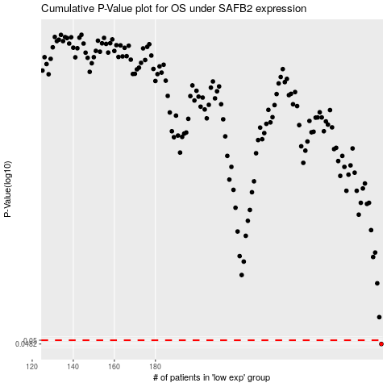

 |  |  |  |  |  | cases_OS | p_OS | rank | exp
 |  |  |  |  |  | 290 | 0.0482 | 277 | 0.43776681763
 |  |  |  |  |  |  | cases_RFS | p_RFS | rank | exp
 |  |  |  |  |  |  | 289 | 0.0482 | 284 | 0.42051220803

