SAMD1 _multivariate
Reported by Tex Li-Hsing Chi. tex@gate.sinica.edu.tw 2019-08-16

Table 2. The clinicopathological features of HNSCC cohort and SAMD1 expression. (Chi square test)
Cutoff at -0.098 (50.0%)
 |  | SAMD1 expression |  | SAMD1 expression |  | (Optimised)
 | Features | Low | (%) | High | (%) | Case no | P-value | Remark | Matthews
Gender | Female | 140 | 33.7 | 166 | 40 | 415 | 0.0068 | 1 | 0
2 | Male | 67 | 16.1 | 42 | 10.1
Age at diagnosis | <=65y | 129 | 31.1 | 145 | 34.9 | 415 | 0.1372 | 0 | 0
4 | >65y | 78 | 18.8 | 63 | 15.2
Clinical T Status | T1+T2 | 79 | 19 | 70 | 16.9 | 415 | 0.3924 | 0 | 0
6 | T3+T4 | 128 | 30.8 | 138 | 33.3
Clinical N Status | N0 | 112 | 27 | 104 | 25.1 | 415 | 0.4599 | 0 | 0
8 | N1-3 | 95 | 22.9 | 104 | 25.1
Clinical M Status | M0 | 206 | 49.6 | 206 | 49.6 | 415 | 1 | 0 | 0
10 | M1 | 1 | 0.2 | 2 | 0.5
Clinical Stage | Stage I+II | 56 | 13.5 | 46 | 11.1 | 415 | 0.2918 | 0 | 0
12 | Stage III+IV | 151 | 36.4 | 162 | 39
Surgical Margin status | Negative | 160 | 38.6 | 158 | 38.1 | 415 | 0.8167 | 0 | 0
14 | Positive | 47 | 11.3 | 50 | 12
Tobacco Exposure | Low | 87 | 21 | 74 | 17.8 | 415 | 0.1911 | 0 | 0
16 | High | 120 | 28.9 | 134 | 32.3

Table 3. Univariate/Multivariate Cox's proportional hazards regression analyses on OS time of SAMD1 gene expression in HNSCC

 |  | Univariate |  |  |  | Multivariate
 | Features | HR | CI95%(L) | CI95%(H) | P-value | HR | CI95%(L) | CI95%(H) | P-value
1 | Female | 1 |  |  |  | 1
Gender | Male | 1.157 | 0.843 | 1.587 | 0.367 | 1.139 | 0.81 | 1.601 | 0.455
11 | <=65y | 1 |  |  |  | 1
Age at diagnosis | >65y | 1.329 | 0.99 | 1.784 | 0.058 | 1.362 | 1.001 | 1.855 | 0.049
12 | T1+T2 | 1 |  |  |  | 1
Clinical T Status | T3+T4 | 1.409 | 1.028 | 1.931 | 0.033 | 2.207 | 1.166 | 4.174 | 0.015
13 | N0 | 1 |  |  |  | 1
Clinical N Status | N1-3 | 1.185 | 0.89 | 1.577 | 0.246 | 1.256 | 0.881 | 1.792 | 0.208
14 | M0 | 1 |  |  |  | 1
Clinical M Status | M1 | 4.097 | 1.009 | 16.644 | 0.049 | 9.883 | 2.154 | 45.335 | 0.003
15 | Stage I+II | 1 |  |  |  | 1
Clinical Stage | Stage III+IV | 1.245 | 0.882 | 1.759 | 0.213 | 0.521 | 0.243 | 1.12 | 0.095
16 | Negative | 1 |  |  |  | 1
Surgical Margin status | Positive | 1.591 | 1.155 | 2.191 | 0.004 | 1.678 | 1.215 | 2.317 | 0.002
17 | Low | 1 |  |  |  | 1
Tobacco Exposure | High | 1.364 | 1.008 | 1.844 | 0.044 | 1.45 | 1.051 | 2 | 0.024
18 | Low | 1 |  |  |  | 1
RNAseq(z-score) | High | 0.795 | 0.596 | 1.061 | 0.119 | 0.774 | 0.573 | 1.046 | 0.095

Table 4. Univariate/Multivariate Cox's proportional hazards regression analyses on RFS time of SAMD1 gene expression in HNSCC

 |  | Univariate |  |  |  | Multivariate
 | Features | HR | CI95%(L) | CI95%(H) | P-value | HR | CI95%(L) | CI95%(H) | P-value
1 | Female | 1 |  |  |  | 1
Gender | Male | 1.157 | 0.843 | 1.587 | 0.367 | 1.139 | 0.81 | 1.601 | 0.455
11 | <=65y | 1 |  |  |  | 1
Age at diagnosis | >65y | 1.329 | 0.99 | 1.784 | 0.058 | 1.362 | 1.001 | 1.855 | 0.049
12 | T1+T2 | 1 |  |  |  | 1
Clinical T Status | T3+T4 | 1.409 | 1.028 | 1.931 | 0.033 | 2.207 | 1.166 | 4.174 | 0.015
13 | N0 | 1 |  |  |  | 1
Clinical N Status | N1-3 | 1.185 | 0.89 | 1.577 | 0.246 | 1.256 | 0.881 | 1.792 | 0.208
14 | M0 | 1 |  |  |  | 1
Clinical M Status | M1 | 4.097 | 1.009 | 16.644 | 0.049 | 9.883 | 2.154 | 45.335 | 0.003
15 | Stage I+II | 1 |  |  |  | 1
Clinical Stage | Stage III+IV | 1.245 | 0.882 | 1.759 | 0.213 | 0.521 | 0.243 | 1.12 | 0.095
16 | Negative | 1 |  |  |  | 1
Surgical Margin status | Positive | 1.591 | 1.155 | 2.191 | 0.004 | 1.678 | 1.215 | 2.317 | 0.002
17 | Low | 1 |  |  |  | 1
Tobacco Exposure | High | 1.364 | 1.008 | 1.844 | 0.044 | 1.45 | 1.051 | 2 | 0.024
18 | Low | 1 |  |  |  | 1
RNAseq(z-score) | High | 0.795 | 0.596 | 1.061 | 0.119 | 0.774 | 0.573 | 1.046 | 0.095

Kaplan-Meier survival estimate: Cutoff at -0.098 (50.0%)

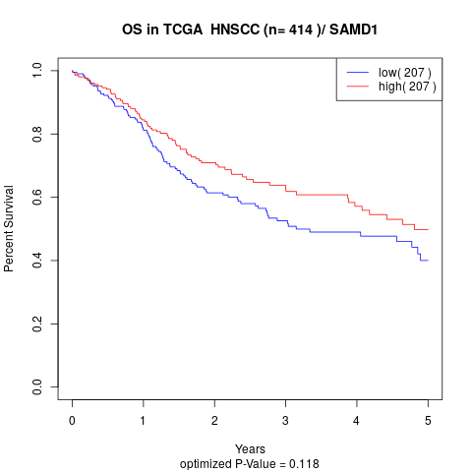

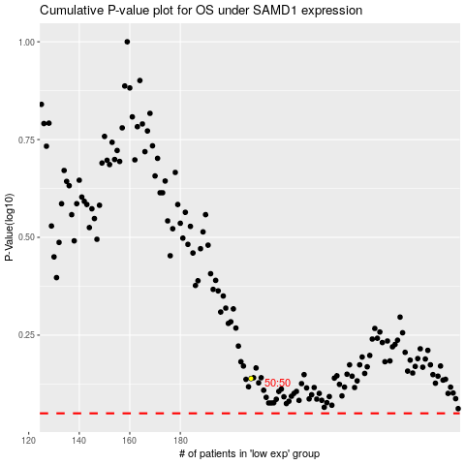

 |  |  |  |  |  | cases_OS | p_OS | rank | exp
 |  |  |  |  |  |  | cases_RFS | p_RFS | rank | exp

