SAMD11 _multivariate
Reported by Tex Li-Hsing Chi. tex@gate.sinica.edu.tw 2019-08-16

Table 2. The clinicopathological features of HNSCC cohort and SAMD11 expression. (Chi square test)
Cutoff at -0.11 (50.0%)
 |  | SAMD11 expression |  | SAMD11 expression |  | (Optimised)
 | Features | Low | (%) | High | (%) | Case no | P-value | Remark | Matthews
Gender | Female | 159 | 38.3 | 147 | 35.4 | 415 | 0.1905 | 0 | 0
2 | Male | 48 | 11.6 | 61 | 14.7
Age at diagnosis | <=65y | 133 | 32 | 141 | 34 | 415 | 0.5111 | 0 | 0
4 | >65y | 74 | 17.8 | 67 | 16.1
Clinical T Status | T1+T2 | 69 | 16.6 | 80 | 19.3 | 415 | 0.3239 | 0 | 0
6 | T3+T4 | 138 | 33.3 | 128 | 30.8
Clinical N Status | N0 | 109 | 26.3 | 107 | 25.8 | 415 | 0.8812 | 0 | 0
8 | N1-3 | 98 | 23.6 | 101 | 24.3
Clinical M Status | M0 | 204 | 49.2 | 208 | 50.1 | 415 | 0.1232 | 0 | 0
10 | M1 | 3 | 0.7 | 0 | 0
Clinical Stage | Stage I+II | 44 | 10.6 | 58 | 14 | 415 | 0.1459 | 0 | 0
12 | Stage III+IV | 163 | 39.3 | 150 | 36.1
Surgical Margin status | Negative | 156 | 37.6 | 162 | 39 | 415 | 0.5636 | 0 | 0
14 | Positive | 51 | 12.3 | 46 | 11.1
Tobacco Exposure | Low | 76 | 18.3 | 85 | 20.5 | 415 | 0.4207 | 0 | 0
16 | High | 131 | 31.6 | 123 | 29.6

Table 3. Univariate/Multivariate Cox's proportional hazards regression analyses on OS time of SAMD11 gene expression in HNSCC

 |  | Univariate |  |  |  | Multivariate
 | Features | HR | CI95%(L) | CI95%(H) | P-value | HR | CI95%(L) | CI95%(H) | P-value
1 | Female | 1 |  |  |  | 1
Gender | Male | 1.157 | 0.843 | 1.587 | 0.367 | 1.214 | 0.869 | 1.697 | 0.256
11 | <=65y | 1 |  |  |  | 1
Age at diagnosis | >65y | 1.329 | 0.99 | 1.784 | 0.058 | 1.374 | 1.01 | 1.868 | 0.043
12 | T1+T2 | 1 |  |  |  | 1
Clinical T Status | T3+T4 | 1.409 | 1.028 | 1.931 | 0.033 | 2.302 | 1.213 | 4.367 | 0.011
13 | N0 | 1 |  |  |  | 1
Clinical N Status | N1-3 | 1.185 | 0.89 | 1.577 | 0.246 | 1.293 | 0.902 | 1.853 | 0.161
14 | M0 | 1 |  |  |  | 1
Clinical M Status | M1 | 4.097 | 1.009 | 16.644 | 0.049 | 8.755 | 1.903 | 40.271 | 0.005
15 | Stage I+II | 1 |  |  |  | 1
Clinical Stage | Stage III+IV | 1.245 | 0.882 | 1.759 | 0.213 | 0.468 | 0.216 | 1.011 | 0.053
16 | Negative | 1 |  |  |  | 1
Surgical Margin status | Positive | 1.591 | 1.155 | 2.191 | 0.004 | 1.714 | 1.237 | 2.374 | 0.001
17 | Low | 1 |  |  |  | 1
Tobacco Exposure | High | 1.364 | 1.008 | 1.844 | 0.044 | 1.443 | 1.047 | 1.989 | 0.025
18 | Low | 1 |  |  |  | 1
RNAseq(z-score) | High | 0.83 | 0.621 | 1.108 | 0.206 | 0.806 | 0.598 | 1.087 | 0.158

Table 4. Univariate/Multivariate Cox's proportional hazards regression analyses on RFS time of SAMD11 gene expression in HNSCC

 |  | Univariate |  |  |  | Multivariate
 | Features | HR | CI95%(L) | CI95%(H) | P-value | HR | CI95%(L) | CI95%(H) | P-value
1 | Female | 1 |  |  |  | 1
Gender | Male | 1.157 | 0.843 | 1.587 | 0.367 | 1.214 | 0.869 | 1.697 | 0.256
11 | <=65y | 1 |  |  |  | 1
Age at diagnosis | >65y | 1.329 | 0.99 | 1.784 | 0.058 | 1.374 | 1.01 | 1.868 | 0.043
12 | T1+T2 | 1 |  |  |  | 1
Clinical T Status | T3+T4 | 1.409 | 1.028 | 1.931 | 0.033 | 2.302 | 1.213 | 4.367 | 0.011
13 | N0 | 1 |  |  |  | 1
Clinical N Status | N1-3 | 1.185 | 0.89 | 1.577 | 0.246 | 1.293 | 0.902 | 1.853 | 0.161
14 | M0 | 1 |  |  |  | 1
Clinical M Status | M1 | 4.097 | 1.009 | 16.644 | 0.049 | 8.755 | 1.903 | 40.271 | 0.005
15 | Stage I+II | 1 |  |  |  | 1
Clinical Stage | Stage III+IV | 1.245 | 0.882 | 1.759 | 0.213 | 0.468 | 0.216 | 1.011 | 0.053
16 | Negative | 1 |  |  |  | 1
Surgical Margin status | Positive | 1.591 | 1.155 | 2.191 | 0.004 | 1.714 | 1.237 | 2.374 | 0.001
17 | Low | 1 |  |  |  | 1
Tobacco Exposure | High | 1.364 | 1.008 | 1.844 | 0.044 | 1.443 | 1.047 | 1.989 | 0.025
18 | Low | 1 |  |  |  | 1
RNAseq(z-score) | High | 0.83 | 0.621 | 1.108 | 0.206 | 0.806 | 0.598 | 1.087 | 0.158

Kaplan-Meier survival estimate: Cutoff at -0.11 (50.0%)



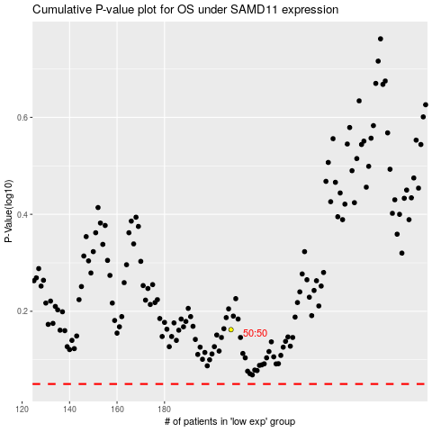

 |  |  |  |  |  | cases_OS | p_OS | rank | exp
 |  |  |  |  |  |  | cases_RFS | p_RFS | rank | exp

