SAMD12 _multivariate
Reported by Tex Li-Hsing Chi. tex@gate.sinica.edu.tw 2019-08-16

Table 2. The clinicopathological features of HNSCC cohort and SAMD12 expression. (Chi square test)
Cutoff at -0.452 (50.0%)
 |  | SAMD12 expression |  | SAMD12 expression |  | (Optimised)
 | Features | Low | (%) | High | (%) | Case no | P-value | Remark | Matthews
Gender | Female | 148 | 35.7 | 158 | 38.1 | 415 | 0.3567 | 0 | 0
2 | Male | 59 | 14.2 | 50 | 12
Age at diagnosis | <=65y | 138 | 33.3 | 136 | 32.8 | 415 | 0.8634 | 0 | 0
4 | >65y | 69 | 16.6 | 72 | 17.3
Clinical T Status | T1+T2 | 80 | 19.3 | 69 | 16.6 | 415 | 0.2891 | 0 | 0
6 | T3+T4 | 127 | 30.6 | 139 | 33.5
Clinical N Status | N0 | 103 | 24.8 | 113 | 27.2 | 415 | 0.4047 | 0 | 0
8 | N1-3 | 104 | 25.1 | 95 | 22.9
Clinical M Status | M0 | 205 | 49.4 | 207 | 49.9 | 415 | 0.6232 | 0 | 0
10 | M1 | 2 | 0.5 | 1 | 0.2
Clinical Stage | Stage I+II | 58 | 14 | 44 | 10.6 | 415 | 0.131 | 0 | 0
12 | Stage III+IV | 149 | 35.9 | 164 | 39.5
Surgical Margin status | Negative | 155 | 37.3 | 163 | 39.3 | 415 | 0.4187 | 0 | 0
14 | Positive | 52 | 12.5 | 45 | 10.8
Tobacco Exposure | Low | 102 | 24.6 | 59 | 14.2 | 415 | 0 | 1 | 0
16 | High | 105 | 25.3 | 149 | 35.9

Table 3. Univariate/Multivariate Cox's proportional hazards regression analyses on OS time of SAMD12 gene expression in HNSCC

 |  | Univariate |  |  |  | Multivariate
 | Features | HR | CI95%(L) | CI95%(H) | P-value | HR | CI95%(L) | CI95%(H) | P-value
1 | Female | 1 |  |  |  | 1
Gender | Male | 1.157 | 0.843 | 1.587 | 0.367 | 1.188 | 0.849 | 1.662 | 0.314
11 | <=65y | 1 |  |  |  | 1
Age at diagnosis | >65y | 1.329 | 0.99 | 1.784 | 0.058 | 1.395 | 1.026 | 1.897 | 0.034
12 | T1+T2 | 1 |  |  |  | 1
Clinical T Status | T3+T4 | 1.409 | 1.028 | 1.931 | 0.033 | 2.131 | 1.125 | 4.036 | 0.02
13 | N0 | 1 |  |  |  | 1
Clinical N Status | N1-3 | 1.185 | 0.89 | 1.577 | 0.246 | 1.213 | 0.848 | 1.733 | 0.29
14 | M0 | 1 |  |  |  | 1
Clinical M Status | M1 | 4.097 | 1.009 | 16.644 | 0.049 | 8.602 | 1.865 | 39.682 | 0.006
15 | Stage I+II | 1 |  |  |  | 1
Clinical Stage | Stage III+IV | 1.245 | 0.882 | 1.759 | 0.213 | 0.549 | 0.253 | 1.192 | 0.13
16 | Negative | 1 |  |  |  | 1
Surgical Margin status | Positive | 1.591 | 1.155 | 2.191 | 0.004 | 1.634 | 1.181 | 2.261 | 0.003
17 | Low | 1 |  |  |  | 1
Tobacco Exposure | High | 1.364 | 1.008 | 1.844 | 0.044 | 1.531 | 1.098 | 2.135 | 0.012
18 | Low | 1 |  |  |  | 1
RNAseq(z-score) | High | 0.859 | 0.644 | 1.145 | 0.299 | 0.824 | 0.604 | 1.124 | 0.221

Table 4. Univariate/Multivariate Cox's proportional hazards regression analyses on RFS time of SAMD12 gene expression in HNSCC

 |  | Univariate |  |  |  | Multivariate
 | Features | HR | CI95%(L) | CI95%(H) | P-value | HR | CI95%(L) | CI95%(H) | P-value
1 | Female | 1 |  |  |  | 1
Gender | Male | 1.157 | 0.843 | 1.587 | 0.367 | 1.188 | 0.849 | 1.662 | 0.314
11 | <=65y | 1 |  |  |  | 1
Age at diagnosis | >65y | 1.329 | 0.99 | 1.784 | 0.058 | 1.395 | 1.026 | 1.897 | 0.034
12 | T1+T2 | 1 |  |  |  | 1
Clinical T Status | T3+T4 | 1.409 | 1.028 | 1.931 | 0.033 | 2.131 | 1.125 | 4.036 | 0.02
13 | N0 | 1 |  |  |  | 1
Clinical N Status | N1-3 | 1.185 | 0.89 | 1.577 | 0.246 | 1.213 | 0.848 | 1.733 | 0.29
14 | M0 | 1 |  |  |  | 1
Clinical M Status | M1 | 4.097 | 1.009 | 16.644 | 0.049 | 8.602 | 1.865 | 39.682 | 0.006
15 | Stage I+II | 1 |  |  |  | 1
Clinical Stage | Stage III+IV | 1.245 | 0.882 | 1.759 | 0.213 | 0.549 | 0.253 | 1.192 | 0.13
16 | Negative | 1 |  |  |  | 1
Surgical Margin status | Positive | 1.591 | 1.155 | 2.191 | 0.004 | 1.634 | 1.181 | 2.261 | 0.003
17 | Low | 1 |  |  |  | 1
Tobacco Exposure | High | 1.364 | 1.008 | 1.844 | 0.044 | 1.531 | 1.098 | 2.135 | 0.012
18 | Low | 1 |  |  |  | 1
RNAseq(z-score) | High | 0.859 | 0.644 | 1.145 | 0.299 | 0.824 | 0.604 | 1.124 | 0.221

Kaplan-Meier survival estimate: Cutoff at -0.452 (50.0%)



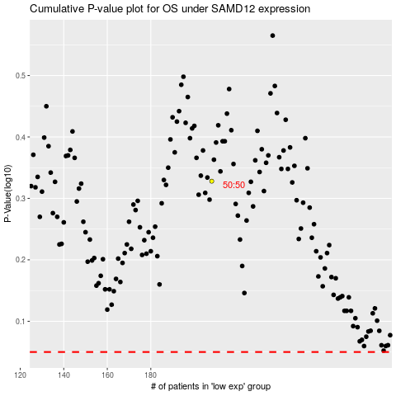

 |  |  |  |  |  | cases_OS | p_OS | rank | exp
 |  |  |  |  |  |  | cases_RFS | p_RFS | rank | exp

