SAMD13 _multivariate
Reported by Tex Li-Hsing Chi. tex@gate.sinica.edu.tw 2019-08-16

Table 2. The clinicopathological features of HNSCC cohort and SAMD13 expression. (Chi square test)
Cutoff at -0.277 (49.8%)
 |  | SAMD13 expression |  | SAMD13 expression |  | (Optimised)
 | Features | Low | (%) | High | (%) | Case no | P-value | Remark | Matthews
Gender | Female | 149 | 35.9 | 157 | 37.8 | 415 | 0.4848 | 0 | 0
2 | Male | 58 | 14 | 51 | 12.3
Age at diagnosis | <=65y | 140 | 33.7 | 134 | 32.3 | 415 | 0.5574 | 0 | 0
4 | >65y | 67 | 16.1 | 74 | 17.8
Clinical T Status | T1+T2 | 59 | 14.2 | 90 | 21.7 | 415 | 0.0024 | 1 | 0
6 | T3+T4 | 148 | 35.7 | 118 | 28.4
Clinical N Status | N0 | 111 | 26.7 | 105 | 25.3 | 415 | 0.5875 | 0 | 0
8 | N1-3 | 96 | 23.1 | 103 | 24.8
Clinical M Status | M0 | 206 | 49.6 | 206 | 49.6 | 415 | 1 | 0 | 0
10 | M1 | 1 | 0.2 | 2 | 0.5
Clinical Stage | Stage I+II | 43 | 10.4 | 59 | 14.2 | 415 | 0.0925 | 0 | 0
12 | Stage III+IV | 164 | 39.5 | 149 | 35.9
Surgical Margin status | Negative | 165 | 39.8 | 153 | 36.9 | 415 | 0.1639 | 0 | 0
14 | Positive | 42 | 10.1 | 55 | 13.3
Tobacco Exposure | Low | 74 | 17.8 | 87 | 21 | 415 | 0.227 | 0 | 0
16 | High | 133 | 32 | 121 | 29.2

Table 3. Univariate/Multivariate Cox's proportional hazards regression analyses on OS time of SAMD13 gene expression in HNSCC

 |  | Univariate |  |  |  | Multivariate
 | Features | HR | CI95%(L) | CI95%(H) | P-value | HR | CI95%(L) | CI95%(H) | P-value
1 | Female | 1 |  |  |  | 1
Gender | Male | 1.157 | 0.843 | 1.587 | 0.367 | 1.198 | 0.857 | 1.673 | 0.29
11 | <=65y | 1 |  |  |  | 1
Age at diagnosis | >65y | 1.329 | 0.99 | 1.784 | 0.058 | 1.403 | 1.031 | 1.909 | 0.031
12 | T1+T2 | 1 |  |  |  | 1
Clinical T Status | T3+T4 | 1.409 | 1.028 | 1.931 | 0.033 | 2.161 | 1.14 | 4.095 | 0.018
13 | N0 | 1 |  |  |  | 1
Clinical N Status | N1-3 | 1.185 | 0.89 | 1.577 | 0.246 | 1.247 | 0.874 | 1.78 | 0.223
14 | M0 | 1 |  |  |  | 1
Clinical M Status | M1 | 4.097 | 1.009 | 16.644 | 0.049 | 9.347 | 2.039 | 42.851 | 0.004
15 | Stage I+II | 1 |  |  |  | 1
Clinical Stage | Stage III+IV | 1.245 | 0.882 | 1.759 | 0.213 | 0.508 | 0.237 | 1.091 | 0.082
16 | Negative | 1 |  |  |  | 1
Surgical Margin status | Positive | 1.591 | 1.155 | 2.191 | 0.004 | 1.685 | 1.218 | 2.33 | 0.002
17 | Low | 1 |  |  |  | 1
Tobacco Exposure | High | 1.364 | 1.008 | 1.844 | 0.044 | 1.452 | 1.054 | 2.003 | 0.023
18 | Low | 1 |  |  |  | 1
RNAseq(z-score) | High | 0.908 | 0.68 | 1.212 | 0.513 | 0.906 | 0.676 | 1.215 | 0.51

Table 4. Univariate/Multivariate Cox's proportional hazards regression analyses on RFS time of SAMD13 gene expression in HNSCC

 |  | Univariate |  |  |  | Multivariate
 | Features | HR | CI95%(L) | CI95%(H) | P-value | HR | CI95%(L) | CI95%(H) | P-value
1 | Female | 1 |  |  |  | 1
Gender | Male | 1.157 | 0.843 | 1.587 | 0.367 | 1.198 | 0.857 | 1.673 | 0.29
11 | <=65y | 1 |  |  |  | 1
Age at diagnosis | >65y | 1.329 | 0.99 | 1.784 | 0.058 | 1.403 | 1.031 | 1.909 | 0.031
12 | T1+T2 | 1 |  |  |  | 1
Clinical T Status | T3+T4 | 1.409 | 1.028 | 1.931 | 0.033 | 2.161 | 1.14 | 4.095 | 0.018
13 | N0 | 1 |  |  |  | 1
Clinical N Status | N1-3 | 1.185 | 0.89 | 1.577 | 0.246 | 1.247 | 0.874 | 1.78 | 0.223
14 | M0 | 1 |  |  |  | 1
Clinical M Status | M1 | 4.097 | 1.009 | 16.644 | 0.049 | 9.347 | 2.039 | 42.851 | 0.004
15 | Stage I+II | 1 |  |  |  | 1
Clinical Stage | Stage III+IV | 1.245 | 0.882 | 1.759 | 0.213 | 0.508 | 0.237 | 1.091 | 0.082
16 | Negative | 1 |  |  |  | 1
Surgical Margin status | Positive | 1.591 | 1.155 | 2.191 | 0.004 | 1.685 | 1.218 | 2.33 | 0.002
17 | Low | 1 |  |  |  | 1
Tobacco Exposure | High | 1.364 | 1.008 | 1.844 | 0.044 | 1.452 | 1.054 | 2.003 | 0.023
18 | Low | 1 |  |  |  | 1
RNAseq(z-score) | High | 0.908 | 0.68 | 1.212 | 0.513 | 0.906 | 0.676 | 1.215 | 0.51

Kaplan-Meier survival estimate: Cutoff at -0.277 (49.8%)



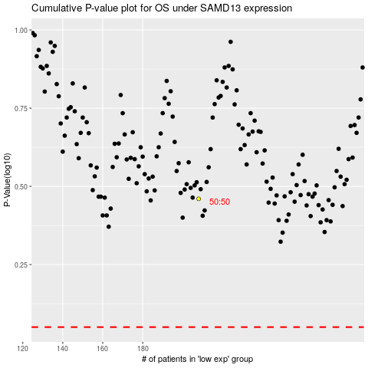

 |  |  |  |  |  | cases_OS | p_OS | rank | exp
 |  |  |  |  |  |  | cases_RFS | p_RFS | rank | exp

