SAMD4B _multivariate
Reported by Tex Li-Hsing Chi. tex@gate.sinica.edu.tw 2019-08-16

Table 2. The clinicopathological features of HNSCC cohort and SAMD4B expression. (Chi square test)
Cutoff at 0.02 (50.0%)
 |  | SAMD4B expression |  | SAMD4B expression |  | (Optimised)
 | Features | Low | (%) | High | (%) | Case no | P-value | Remark | Matthews
Gender | Female | 152 | 36.6 | 154 | 37.1 | 415 | 0.9766 | 0 | 0
2 | Male | 55 | 13.3 | 54 | 13
Age at diagnosis | <=65y | 141 | 34 | 133 | 32 | 415 | 0.4272 | 0 | 0
4 | >65y | 66 | 15.9 | 75 | 18.1
Clinical T Status | T1+T2 | 85 | 20.5 | 64 | 15.4 | 415 | 0.0372 | 1 | 0
6 | T3+T4 | 122 | 29.4 | 144 | 34.7
Clinical N Status | N0 | 112 | 27 | 104 | 25.1 | 415 | 0.4599 | 0 | 0
8 | N1-3 | 95 | 22.9 | 104 | 25.1
Clinical M Status | M0 | 205 | 49.4 | 207 | 49.9 | 415 | 0.6232 | 0 | 0
10 | M1 | 2 | 0.5 | 1 | 0.2
Clinical Stage | Stage I+II | 56 | 13.5 | 46 | 11.1 | 415 | 0.2918 | 0 | 0
12 | Stage III+IV | 151 | 36.4 | 162 | 39
Surgical Margin status | Negative | 146 | 35.2 | 172 | 41.4 | 415 | 0.0037 | 1 | 0
14 | Positive | 61 | 14.7 | 36 | 8.7
Tobacco Exposure | Low | 83 | 20 | 78 | 18.8 | 415 | 0.6152 | 0 | 0
16 | High | 124 | 29.9 | 130 | 31.3

Table 3. Univariate/Multivariate Cox's proportional hazards regression analyses on OS time of SAMD4B gene expression in HNSCC

 |  | Univariate |  |  |  | Multivariate
 | Features | HR | CI95%(L) | CI95%(H) | P-value | HR | CI95%(L) | CI95%(H) | P-value
1 | Female | 1 |  |  |  | 1
Gender | Male | 1.157 | 0.843 | 1.587 | 0.367 | 1.226 | 0.877 | 1.714 | 0.234
11 | <=65y | 1 |  |  |  | 1
Age at diagnosis | >65y | 1.329 | 0.99 | 1.784 | 0.058 | 1.385 | 1.018 | 1.884 | 0.038
12 | T1+T2 | 1 |  |  |  | 1
Clinical T Status | T3+T4 | 1.409 | 1.028 | 1.931 | 0.033 | 2.139 | 1.13 | 4.048 | 0.019
13 | N0 | 1 |  |  |  | 1
Clinical N Status | N1-3 | 1.185 | 0.89 | 1.577 | 0.246 | 1.222 | 0.856 | 1.745 | 0.27
14 | M0 | 1 |  |  |  | 1
Clinical M Status | M1 | 4.097 | 1.009 | 16.644 | 0.049 | 9.599 | 2.093 | 44.019 | 0.004
15 | Stage I+II | 1 |  |  |  | 1
Clinical Stage | Stage III+IV | 1.245 | 0.882 | 1.759 | 0.213 | 0.508 | 0.237 | 1.091 | 0.082
16 | Negative | 1 |  |  |  | 1
Surgical Margin status | Positive | 1.591 | 1.155 | 2.191 | 0.004 | 1.747 | 1.257 | 2.428 | 0.001
17 | Low | 1 |  |  |  | 1
Tobacco Exposure | High | 1.364 | 1.008 | 1.844 | 0.044 | 1.464 | 1.062 | 2.018 | 0.02
18 | Low | 1 |  |  |  | 1
RNAseq(z-score) | High | 1.201 | 0.899 | 1.605 | 0.215 | 1.246 | 0.924 | 1.681 | 0.15

Table 4. Univariate/Multivariate Cox's proportional hazards regression analyses on RFS time of SAMD4B gene expression in HNSCC

 |  | Univariate |  |  |  | Multivariate
 | Features | HR | CI95%(L) | CI95%(H) | P-value | HR | CI95%(L) | CI95%(H) | P-value
1 | Female | 1 |  |  |  | 1
Gender | Male | 1.157 | 0.843 | 1.587 | 0.367 | 1.226 | 0.877 | 1.714 | 0.234
11 | <=65y | 1 |  |  |  | 1
Age at diagnosis | >65y | 1.329 | 0.99 | 1.784 | 0.058 | 1.385 | 1.018 | 1.884 | 0.038
12 | T1+T2 | 1 |  |  |  | 1
Clinical T Status | T3+T4 | 1.409 | 1.028 | 1.931 | 0.033 | 2.139 | 1.13 | 4.048 | 0.019
13 | N0 | 1 |  |  |  | 1
Clinical N Status | N1-3 | 1.185 | 0.89 | 1.577 | 0.246 | 1.222 | 0.856 | 1.745 | 0.27
14 | M0 | 1 |  |  |  | 1
Clinical M Status | M1 | 4.097 | 1.009 | 16.644 | 0.049 | 9.599 | 2.093 | 44.019 | 0.004
15 | Stage I+II | 1 |  |  |  | 1
Clinical Stage | Stage III+IV | 1.245 | 0.882 | 1.759 | 0.213 | 0.508 | 0.237 | 1.091 | 0.082
16 | Negative | 1 |  |  |  | 1
Surgical Margin status | Positive | 1.591 | 1.155 | 2.191 | 0.004 | 1.747 | 1.257 | 2.428 | 0.001
17 | Low | 1 |  |  |  | 1
Tobacco Exposure | High | 1.364 | 1.008 | 1.844 | 0.044 | 1.464 | 1.062 | 2.018 | 0.02
18 | Low | 1 |  |  |  | 1
RNAseq(z-score) | High | 1.201 | 0.899 | 1.605 | 0.215 | 1.246 | 0.924 | 1.681 | 0.15

Kaplan-Meier survival estimate: Cutoff at 0.02 (50.0%)



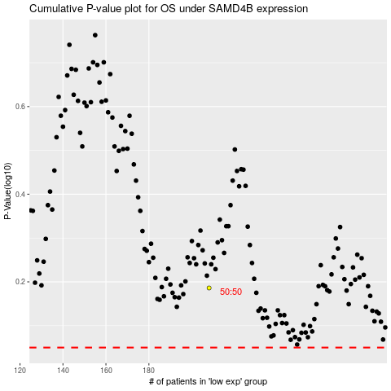

 |  |  |  |  |  | cases_OS | p_OS | rank | exp
 |  |  |  |  |  |  | cases_RFS | p_RFS | rank | exp

