SAMD5 _multivariate
Reported by Tex Li-Hsing Chi. tex@gate.sinica.edu.tw 2019-08-16

Table 2. The clinicopathological features of HNSCC cohort and SAMD5 expression. (Chi square test)
Cutoff at -0.361 (49.8%)
 |  | SAMD5 expression |  | SAMD5 expression |  | (Optimised)
 | Features | Low | (%) | High | (%) | Case no | P-value | Remark | Matthews
Gender | Female | 148 | 35.7 | 158 | 38.1 | 415 | 0.3567 | 0 | 0
2 | Male | 59 | 14.2 | 50 | 12
Age at diagnosis | <=65y | 143 | 34.5 | 131 | 31.6 | 415 | 0.2269 | 0 | 0
4 | >65y | 64 | 15.4 | 77 | 18.6
Clinical T Status | T1+T2 | 72 | 17.3 | 77 | 18.6 | 415 | 0.7095 | 0 | 0
6 | T3+T4 | 135 | 32.5 | 131 | 31.6
Clinical N Status | N0 | 96 | 23.1 | 120 | 28.9 | 415 | 0.0272 | 1 | 0
8 | N1-3 | 111 | 26.7 | 88 | 21.2
Clinical M Status | M0 | 206 | 49.6 | 206 | 49.6 | 415 | 1 | 0 | 0
10 | M1 | 1 | 0.2 | 2 | 0.5
Clinical Stage | Stage I+II | 47 | 11.3 | 55 | 13.3 | 415 | 0.4413 | 0 | 0
12 | Stage III+IV | 160 | 38.6 | 153 | 36.9
Surgical Margin status | Negative | 152 | 36.6 | 166 | 40 | 415 | 0.1329 | 0 | 0
14 | Positive | 55 | 13.3 | 42 | 10.1
Tobacco Exposure | Low | 85 | 20.5 | 76 | 18.3 | 415 | 0.3655 | 0 | 0
16 | High | 122 | 29.4 | 132 | 31.8

Table 3. Univariate/Multivariate Cox's proportional hazards regression analyses on OS time of SAMD5 gene expression in HNSCC

 |  | Univariate |  |  |  | Multivariate
 | Features | HR | CI95%(L) | CI95%(H) | P-value | HR | CI95%(L) | CI95%(H) | P-value
1 | Female | 1 |  |  |  | 1
Gender | Male | 1.157 | 0.843 | 1.587 | 0.367 | 1.193 | 0.854 | 1.666 | 0.302
11 | <=65y | 1 |  |  |  | 1
Age at diagnosis | >65y | 1.329 | 0.99 | 1.784 | 0.058 | 1.412 | 1.037 | 1.924 | 0.029
12 | T1+T2 | 1 |  |  |  | 1
Clinical T Status | T3+T4 | 1.409 | 1.028 | 1.931 | 0.033 | 2.187 | 1.156 | 4.139 | 0.016
13 | N0 | 1 |  |  |  | 1
Clinical N Status | N1-3 | 1.185 | 0.89 | 1.577 | 0.246 | 1.224 | 0.857 | 1.749 | 0.267
14 | M0 | 1 |  |  |  | 1
Clinical M Status | M1 | 4.097 | 1.009 | 16.644 | 0.049 | 9.569 | 2.086 | 43.899 | 0.004
15 | Stage I+II | 1 |  |  |  | 1
Clinical Stage | Stage III+IV | 1.245 | 0.882 | 1.759 | 0.213 | 0.506 | 0.236 | 1.086 | 0.08
16 | Negative | 1 |  |  |  | 1
Surgical Margin status | Positive | 1.591 | 1.155 | 2.191 | 0.004 | 1.666 | 1.205 | 2.303 | 0.002
17 | Low | 1 |  |  |  | 1
Tobacco Exposure | High | 1.364 | 1.008 | 1.844 | 0.044 | 1.472 | 1.066 | 2.032 | 0.019
18 | Low | 1 |  |  |  | 1
RNAseq(z-score) | High | 0.891 | 0.669 | 1.186 | 0.428 | 0.885 | 0.661 | 1.185 | 0.413

Table 4. Univariate/Multivariate Cox's proportional hazards regression analyses on RFS time of SAMD5 gene expression in HNSCC

 |  | Univariate |  |  |  | Multivariate
 | Features | HR | CI95%(L) | CI95%(H) | P-value | HR | CI95%(L) | CI95%(H) | P-value
1 | Female | 1 |  |  |  | 1
Gender | Male | 1.157 | 0.843 | 1.587 | 0.367 | 1.193 | 0.854 | 1.666 | 0.302
11 | <=65y | 1 |  |  |  | 1
Age at diagnosis | >65y | 1.329 | 0.99 | 1.784 | 0.058 | 1.412 | 1.037 | 1.924 | 0.029
12 | T1+T2 | 1 |  |  |  | 1
Clinical T Status | T3+T4 | 1.409 | 1.028 | 1.931 | 0.033 | 2.187 | 1.156 | 4.139 | 0.016
13 | N0 | 1 |  |  |  | 1
Clinical N Status | N1-3 | 1.185 | 0.89 | 1.577 | 0.246 | 1.224 | 0.857 | 1.749 | 0.267
14 | M0 | 1 |  |  |  | 1
Clinical M Status | M1 | 4.097 | 1.009 | 16.644 | 0.049 | 9.569 | 2.086 | 43.899 | 0.004
15 | Stage I+II | 1 |  |  |  | 1
Clinical Stage | Stage III+IV | 1.245 | 0.882 | 1.759 | 0.213 | 0.506 | 0.236 | 1.086 | 0.08
16 | Negative | 1 |  |  |  | 1
Surgical Margin status | Positive | 1.591 | 1.155 | 2.191 | 0.004 | 1.666 | 1.205 | 2.303 | 0.002
17 | Low | 1 |  |  |  | 1
Tobacco Exposure | High | 1.364 | 1.008 | 1.844 | 0.044 | 1.472 | 1.066 | 2.032 | 0.019
18 | Low | 1 |  |  |  | 1
RNAseq(z-score) | High | 0.891 | 0.669 | 1.186 | 0.428 | 0.885 | 0.661 | 1.185 | 0.413

Kaplan-Meier survival estimate: Cutoff at -0.361 (49.8%)



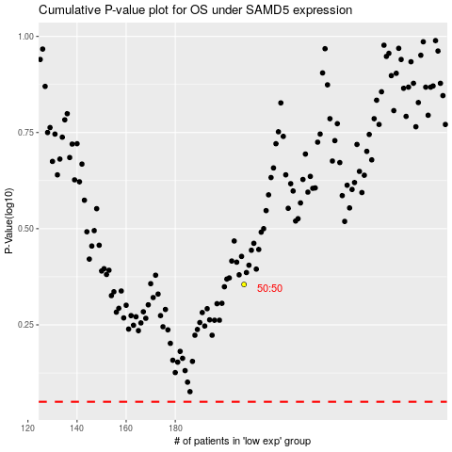

 |  |  |  |  |  | cases_OS | p_OS | rank | exp
 |  |  |  |  |  |  | cases_RFS | p_RFS | rank | exp

