SAMD9 _multivariate
Reported by Tex Li-Hsing Chi. tex@gate.sinica.edu.tw 2019-08-16

Table 2. The clinicopathological features of HNSCC cohort and SAMD9 expression. (Chi square test)
Cutoff at -0.216 (50.0%)
 |  | SAMD9 expression |  | SAMD9 expression |  | (Optimised)
 | Features | Low | (%) | High | (%) | Case no | P-value | Remark | Matthews
Gender | Female | 168 | 40.5 | 138 | 33.3 | 415 | 9e-04 | 1 | 0
2 | Male | 39 | 9.4 | 70 | 16.9
Age at diagnosis | <=65y | 144 | 34.7 | 130 | 31.3 | 415 | 0.1568 | 0 | 0
4 | >65y | 63 | 15.2 | 78 | 18.8
Clinical T Status | T1+T2 | 70 | 16.9 | 79 | 19 | 415 | 0.4343 | 0 | 0
6 | T3+T4 | 137 | 33 | 129 | 31.1
Clinical N Status | N0 | 100 | 24.1 | 116 | 28 | 415 | 0.1548 | 0 | 0
8 | N1-3 | 107 | 25.8 | 92 | 22.2
Clinical M Status | M0 | 207 | 49.9 | 205 | 49.4 | 415 | 0.2482 | 0 | 0
10 | M1 | 0 | 0 | 3 | 0.7
Clinical Stage | Stage I+II | 42 | 10.1 | 60 | 14.5 | 415 | 0.0561 | 0 | 0
12 | Stage III+IV | 165 | 39.8 | 148 | 35.7
Surgical Margin status | Negative | 149 | 35.9 | 169 | 40.7 | 415 | 0.0278 | 1 | 0
14 | Positive | 58 | 14 | 39 | 9.4
Tobacco Exposure | Low | 67 | 16.1 | 94 | 22.7 | 415 | 0.0088 | 1 | 0
16 | High | 140 | 33.7 | 114 | 27.5

Table 3. Univariate/Multivariate Cox's proportional hazards regression analyses on OS time of SAMD9 gene expression in HNSCC

 |  | Univariate |  |  |  | Multivariate
 | Features | HR | CI95%(L) | CI95%(H) | P-value | HR | CI95%(L) | CI95%(H) | P-value
1 | Female | 1 |  |  |  | 1
Gender | Male | 1.157 | 0.843 | 1.587 | 0.367 | 1.191 | 0.849 | 1.67 | 0.311
11 | <=65y | 1 |  |  |  | 1
Age at diagnosis | >65y | 1.329 | 0.99 | 1.784 | 0.058 | 1.389 | 1.021 | 1.889 | 0.036
12 | T1+T2 | 1 |  |  |  | 1
Clinical T Status | T3+T4 | 1.409 | 1.028 | 1.931 | 0.033 | 2.192 | 1.159 | 4.148 | 0.016
13 | N0 | 1 |  |  |  | 1
Clinical N Status | N1-3 | 1.185 | 0.89 | 1.577 | 0.246 | 1.245 | 0.872 | 1.776 | 0.228
14 | M0 | 1 |  |  |  | 1
Clinical M Status | M1 | 4.097 | 1.009 | 16.644 | 0.049 | 9.085 | 1.957 | 42.17 | 0.005
15 | Stage I+II | 1 |  |  |  | 1
Clinical Stage | Stage III+IV | 1.245 | 0.882 | 1.759 | 0.213 | 0.509 | 0.237 | 1.095 | 0.084
16 | Negative | 1 |  |  |  | 1
Surgical Margin status | Positive | 1.591 | 1.155 | 2.191 | 0.004 | 1.677 | 1.213 | 2.319 | 0.002
17 | Low | 1 |  |  |  | 1
Tobacco Exposure | High | 1.364 | 1.008 | 1.844 | 0.044 | 1.457 | 1.057 | 2.008 | 0.022
18 | Low | 1 |  |  |  | 1
RNAseq(z-score) | High | 1.052 | 0.789 | 1.403 | 0.729 | 1.054 | 0.782 | 1.42 | 0.731

Table 4. Univariate/Multivariate Cox's proportional hazards regression analyses on RFS time of SAMD9 gene expression in HNSCC

 |  | Univariate |  |  |  | Multivariate
 | Features | HR | CI95%(L) | CI95%(H) | P-value | HR | CI95%(L) | CI95%(H) | P-value
1 | Female | 1 |  |  |  | 1
Gender | Male | 1.157 | 0.843 | 1.587 | 0.367 | 1.191 | 0.849 | 1.67 | 0.311
11 | <=65y | 1 |  |  |  | 1
Age at diagnosis | >65y | 1.329 | 0.99 | 1.784 | 0.058 | 1.389 | 1.021 | 1.889 | 0.036
12 | T1+T2 | 1 |  |  |  | 1
Clinical T Status | T3+T4 | 1.409 | 1.028 | 1.931 | 0.033 | 2.192 | 1.159 | 4.148 | 0.016
13 | N0 | 1 |  |  |  | 1
Clinical N Status | N1-3 | 1.185 | 0.89 | 1.577 | 0.246 | 1.245 | 0.872 | 1.776 | 0.228
14 | M0 | 1 |  |  |  | 1
Clinical M Status | M1 | 4.097 | 1.009 | 16.644 | 0.049 | 9.085 | 1.957 | 42.17 | 0.005
15 | Stage I+II | 1 |  |  |  | 1
Clinical Stage | Stage III+IV | 1.245 | 0.882 | 1.759 | 0.213 | 0.509 | 0.237 | 1.095 | 0.084
16 | Negative | 1 |  |  |  | 1
Surgical Margin status | Positive | 1.591 | 1.155 | 2.191 | 0.004 | 1.677 | 1.213 | 2.319 | 0.002
17 | Low | 1 |  |  |  | 1
Tobacco Exposure | High | 1.364 | 1.008 | 1.844 | 0.044 | 1.457 | 1.057 | 2.008 | 0.022
18 | Low | 1 |  |  |  | 1
RNAseq(z-score) | High | 1.052 | 0.789 | 1.403 | 0.729 | 1.054 | 0.782 | 1.42 | 0.731

Kaplan-Meier survival estimate: Cutoff at -0.216 (50.0%)



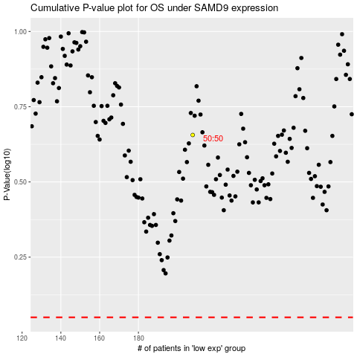

 |  |  |  |  |  | cases_OS | p_OS | rank | exp
 |  |  |  |  |  |  | cases_RFS | p_RFS | rank | exp

