SAMD9L _multivariate
Reported by Tex Li-Hsing Chi. tex@gate.sinica.edu.tw 2019-08-16

Table 2. The clinicopathological features of HNSCC cohort and SAMD9L expression. (Chi square test)
Cutoff at -0.29 (50.0%)
 |  | SAMD9L expression |  | SAMD9L expression |  | (Optimised)
 | Features | Low | (%) | High | (%) | Case no | P-value | Remark | Matthews
Gender | Female | 167 | 40.2 | 139 | 33.5 | 415 | 0.002 | 1 | 0
2 | Male | 40 | 9.6 | 69 | 16.6
Age at diagnosis | <=65y | 142 | 34.2 | 132 | 31.8 | 415 | 0.3167 | 0 | 0
4 | >65y | 65 | 15.7 | 76 | 18.3
Clinical T Status | T1+T2 | 63 | 15.2 | 86 | 20.7 | 415 | 0.0268 | 1 | 0
6 | T3+T4 | 144 | 34.7 | 122 | 29.4
Clinical N Status | N0 | 112 | 27 | 104 | 25.1 | 415 | 0.4599 | 0 | 0
8 | N1-3 | 95 | 22.9 | 104 | 25.1
Clinical M Status | M0 | 207 | 49.9 | 205 | 49.4 | 415 | 0.2482 | 0 | 0
10 | M1 | 0 | 0 | 3 | 0.7
Clinical Stage | Stage I+II | 44 | 10.6 | 58 | 14 | 415 | 0.1459 | 0 | 0
12 | Stage III+IV | 163 | 39.3 | 150 | 36.1
Surgical Margin status | Negative | 161 | 38.8 | 157 | 37.8 | 415 | 0.6429 | 0 | 0
14 | Positive | 46 | 11.1 | 51 | 12.3
Tobacco Exposure | Low | 57 | 13.7 | 104 | 25.1 | 415 | 0 | 1 | 0
16 | High | 150 | 36.1 | 104 | 25.1

Table 3. Univariate/Multivariate Cox's proportional hazards regression analyses on OS time of SAMD9L gene expression in HNSCC

 |  | Univariate |  |  |  | Multivariate
 | Features | HR | CI95%(L) | CI95%(H) | P-value | HR | CI95%(L) | CI95%(H) | P-value
1 | Female | 1 |  |  |  | 1
Gender | Male | 1.157 | 0.843 | 1.587 | 0.367 | 1.2 | 0.858 | 1.679 | 0.287
11 | <=65y | 1 |  |  |  | 1
Age at diagnosis | >65y | 1.329 | 0.99 | 1.784 | 0.058 | 1.392 | 1.024 | 1.892 | 0.035
12 | T1+T2 | 1 |  |  |  | 1
Clinical T Status | T3+T4 | 1.409 | 1.028 | 1.931 | 0.033 | 2.204 | 1.165 | 4.17 | 0.015
13 | N0 | 1 |  |  |  | 1
Clinical N Status | N1-3 | 1.185 | 0.89 | 1.577 | 0.246 | 1.239 | 0.867 | 1.771 | 0.239
14 | M0 | 1 |  |  |  | 1
Clinical M Status | M1 | 4.097 | 1.009 | 16.644 | 0.049 | 9.355 | 2.029 | 43.128 | 0.004
15 | Stage I+II | 1 |  |  |  | 1
Clinical Stage | Stage III+IV | 1.245 | 0.882 | 1.759 | 0.213 | 0.505 | 0.235 | 1.085 | 0.08
16 | Negative | 1 |  |  |  | 1
Surgical Margin status | Positive | 1.591 | 1.155 | 2.191 | 0.004 | 1.67 | 1.208 | 2.309 | 0.002
17 | Low | 1 |  |  |  | 1
Tobacco Exposure | High | 1.364 | 1.008 | 1.844 | 0.044 | 1.457 | 1.049 | 2.024 | 0.025
18 | Low | 1 |  |  |  | 1
RNAseq(z-score) | High | 0.975 | 0.731 | 1.299 | 0.861 | 1.013 | 0.747 | 1.373 | 0.935

Table 4. Univariate/Multivariate Cox's proportional hazards regression analyses on RFS time of SAMD9L gene expression in HNSCC

 |  | Univariate |  |  |  | Multivariate
 | Features | HR | CI95%(L) | CI95%(H) | P-value | HR | CI95%(L) | CI95%(H) | P-value
1 | Female | 1 |  |  |  | 1
Gender | Male | 1.157 | 0.843 | 1.587 | 0.367 | 1.2 | 0.858 | 1.679 | 0.287
11 | <=65y | 1 |  |  |  | 1
Age at diagnosis | >65y | 1.329 | 0.99 | 1.784 | 0.058 | 1.392 | 1.024 | 1.892 | 0.035
12 | T1+T2 | 1 |  |  |  | 1
Clinical T Status | T3+T4 | 1.409 | 1.028 | 1.931 | 0.033 | 2.204 | 1.165 | 4.17 | 0.015
13 | N0 | 1 |  |  |  | 1
Clinical N Status | N1-3 | 1.185 | 0.89 | 1.577 | 0.246 | 1.239 | 0.867 | 1.771 | 0.239
14 | M0 | 1 |  |  |  | 1
Clinical M Status | M1 | 4.097 | 1.009 | 16.644 | 0.049 | 9.355 | 2.029 | 43.128 | 0.004
15 | Stage I+II | 1 |  |  |  | 1
Clinical Stage | Stage III+IV | 1.245 | 0.882 | 1.759 | 0.213 | 0.505 | 0.235 | 1.085 | 0.08
16 | Negative | 1 |  |  |  | 1
Surgical Margin status | Positive | 1.591 | 1.155 | 2.191 | 0.004 | 1.67 | 1.208 | 2.309 | 0.002
17 | Low | 1 |  |  |  | 1
Tobacco Exposure | High | 1.364 | 1.008 | 1.844 | 0.044 | 1.457 | 1.049 | 2.024 | 0.025
18 | Low | 1 |  |  |  | 1
RNAseq(z-score) | High | 0.975 | 0.731 | 1.299 | 0.861 | 1.013 | 0.747 | 1.373 | 0.935

Kaplan-Meier survival estimate: Cutoff at -0.29 (50.0%)



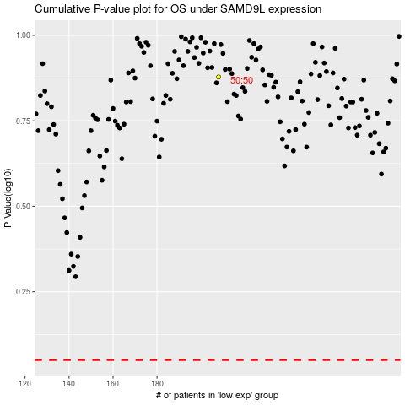

 |  |  |  |  |  | cases_OS | p_OS | rank | exp
 |  |  |  |  |  |  | cases_RFS | p_RFS | rank | exp

