SAMHD1 _multivariate
Reported by Tex Li-Hsing Chi. tex@gate.sinica.edu.tw 2019-08-16

Table 2. The clinicopathological features of HNSCC cohort and SAMHD1 expression. (Chi square test)
Cutoff at -0.312 (50.0%)
 |  | SAMHD1 expression |  | SAMHD1 expression |  | (Optimised)
 | Features | Low | (%) | High | (%) | Case no | P-value | Remark | Matthews
Gender | Female | 167 | 40.2 | 139 | 33.5 | 415 | 0.002 | 1 | 0
2 | Male | 40 | 9.6 | 69 | 16.6
Age at diagnosis | <=65y | 137 | 33 | 137 | 33 | 415 | 1 | 0 | 0
4 | >65y | 70 | 16.9 | 71 | 17.1
Clinical T Status | T1+T2 | 64 | 15.4 | 85 | 20.5 | 415 | 0.0445 | 1 | 0
6 | T3+T4 | 143 | 34.5 | 123 | 29.6
Clinical N Status | N0 | 118 | 28.4 | 98 | 23.6 | 415 | 0.0551 | 1 | 0
8 | N1-3 | 89 | 21.4 | 110 | 26.5
Clinical M Status | M0 | 206 | 49.6 | 206 | 49.6 | 415 | 1 | 0 | 0
10 | M1 | 1 | 0.2 | 2 | 0.5
Clinical Stage | Stage I+II | 47 | 11.3 | 55 | 13.3 | 415 | 0.4413 | 0 | 0
12 | Stage III+IV | 160 | 38.6 | 153 | 36.9
Surgical Margin status | Negative | 161 | 38.8 | 157 | 37.8 | 415 | 0.6429 | 0 | 0
14 | Positive | 46 | 11.1 | 51 | 12.3
Tobacco Exposure | Low | 67 | 16.1 | 94 | 22.7 | 415 | 0.0088 | 1 | 0
16 | High | 140 | 33.7 | 114 | 27.5

Table 3. Univariate/Multivariate Cox's proportional hazards regression analyses on OS time of SAMHD1 gene expression in HNSCC

 |  | Univariate |  |  |  | Multivariate
 | Features | HR | CI95%(L) | CI95%(H) | P-value | HR | CI95%(L) | CI95%(H) | P-value
1 | Female | 1 |  |  |  | 1
Gender | Male | 1.157 | 0.843 | 1.587 | 0.367 | 1.203 | 0.86 | 1.681 | 0.281
11 | <=65y | 1 |  |  |  | 1
Age at diagnosis | >65y | 1.329 | 0.99 | 1.784 | 0.058 | 1.391 | 1.023 | 1.891 | 0.035
12 | T1+T2 | 1 |  |  |  | 1
Clinical T Status | T3+T4 | 1.409 | 1.028 | 1.931 | 0.033 | 2.198 | 1.159 | 4.166 | 0.016
13 | N0 | 1 |  |  |  | 1
Clinical N Status | N1-3 | 1.185 | 0.89 | 1.577 | 0.246 | 1.242 | 0.869 | 1.776 | 0.234
14 | M0 | 1 |  |  |  | 1
Clinical M Status | M1 | 4.097 | 1.009 | 16.644 | 0.049 | 9.418 | 2.054 | 43.186 | 0.004
15 | Stage I+II | 1 |  |  |  | 1
Clinical Stage | Stage III+IV | 1.245 | 0.882 | 1.759 | 0.213 | 0.505 | 0.235 | 1.083 | 0.079
16 | Negative | 1 |  |  |  | 1
Surgical Margin status | Positive | 1.591 | 1.155 | 2.191 | 0.004 | 1.672 | 1.21 | 2.311 | 0.002
17 | Low | 1 |  |  |  | 1
Tobacco Exposure | High | 1.364 | 1.008 | 1.844 | 0.044 | 1.451 | 1.05 | 2.005 | 0.024
18 | Low | 1 |  |  |  | 1
RNAseq(z-score) | High | 0.958 | 0.719 | 1.276 | 0.767 | 0.99 | 0.735 | 1.332 | 0.945

Table 4. Univariate/Multivariate Cox's proportional hazards regression analyses on RFS time of SAMHD1 gene expression in HNSCC

 |  | Univariate |  |  |  | Multivariate
 | Features | HR | CI95%(L) | CI95%(H) | P-value | HR | CI95%(L) | CI95%(H) | P-value
1 | Female | 1 |  |  |  | 1
Gender | Male | 1.157 | 0.843 | 1.587 | 0.367 | 1.203 | 0.86 | 1.681 | 0.281
11 | <=65y | 1 |  |  |  | 1
Age at diagnosis | >65y | 1.329 | 0.99 | 1.784 | 0.058 | 1.391 | 1.023 | 1.891 | 0.035
12 | T1+T2 | 1 |  |  |  | 1
Clinical T Status | T3+T4 | 1.409 | 1.028 | 1.931 | 0.033 | 2.198 | 1.159 | 4.166 | 0.016
13 | N0 | 1 |  |  |  | 1
Clinical N Status | N1-3 | 1.185 | 0.89 | 1.577 | 0.246 | 1.242 | 0.869 | 1.776 | 0.234
14 | M0 | 1 |  |  |  | 1
Clinical M Status | M1 | 4.097 | 1.009 | 16.644 | 0.049 | 9.418 | 2.054 | 43.186 | 0.004
15 | Stage I+II | 1 |  |  |  | 1
Clinical Stage | Stage III+IV | 1.245 | 0.882 | 1.759 | 0.213 | 0.505 | 0.235 | 1.083 | 0.079
16 | Negative | 1 |  |  |  | 1
Surgical Margin status | Positive | 1.591 | 1.155 | 2.191 | 0.004 | 1.672 | 1.21 | 2.311 | 0.002
17 | Low | 1 |  |  |  | 1
Tobacco Exposure | High | 1.364 | 1.008 | 1.844 | 0.044 | 1.451 | 1.05 | 2.005 | 0.024
18 | Low | 1 |  |  |  | 1
RNAseq(z-score) | High | 0.958 | 0.719 | 1.276 | 0.767 | 0.99 | 0.735 | 1.332 | 0.945

Kaplan-Meier survival estimate: Cutoff at -0.312 (50.0%)



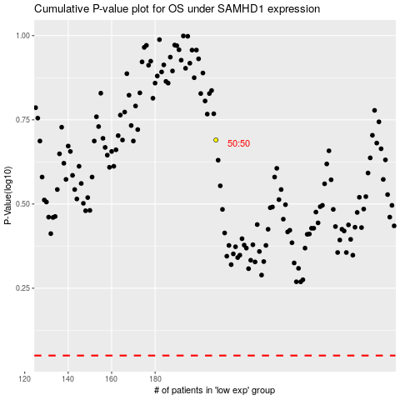

 |  |  |  |  |  | cases_OS | p_OS | rank | exp
 |  |  |  |  |  |  | cases_RFS | p_RFS | rank | exp

