SAMM50 _multivariate
Reported by Tex Li-Hsing Chi. tex@gate.sinica.edu.tw 2019-08-16

Table 2. The clinicopathological features of HNSCC cohort and SAMM50 expression. (Chi square test)
Cutoff at -0.246 (49.8%)
 |  | SAMM50 expression |  | SAMM50 expression |  | (Optimised)
 | Features | Low | (%) | High | (%) | Case no | P-value | Remark | Matthews
Gender | Female | 147 | 35.4 | 159 | 38.3 | 415 | 0.2523 | 0 | 0
2 | Male | 60 | 14.5 | 49 | 11.8
Age at diagnosis | <=65y | 134 | 32.3 | 140 | 33.7 | 415 | 0.6529 | 0 | 0
4 | >65y | 73 | 17.6 | 68 | 16.4
Clinical T Status | T1+T2 | 66 | 15.9 | 83 | 20 | 415 | 0.1095 | 0 | 0
6 | T3+T4 | 141 | 34 | 125 | 30.1
Clinical N Status | N0 | 100 | 24.1 | 116 | 28 | 415 | 0.1548 | 0 | 0
8 | N1-3 | 107 | 25.8 | 92 | 22.2
Clinical M Status | M0 | 206 | 49.6 | 206 | 49.6 | 415 | 1 | 0 | 0
10 | M1 | 1 | 0.2 | 2 | 0.5
Clinical Stage | Stage I+II | 47 | 11.3 | 55 | 13.3 | 415 | 0.4413 | 0 | 0
12 | Stage III+IV | 160 | 38.6 | 153 | 36.9
Surgical Margin status | Negative | 164 | 39.5 | 154 | 37.1 | 415 | 0.2462 | 0 | 0
14 | Positive | 43 | 10.4 | 54 | 13
Tobacco Exposure | Low | 94 | 22.7 | 67 | 16.1 | 415 | 0.0065 | 1 | 0
16 | High | 113 | 27.2 | 141 | 34

Table 3. Univariate/Multivariate Cox's proportional hazards regression analyses on OS time of SAMM50 gene expression in HNSCC

 |  | Univariate |  |  |  | Multivariate
 | Features | HR | CI95%(L) | CI95%(H) | P-value | HR | CI95%(L) | CI95%(H) | P-value
1 | Female | 1 |  |  |  | 1
Gender | Male | 1.157 | 0.843 | 1.587 | 0.367 | 1.202 | 0.861 | 1.679 | 0.279
11 | <=65y | 1 |  |  |  | 1
Age at diagnosis | >65y | 1.329 | 0.99 | 1.784 | 0.058 | 1.391 | 1.024 | 1.891 | 0.035
12 | T1+T2 | 1 |  |  |  | 1
Clinical T Status | T3+T4 | 1.409 | 1.028 | 1.931 | 0.033 | 2.192 | 1.158 | 4.149 | 0.016
13 | N0 | 1 |  |  |  | 1
Clinical N Status | N1-3 | 1.185 | 0.89 | 1.577 | 0.246 | 1.234 | 0.863 | 1.765 | 0.25
14 | M0 | 1 |  |  |  | 1
Clinical M Status | M1 | 4.097 | 1.009 | 16.644 | 0.049 | 9.447 | 2.06 | 43.32 | 0.004
15 | Stage I+II | 1 |  |  |  | 1
Clinical Stage | Stage III+IV | 1.245 | 0.882 | 1.759 | 0.213 | 0.507 | 0.236 | 1.088 | 0.081
16 | Negative | 1 |  |  |  | 1
Surgical Margin status | Positive | 1.591 | 1.155 | 2.191 | 0.004 | 1.68 | 1.213 | 2.327 | 0.002
17 | Low | 1 |  |  |  | 1
Tobacco Exposure | High | 1.364 | 1.008 | 1.844 | 0.044 | 1.46 | 1.058 | 2.017 | 0.021
18 | Low | 1 |  |  |  | 1
RNAseq(z-score) | High | 1.007 | 0.756 | 1.34 | 0.964 | 0.962 | 0.718 | 1.29 | 0.796

Table 4. Univariate/Multivariate Cox's proportional hazards regression analyses on RFS time of SAMM50 gene expression in HNSCC

 |  | Univariate |  |  |  | Multivariate
 | Features | HR | CI95%(L) | CI95%(H) | P-value | HR | CI95%(L) | CI95%(H) | P-value
1 | Female | 1 |  |  |  | 1
Gender | Male | 1.157 | 0.843 | 1.587 | 0.367 | 1.202 | 0.861 | 1.679 | 0.279
11 | <=65y | 1 |  |  |  | 1
Age at diagnosis | >65y | 1.329 | 0.99 | 1.784 | 0.058 | 1.391 | 1.024 | 1.891 | 0.035
12 | T1+T2 | 1 |  |  |  | 1
Clinical T Status | T3+T4 | 1.409 | 1.028 | 1.931 | 0.033 | 2.192 | 1.158 | 4.149 | 0.016
13 | N0 | 1 |  |  |  | 1
Clinical N Status | N1-3 | 1.185 | 0.89 | 1.577 | 0.246 | 1.234 | 0.863 | 1.765 | 0.25
14 | M0 | 1 |  |  |  | 1
Clinical M Status | M1 | 4.097 | 1.009 | 16.644 | 0.049 | 9.447 | 2.06 | 43.32 | 0.004
15 | Stage I+II | 1 |  |  |  | 1
Clinical Stage | Stage III+IV | 1.245 | 0.882 | 1.759 | 0.213 | 0.507 | 0.236 | 1.088 | 0.081
16 | Negative | 1 |  |  |  | 1
Surgical Margin status | Positive | 1.591 | 1.155 | 2.191 | 0.004 | 1.68 | 1.213 | 2.327 | 0.002
17 | Low | 1 |  |  |  | 1
Tobacco Exposure | High | 1.364 | 1.008 | 1.844 | 0.044 | 1.46 | 1.058 | 2.017 | 0.021
18 | Low | 1 |  |  |  | 1
RNAseq(z-score) | High | 1.007 | 0.756 | 1.34 | 0.964 | 0.962 | 0.718 | 1.29 | 0.796

Kaplan-Meier survival estimate: Cutoff at -0.246 (49.8%)



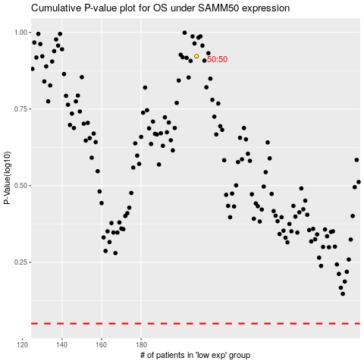

 |  |  |  |  |  | cases_OS | p_OS | rank | exp
 |  |  |  |  |  |  | cases_RFS | p_RFS | rank | exp

