SAMSN1 _multivariate
Reported by Tex Li-Hsing Chi. tex@gate.sinica.edu.tw 2019-08-16

Table 2. The clinicopathological features of HNSCC cohort and SAMSN1 expression. (Chi square test)
Cutoff at -0.216 (50.0%)
 |  | SAMSN1 expression |  | SAMSN1 expression |  | (Optimised)
 | Features | Low | (%) | High | (%) | Case no | P-value | Remark | Matthews
Gender | Female | 163 | 39.3 | 143 | 34.5 | 415 | 0.0277 | 1 | 0
2 | Male | 44 | 10.6 | 65 | 15.7
Age at diagnosis | <=65y | 144 | 34.7 | 130 | 31.3 | 415 | 0.1568 | 0 | 0
4 | >65y | 63 | 15.2 | 78 | 18.8
Clinical T Status | T1+T2 | 73 | 17.6 | 76 | 18.3 | 415 | 0.8666 | 0 | 0
6 | T3+T4 | 134 | 32.3 | 132 | 31.8
Clinical N Status | N0 | 117 | 28.2 | 99 | 23.9 | 415 | 0.0852 | 1 | 0
8 | N1-3 | 90 | 21.7 | 109 | 26.3
Clinical M Status | M0 | 204 | 49.2 | 208 | 50.1 | 415 | 0.1232 | 0 | 0
10 | M1 | 3 | 0.7 | 0 | 0
Clinical Stage | Stage I+II | 53 | 12.8 | 49 | 11.8 | 415 | 0.7113 | 0 | 0
12 | Stage III+IV | 154 | 37.1 | 159 | 38.3
Surgical Margin status | Negative | 156 | 37.6 | 162 | 39 | 415 | 0.5636 | 0 | 0
14 | Positive | 51 | 12.3 | 46 | 11.1
Tobacco Exposure | Low | 76 | 18.3 | 85 | 20.5 | 415 | 0.4207 | 0 | 0
16 | High | 131 | 31.6 | 123 | 29.6

Table 3. Univariate/Multivariate Cox's proportional hazards regression analyses on OS time of SAMSN1 gene expression in HNSCC

 |  | Univariate |  |  |  | Multivariate
 | Features | HR | CI95%(L) | CI95%(H) | P-value | HR | CI95%(L) | CI95%(H) | P-value
1 | Female | 1 |  |  |  | 1
Gender | Male | 1.157 | 0.843 | 1.587 | 0.367 | 1.208 | 0.864 | 1.688 | 0.27
11 | <=65y | 1 |  |  |  | 1
Age at diagnosis | >65y | 1.329 | 0.99 | 1.784 | 0.058 | 1.395 | 1.027 | 1.897 | 0.033
12 | T1+T2 | 1 |  |  |  | 1
Clinical T Status | T3+T4 | 1.409 | 1.028 | 1.931 | 0.033 | 2.188 | 1.157 | 4.138 | 0.016
13 | N0 | 1 |  |  |  | 1
Clinical N Status | N1-3 | 1.185 | 0.89 | 1.577 | 0.246 | 1.249 | 0.875 | 1.783 | 0.221
14 | M0 | 1 |  |  |  | 1
Clinical M Status | M1 | 4.097 | 1.009 | 16.644 | 0.049 | 8.966 | 1.938 | 41.479 | 0.005
15 | Stage I+II | 1 |  |  |  | 1
Clinical Stage | Stage III+IV | 1.245 | 0.882 | 1.759 | 0.213 | 0.507 | 0.236 | 1.088 | 0.081
16 | Negative | 1 |  |  |  | 1
Surgical Margin status | Positive | 1.591 | 1.155 | 2.191 | 0.004 | 1.668 | 1.207 | 2.306 | 0.002
17 | Low | 1 |  |  |  | 1
Tobacco Exposure | High | 1.364 | 1.008 | 1.844 | 0.044 | 1.441 | 1.044 | 1.989 | 0.026
18 | Low | 1 |  |  |  | 1
RNAseq(z-score) | High | 0.896 | 0.672 | 1.194 | 0.452 | 0.922 | 0.688 | 1.234 | 0.584

Table 4. Univariate/Multivariate Cox's proportional hazards regression analyses on RFS time of SAMSN1 gene expression in HNSCC

 |  | Univariate |  |  |  | Multivariate
 | Features | HR | CI95%(L) | CI95%(H) | P-value | HR | CI95%(L) | CI95%(H) | P-value
1 | Female | 1 |  |  |  | 1
Gender | Male | 1.157 | 0.843 | 1.587 | 0.367 | 1.208 | 0.864 | 1.688 | 0.27
11 | <=65y | 1 |  |  |  | 1
Age at diagnosis | >65y | 1.329 | 0.99 | 1.784 | 0.058 | 1.395 | 1.027 | 1.897 | 0.033
12 | T1+T2 | 1 |  |  |  | 1
Clinical T Status | T3+T4 | 1.409 | 1.028 | 1.931 | 0.033 | 2.188 | 1.157 | 4.138 | 0.016
13 | N0 | 1 |  |  |  | 1
Clinical N Status | N1-3 | 1.185 | 0.89 | 1.577 | 0.246 | 1.249 | 0.875 | 1.783 | 0.221
14 | M0 | 1 |  |  |  | 1
Clinical M Status | M1 | 4.097 | 1.009 | 16.644 | 0.049 | 8.966 | 1.938 | 41.479 | 0.005
15 | Stage I+II | 1 |  |  |  | 1
Clinical Stage | Stage III+IV | 1.245 | 0.882 | 1.759 | 0.213 | 0.507 | 0.236 | 1.088 | 0.081
16 | Negative | 1 |  |  |  | 1
Surgical Margin status | Positive | 1.591 | 1.155 | 2.191 | 0.004 | 1.668 | 1.207 | 2.306 | 0.002
17 | Low | 1 |  |  |  | 1
Tobacco Exposure | High | 1.364 | 1.008 | 1.844 | 0.044 | 1.441 | 1.044 | 1.989 | 0.026
18 | Low | 1 |  |  |  | 1
RNAseq(z-score) | High | 0.896 | 0.672 | 1.194 | 0.452 | 0.922 | 0.688 | 1.234 | 0.584

Kaplan-Meier survival estimate: Cutoff at -0.216 (50.0%)



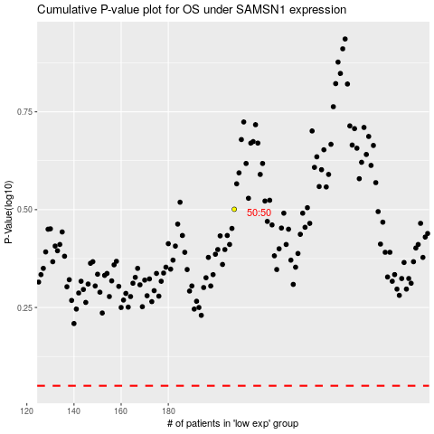

 |  |  |  |  |  | cases_OS | p_OS | rank | exp
 |  |  |  |  |  |  | cases_RFS | p_RFS | rank | exp

