SAP130 _multivariate
Reported by Tex Li-Hsing Chi. tex@gate.sinica.edu.tw 2019-08-16

Table 2. The clinicopathological features of HNSCC cohort and SAP130 expression. (Chi square test)
Cutoff at -0.039 (49.8%)
 |  | SAP130 expression |  | SAP130 expression |  | (Optimised)
 | Features | Low | (%) | High | (%) | Case no | P-value | Remark | Matthews
Gender | Female | 141 | 34 | 165 | 39.8 | 415 | 0.013 | 1 | 0
2 | Male | 66 | 15.9 | 43 | 10.4
Age at diagnosis | <=65y | 130 | 31.3 | 144 | 34.7 | 415 | 0.2009 | 0 | 0
4 | >65y | 77 | 18.6 | 64 | 15.4
Clinical T Status | T1+T2 | 84 | 20.2 | 65 | 15.7 | 415 | 0.0603 | 0 | 0
6 | T3+T4 | 123 | 29.6 | 143 | 34.5
Clinical N Status | N0 | 121 | 29.2 | 95 | 22.9 | 415 | 0.0122 | 1 | 0
8 | N1-3 | 86 | 20.7 | 113 | 27.2
Clinical M Status | M0 | 206 | 49.6 | 206 | 49.6 | 415 | 1 | 0 | 0
10 | M1 | 1 | 0.2 | 2 | 0.5
Clinical Stage | Stage I+II | 63 | 15.2 | 39 | 9.4 | 415 | 0.008 | 1 | 0
12 | Stage III+IV | 144 | 34.7 | 169 | 40.7
Surgical Margin status | Negative | 153 | 36.9 | 165 | 39.8 | 415 | 0.2036 | 0 | 0
14 | Positive | 54 | 13 | 43 | 10.4
Tobacco Exposure | Low | 93 | 22.4 | 68 | 16.4 | 415 | 0.0118 | 1 | 0
16 | High | 114 | 27.5 | 140 | 33.7

Table 3. Univariate/Multivariate Cox's proportional hazards regression analyses on OS time of SAP130 gene expression in HNSCC

 |  | Univariate |  |  |  | Multivariate
 | Features | HR | CI95%(L) | CI95%(H) | P-value | HR | CI95%(L) | CI95%(H) | P-value
1 | Female | 1 |  |  |  | 1
Gender | Male | 1.157 | 0.843 | 1.587 | 0.367 | 1.209 | 0.864 | 1.693 | 0.268
11 | <=65y | 1 |  |  |  | 1
Age at diagnosis | >65y | 1.329 | 0.99 | 1.784 | 0.058 | 1.395 | 1.026 | 1.896 | 0.034
12 | T1+T2 | 1 |  |  |  | 1
Clinical T Status | T3+T4 | 1.409 | 1.028 | 1.931 | 0.033 | 2.207 | 1.167 | 4.174 | 0.015
13 | N0 | 1 |  |  |  | 1
Clinical N Status | N1-3 | 1.185 | 0.89 | 1.577 | 0.246 | 1.238 | 0.868 | 1.767 | 0.239
14 | M0 | 1 |  |  |  | 1
Clinical M Status | M1 | 4.097 | 1.009 | 16.644 | 0.049 | 9.439 | 2.059 | 43.275 | 0.004
15 | Stage I+II | 1 |  |  |  | 1
Clinical Stage | Stage III+IV | 1.245 | 0.882 | 1.759 | 0.213 | 0.5 | 0.232 | 1.075 | 0.076
16 | Negative | 1 |  |  |  | 1
Surgical Margin status | Positive | 1.591 | 1.155 | 2.191 | 0.004 | 1.686 | 1.214 | 2.342 | 0.002
17 | Low | 1 |  |  |  | 1
Tobacco Exposure | High | 1.364 | 1.008 | 1.844 | 0.044 | 1.446 | 1.049 | 1.995 | 0.025
18 | Low | 1 |  |  |  | 1
RNAseq(z-score) | High | 1.007 | 0.755 | 1.342 | 0.963 | 1.048 | 0.773 | 1.42 | 0.763

Table 4. Univariate/Multivariate Cox's proportional hazards regression analyses on RFS time of SAP130 gene expression in HNSCC

 |  | Univariate |  |  |  | Multivariate
 | Features | HR | CI95%(L) | CI95%(H) | P-value | HR | CI95%(L) | CI95%(H) | P-value
1 | Female | 1 |  |  |  | 1
Gender | Male | 1.157 | 0.843 | 1.587 | 0.367 | 1.209 | 0.864 | 1.693 | 0.268
11 | <=65y | 1 |  |  |  | 1
Age at diagnosis | >65y | 1.329 | 0.99 | 1.784 | 0.058 | 1.395 | 1.026 | 1.896 | 0.034
12 | T1+T2 | 1 |  |  |  | 1
Clinical T Status | T3+T4 | 1.409 | 1.028 | 1.931 | 0.033 | 2.207 | 1.167 | 4.174 | 0.015
13 | N0 | 1 |  |  |  | 1
Clinical N Status | N1-3 | 1.185 | 0.89 | 1.577 | 0.246 | 1.238 | 0.868 | 1.767 | 0.239
14 | M0 | 1 |  |  |  | 1
Clinical M Status | M1 | 4.097 | 1.009 | 16.644 | 0.049 | 9.439 | 2.059 | 43.275 | 0.004
15 | Stage I+II | 1 |  |  |  | 1
Clinical Stage | Stage III+IV | 1.245 | 0.882 | 1.759 | 0.213 | 0.5 | 0.232 | 1.075 | 0.076
16 | Negative | 1 |  |  |  | 1
Surgical Margin status | Positive | 1.591 | 1.155 | 2.191 | 0.004 | 1.686 | 1.214 | 2.342 | 0.002
17 | Low | 1 |  |  |  | 1
Tobacco Exposure | High | 1.364 | 1.008 | 1.844 | 0.044 | 1.446 | 1.049 | 1.995 | 0.025
18 | Low | 1 |  |  |  | 1
RNAseq(z-score) | High | 1.007 | 0.755 | 1.342 | 0.963 | 1.048 | 0.773 | 1.42 | 0.763

Kaplan-Meier survival estimate: Cutoff at -0.039 (49.8%)



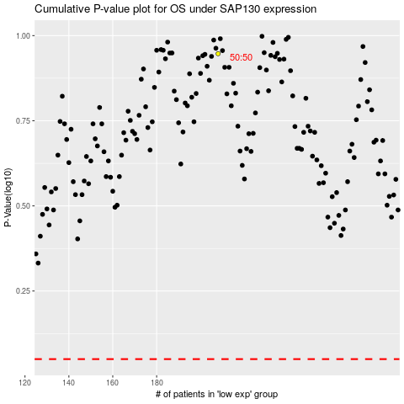

 |  |  |  |  |  | cases_OS | p_OS | rank | exp
 |  |  |  |  |  |  | cases_RFS | p_RFS | rank | exp

