SAPS3 _multivariate
Reported by Tex Li-Hsing Chi. tex@gate.sinica.edu.tw 2019-08-16

Table 2. The clinicopathological features of HNSCC cohort and SAPS3 expression. (Chi square test)
Cutoff at 0.124 (68.8%)
 |  | SAPS3 expression |  | SAPS3 expression |  | (Optimised)
 | Features | Low | (%) | High | (%) | Case no | P-value | Remark | Matthews
Gender | Female | 214 | 51.6 | 92 | 22.2 | 415 | 0.5281 | 0 | 0
2 | Male | 72 | 17.3 | 37 | 8.9
Age at diagnosis | <=65y | 180 | 43.4 | 94 | 22.7 | 415 | 0.0622 | 0 | 0
4 | >65y | 106 | 25.5 | 35 | 8.4
Clinical T Status | T1+T2 | 113 | 27.2 | 36 | 8.7 | 415 | 0.03 | 1 | 0
6 | T3+T4 | 173 | 41.7 | 93 | 22.4
Clinical N Status | N0 | 150 | 36.1 | 66 | 15.9 | 415 | 0.8916 | 0 | 0
8 | N1-3 | 136 | 32.8 | 63 | 15.2
Clinical M Status | M0 | 283 | 68.2 | 129 | 31.1 | 415 | 0.5554 | 0 | 0
10 | M1 | 3 | 0.7 | 0 | 0
Clinical Stage | Stage I+II | 73 | 17.6 | 29 | 7 | 415 | 0.5868 | 0 | 0
12 | Stage III+IV | 213 | 51.3 | 100 | 24.1
Surgical Margin status | Negative | 214 | 51.6 | 104 | 25.1 | 415 | 0.2122 | 0 | 0
14 | Positive | 72 | 17.3 | 25 | 6
Tobacco Exposure | Low | 124 | 29.9 | 37 | 8.9 | 415 | 0.0047 | 1 | 0
16 | High | 162 | 39 | 92 | 22.2

Table 3. Univariate/Multivariate Cox's proportional hazards regression analyses on OS time of SAPS3 gene expression in HNSCC

 |  | Univariate |  |  |  | Multivariate
 | Features | HR | CI95%(L) | CI95%(H) | P-value | HR | CI95%(L) | CI95%(H) | P-value
1 | Female | 1 |  |  |  | 1
Gender | Male | 1.157 | 0.843 | 1.587 | 0.367 | 1.162 | 0.83 | 1.625 | 0.381
11 | <=65y | 1 |  |  |  | 1
Age at diagnosis | >65y | 1.329 | 0.99 | 1.784 | 0.058 | 1.461 | 1.07 | 1.995 | 0.017
12 | T1+T2 | 1 |  |  |  | 1
Clinical T Status | T3+T4 | 1.409 | 1.028 | 1.931 | 0.033 | 2.09 | 1.102 | 3.965 | 0.024
13 | N0 | 1 |  |  |  | 1
Clinical N Status | N1-3 | 1.185 | 0.89 | 1.577 | 0.246 | 1.244 | 0.871 | 1.777 | 0.23
14 | M0 | 1 |  |  |  | 1
Clinical M Status | M1 | 4.097 | 1.009 | 16.644 | 0.049 | 9.959 | 2.169 | 45.725 | 0.003
15 | Stage I+II | 1 |  |  |  | 1
Clinical Stage | Stage III+IV | 1.245 | 0.882 | 1.759 | 0.213 | 0.514 | 0.239 | 1.104 | 0.088
16 | Negative | 1 |  |  |  | 1
Surgical Margin status | Positive | 1.591 | 1.155 | 2.191 | 0.004 | 1.711 | 1.236 | 2.368 | 0.001
17 | Low | 1 |  |  |  | 1
Tobacco Exposure | High | 1.364 | 1.008 | 1.844 | 0.044 | 1.383 | 1 | 1.912 | 0.05
18 | Low | 1 |  |  |  | 1
RNAseq(z-score) | High | 1.347 | 1 | 1.815 | 0.05 | 1.349 | 0.985 | 1.847 | 0.062

Table 4. Univariate/Multivariate Cox's proportional hazards regression analyses on RFS time of SAPS3 gene expression in HNSCC

 |  | Univariate |  |  |  | Multivariate
 | Features | HR | CI95%(L) | CI95%(H) | P-value | HR | CI95%(L) | CI95%(H) | P-value
1 | Female | 1 |  |  |  | 1
Gender | Male | 1.157 | 0.843 | 1.587 | 0.367 | 1.162 | 0.83 | 1.625 | 0.381
11 | <=65y | 1 |  |  |  | 1
Age at diagnosis | >65y | 1.329 | 0.99 | 1.784 | 0.058 | 1.461 | 1.07 | 1.995 | 0.017
12 | T1+T2 | 1 |  |  |  | 1
Clinical T Status | T3+T4 | 1.409 | 1.028 | 1.931 | 0.033 | 2.09 | 1.102 | 3.965 | 0.024
13 | N0 | 1 |  |  |  | 1
Clinical N Status | N1-3 | 1.185 | 0.89 | 1.577 | 0.246 | 1.244 | 0.871 | 1.777 | 0.23
14 | M0 | 1 |  |  |  | 1
Clinical M Status | M1 | 4.097 | 1.009 | 16.644 | 0.049 | 9.959 | 2.169 | 45.725 | 0.003
15 | Stage I+II | 1 |  |  |  | 1
Clinical Stage | Stage III+IV | 1.245 | 0.882 | 1.759 | 0.213 | 0.514 | 0.239 | 1.104 | 0.088
16 | Negative | 1 |  |  |  | 1
Surgical Margin status | Positive | 1.591 | 1.155 | 2.191 | 0.004 | 1.711 | 1.236 | 2.368 | 0.001
17 | Low | 1 |  |  |  | 1
Tobacco Exposure | High | 1.364 | 1.008 | 1.844 | 0.044 | 1.383 | 1 | 1.912 | 0.05
18 | Low | 1 |  |  |  | 1
RNAseq(z-score) | High | 1.347 | 1 | 1.815 | 0.05 | 1.349 | 0.985 | 1.847 | 0.062

Kaplan-Meier survival estimate: Cutoff at 0.124 (68.8%)

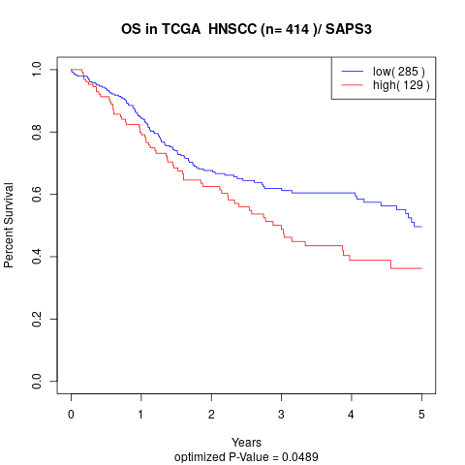

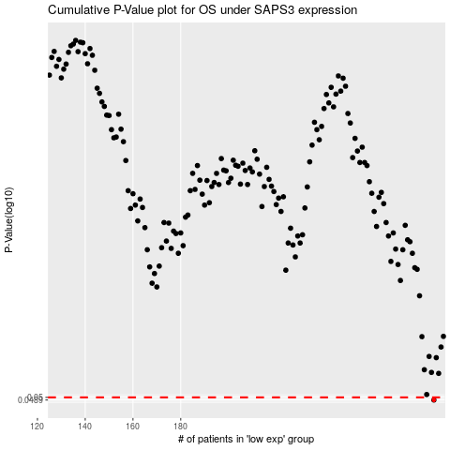

 |  |  |  |  |  | cases_OS | p_OS | rank | exp
 |  |  |  |  |  | 286 | 0.0489 | 198 | 0.12378068235
 |  |  |  |  |  |  | cases_RFS | p_RFS | rank | exp
 |  |  |  |  |  |  | 285 | 0.0489 | 327 | 0.12091167587

