SAR1B _multivariate
Reported by Tex Li-Hsing Chi. tex@gate.sinica.edu.tw 2019-08-16

Table 2. The clinicopathological features of HNSCC cohort and SAR1B expression. (Chi square test)
Cutoff at 0.113 (69.3%)
 |  | SAR1B expression |  | SAR1B expression |  | (Optimised)
 | Features | Low | (%) | High | (%) | Case no | P-value | Remark | Matthews
Gender | Female | 214 | 51.6 | 92 | 22.2 | 415 | 0.782 | 0 | 0
2 | Male | 74 | 17.8 | 35 | 8.4
Age at diagnosis | <=65y | 195 | 47 | 79 | 19 | 415 | 0.3279 | 0 | 0
4 | >65y | 93 | 22.4 | 48 | 11.6
Clinical T Status | T1+T2 | 101 | 24.3 | 48 | 11.6 | 415 | 0.6727 | 0 | 0
6 | T3+T4 | 187 | 45.1 | 79 | 19
Clinical N Status | N0 | 150 | 36.1 | 66 | 15.9 | 415 | 1 | 0 | 0
8 | N1-3 | 138 | 33.3 | 61 | 14.7
Clinical M Status | M0 | 286 | 68.9 | 126 | 30.4 | 415 | 1 | 0 | 0
10 | M1 | 2 | 0.5 | 1 | 0.2
Clinical Stage | Stage I+II | 73 | 17.6 | 29 | 7 | 415 | 0.6714 | 0 | 0
12 | Stage III+IV | 215 | 51.8 | 98 | 23.6
Surgical Margin status | Negative | 222 | 53.5 | 96 | 23.1 | 415 | 0.8014 | 0 | 0
14 | Positive | 66 | 15.9 | 31 | 7.5
Tobacco Exposure | Low | 112 | 27 | 49 | 11.8 | 415 | 1 | 0 | 0
16 | High | 176 | 42.4 | 78 | 18.8

Table 3. Univariate/Multivariate Cox's proportional hazards regression analyses on OS time of SAR1B gene expression in HNSCC

 |  | Univariate |  |  |  | Multivariate
 | Features | HR | CI95%(L) | CI95%(H) | P-value | HR | CI95%(L) | CI95%(H) | P-value
1 | Female | 1 |  |  |  | 1
Gender | Male | 1.157 | 0.843 | 1.587 | 0.367 | 1.178 | 0.844 | 1.646 | 0.335
11 | <=65y | 1 |  |  |  | 1
Age at diagnosis | >65y | 1.329 | 0.99 | 1.784 | 0.058 | 1.376 | 1.012 | 1.87 | 0.042
12 | T1+T2 | 1 |  |  |  | 1
Clinical T Status | T3+T4 | 1.409 | 1.028 | 1.931 | 0.033 | 2.339 | 1.236 | 4.425 | 0.009
13 | N0 | 1 |  |  |  | 1
Clinical N Status | N1-3 | 1.185 | 0.89 | 1.577 | 0.246 | 1.295 | 0.907 | 1.848 | 0.155
14 | M0 | 1 |  |  |  | 1
Clinical M Status | M1 | 4.097 | 1.009 | 16.644 | 0.049 | 9.267 | 2.022 | 42.482 | 0.004
15 | Stage I+II | 1 |  |  |  | 1
Clinical Stage | Stage III+IV | 1.245 | 0.882 | 1.759 | 0.213 | 0.481 | 0.224 | 1.032 | 0.06
16 | Negative | 1 |  |  |  | 1
Surgical Margin status | Positive | 1.591 | 1.155 | 2.191 | 0.004 | 1.653 | 1.196 | 2.285 | 0.002
17 | Low | 1 |  |  |  | 1
Tobacco Exposure | High | 1.364 | 1.008 | 1.844 | 0.044 | 1.469 | 1.066 | 2.025 | 0.019
18 | Low | 1 |  |  |  | 1
RNAseq(z-score) | High | 1.445 | 1.068 | 1.954 | 0.017 | 1.52 | 1.118 | 2.066 | 0.007

Table 4. Univariate/Multivariate Cox's proportional hazards regression analyses on RFS time of SAR1B gene expression in HNSCC

 |  | Univariate |  |  |  | Multivariate
 | Features | HR | CI95%(L) | CI95%(H) | P-value | HR | CI95%(L) | CI95%(H) | P-value
1 | Female | 1 |  |  |  | 1
Gender | Male | 1.157 | 0.843 | 1.587 | 0.367 | 1.178 | 0.844 | 1.646 | 0.335
11 | <=65y | 1 |  |  |  | 1
Age at diagnosis | >65y | 1.329 | 0.99 | 1.784 | 0.058 | 1.376 | 1.012 | 1.87 | 0.042
12 | T1+T2 | 1 |  |  |  | 1
Clinical T Status | T3+T4 | 1.409 | 1.028 | 1.931 | 0.033 | 2.339 | 1.236 | 4.425 | 0.009
13 | N0 | 1 |  |  |  | 1
Clinical N Status | N1-3 | 1.185 | 0.89 | 1.577 | 0.246 | 1.295 | 0.907 | 1.848 | 0.155
14 | M0 | 1 |  |  |  | 1
Clinical M Status | M1 | 4.097 | 1.009 | 16.644 | 0.049 | 9.267 | 2.022 | 42.482 | 0.004
15 | Stage I+II | 1 |  |  |  | 1
Clinical Stage | Stage III+IV | 1.245 | 0.882 | 1.759 | 0.213 | 0.481 | 0.224 | 1.032 | 0.06
16 | Negative | 1 |  |  |  | 1
Surgical Margin status | Positive | 1.591 | 1.155 | 2.191 | 0.004 | 1.653 | 1.196 | 2.285 | 0.002
17 | Low | 1 |  |  |  | 1
Tobacco Exposure | High | 1.364 | 1.008 | 1.844 | 0.044 | 1.469 | 1.066 | 2.025 | 0.019
18 | Low | 1 |  |  |  | 1
RNAseq(z-score) | High | 1.445 | 1.068 | 1.954 | 0.017 | 1.52 | 1.118 | 2.066 | 0.007

Kaplan-Meier survival estimate: Cutoff at 0.113 (69.3%)

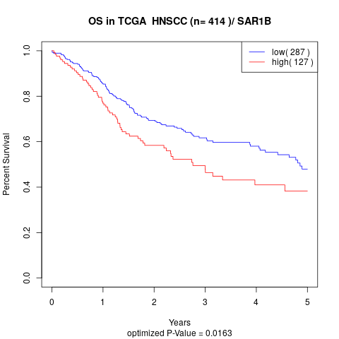

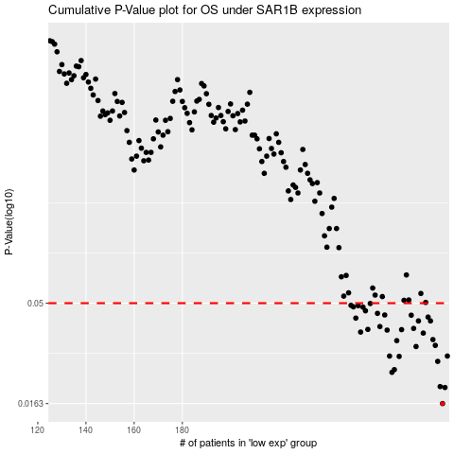

 |  |  |  |  |  | cases_OS | p_OS | rank | exp
 |  |  |  |  |  | 288 | 0.0163 | 273 | 0.1127917347
 |  |  |  |  |  | 289 | 0.0195 | 68 | 0.11845380477
 |  |  |  |  |  | 287 | 0.0197 | 269 | 0.11276367446
 |  |  |  |  |  | 267 | 0.0231 | 212 | -0.015356165143
 |  |  |  |  |  | 268 | 0.0238 | 133 | -0.013506222118
 |  |  |  |  |  | 286 | 0.0261 | 169 | 0.10600806805
 |  |  |  |  |  | 270 | 0.0276 | 302 | -0.011153227977
 |  |  |  |  |  | 290 | 0.0277 | 108 | 0.11944445353
 |  |  |  |  |  | 266 | 0.0277 | 156 | -0.018308997921
 |  |  |  |  |  | 277 | 0.0308 | 54 | 0.042148230021
 |  |  |  |  |  | 285 | 0.0312 | 11 | 0.10545296314
 |  |  |  |  |  | 269 | 0.0329 | 91 | -0.013065391553
 |  |  |  |  |  | 284 | 0.0333 | 298 | 0.088776229008
 |  |  |  |  |  | 280 | 0.0358 | 70 | 0.05510108456
 |  |  |  |  |  | 254 | 0.0362 | 409 | -0.060271675653
 |  |  |  |  |  | 265 | 0.037 | 109 | -0.023302908747
 |  |  |  |  |  | 271 | 0.0372 | 159 | -0.0056375592037
 |  |  |  |  |  | 257 | 0.0373 | 12 | -0.051933715256
 |  |  |  |  |  | 276 | 0.0377 | 157 | 0.026798460953
 |  |  |  |  |  | 262 | 0.0385 | 78 | -0.031495687861
 |  |  |  |  |  | 283 | 0.041 | 134 | 0.08718492827
 |  |  |  |  |  | 278 | 0.041 | 308 | 0.051072608937
 |  |  |  |  |  | 252 | 0.0423 | 3 | -0.06526517981
 |  |  |  |  |  | 282 | 0.0428 | 259 | 0.086771751283
 |  |  |  |  |  | 275 | 0.0437 | 383 | 0.016601204115
 |  |  |  |  |  | 264 | 0.0438 | 310 | -0.025078024444
 |  |  |  |  |  | 261 | 0.0446 | 9 | -0.032720985363
 |  |  |  |  |  | 256 | 0.0459 | 119 | -0.052431479658
 |  |  |  |  |  | 255 | 0.0478 | 145 | -0.053040671711
 |  |  |  |  |  | 251 | 0.048 | 29 | -0.065295680079
 |  |  |  |  |  | 253 | 0.0486 | 51 | -0.060572204977
 |  |  |  |  |  | 250 | 0.0488 | 345 | -0.075110260201
 |  |  |  |  |  | 258 | 0.0498 | 267 | -0.04968035533
 |  |  |  |  |  |  | cases_RFS | p_RFS | rank | exp
 |  |  |  |  |  |  | 287 | 0.0163 | 269 | 0.11276367446
 |  |  |  |  |  |  | 288 | 0.0195 | 273 | 0.1127917347
 |  |  |  |  |  |  | 286 | 0.0197 | 169 | 0.10600806805
 |  |  |  |  |  |  | 266 | 0.0231 | 156 | -0.018308997921
 |  |  |  |  |  |  | 267 | 0.0238 | 212 | -0.015356165143
 |  |  |  |  |  |  | 285 | 0.0261 | 11 | 0.10545296314
 |  |  |  |  |  |  | 269 | 0.0276 | 91 | -0.013065391553
 |  |  |  |  |  |  | 289 | 0.0277 | 68 | 0.11845380477
 |  |  |  |  |  |  | 265 | 0.0277 | 109 | -0.023302908747
 |  |  |  |  |  |  | 276 | 0.0308 | 157 | 0.026798460953
 |  |  |  |  |  |  | 284 | 0.0312 | 298 | 0.088776229008
 |  |  |  |  |  |  | 268 | 0.0329 | 133 | -0.013506222118
 |  |  |  |  |  |  | 283 | 0.0333 | 134 | 0.08718492827
 |  |  |  |  |  |  | 279 | 0.0358 | 272 | 0.053746465915
 |  |  |  |  |  |  | 253 | 0.0362 | 51 | -0.060572204977
 |  |  |  |  |  |  | 264 | 0.037 | 310 | -0.025078024444
 |  |  |  |  |  |  | 270 | 0.0372 | 302 | -0.011153227977
 |  |  |  |  |  |  | 256 | 0.0373 | 119 | -0.052431479658
 |  |  |  |  |  |  | 275 | 0.0377 | 383 | 0.016601204115
 |  |  |  |  |  |  | 261 | 0.0385 | 9 | -0.032720985363
 |  |  |  |  |  |  | 277 | 0.041 | 54 | 0.042148230021
 |  |  |  |  |  |  | 282 | 0.041 | 259 | 0.086771751283
 |  |  |  |  |  |  | 251 | 0.0423 | 29 | -0.065295680079
 |  |  |  |  |  |  | 281 | 0.0428 | 330 | 0.074916499783
 |  |  |  |  |  |  | 274 | 0.0437 | 311 | 0.0084466520062
 |  |  |  |  |  |  | 263 | 0.0438 | 135 | -0.025439554308
 |  |  |  |  |  |  | 260 | 0.0446 | 31 | -0.034796223713
 |  |  |  |  |  |  | 255 | 0.0459 | 145 | -0.053040671711
 |  |  |  |  |  |  | 254 | 0.0478 | 409 | -0.060271675653
 |  |  |  |  |  |  | 250 | 0.048 | 345 | -0.075110260201
 |  |  |  |  |  |  | 252 | 0.0486 | 3 | -0.06526517981
 |  |  |  |  |  |  | 249 | 0.0488 | 16 | -0.082482785394
 |  |  |  |  |  |  | 257 | 0.0498 | 12 | -0.051933715256

