SART3 _multivariate
Reported by Tex Li-Hsing Chi. tex@gate.sinica.edu.tw 2019-08-16

Table 2. The clinicopathological features of HNSCC cohort and SART3 expression. (Chi square test)
Cutoff at -0.145 (49.8%)
 |  | SART3 expression |  | SART3 expression |  | (Optimised)
 | Features | Low | (%) | High | (%) | Case no | P-value | Remark | Matthews
Gender | Female | 140 | 33.7 | 166 | 40 | 415 | 0.0068 | 1 | 0
2 | Male | 67 | 16.1 | 42 | 10.1
Age at diagnosis | <=65y | 133 | 32 | 141 | 34 | 415 | 0.5111 | 0 | 0
4 | >65y | 74 | 17.8 | 67 | 16.1
Clinical T Status | T1+T2 | 79 | 19 | 70 | 16.9 | 415 | 0.3924 | 0 | 0
6 | T3+T4 | 128 | 30.8 | 138 | 33.3
Clinical N Status | N0 | 116 | 28 | 100 | 24.1 | 415 | 0.1273 | 1 | 0
8 | N1-3 | 91 | 21.9 | 108 | 26
Clinical M Status | M0 | 205 | 49.4 | 207 | 49.9 | 415 | 0.6232 | 0 | 0
10 | M1 | 2 | 0.5 | 1 | 0.2
Clinical Stage | Stage I+II | 59 | 14.2 | 43 | 10.4 | 415 | 0.0822 | 0 | 0
12 | Stage III+IV | 148 | 35.7 | 165 | 39.8
Surgical Margin status | Negative | 160 | 38.6 | 158 | 38.1 | 415 | 0.8167 | 0 | 0
14 | Positive | 47 | 11.3 | 50 | 12
Tobacco Exposure | Low | 97 | 23.4 | 64 | 15.4 | 415 | 9e-04 | 1 | 0
16 | High | 110 | 26.5 | 144 | 34.7

Table 3. Univariate/Multivariate Cox's proportional hazards regression analyses on OS time of SART3 gene expression in HNSCC

 |  | Univariate |  |  |  | Multivariate
 | Features | HR | CI95%(L) | CI95%(H) | P-value | HR | CI95%(L) | CI95%(H) | P-value
1 | Female | 1 |  |  |  | 1
Gender | Male | 1.157 | 0.843 | 1.587 | 0.367 | 1.229 | 0.875 | 1.725 | 0.234
11 | <=65y | 1 |  |  |  | 1
Age at diagnosis | >65y | 1.329 | 0.99 | 1.784 | 0.058 | 1.386 | 1.019 | 1.885 | 0.038
12 | T1+T2 | 1 |  |  |  | 1
Clinical T Status | T3+T4 | 1.409 | 1.028 | 1.931 | 0.033 | 2.243 | 1.184 | 4.249 | 0.013
13 | N0 | 1 |  |  |  | 1
Clinical N Status | N1-3 | 1.185 | 0.89 | 1.577 | 0.246 | 1.243 | 0.871 | 1.775 | 0.23
14 | M0 | 1 |  |  |  | 1
Clinical M Status | M1 | 4.097 | 1.009 | 16.644 | 0.049 | 10 | 2.163 | 46.231 | 0.003
15 | Stage I+II | 1 |  |  |  | 1
Clinical Stage | Stage III+IV | 1.245 | 0.882 | 1.759 | 0.213 | 0.486 | 0.225 | 1.049 | 0.066
16 | Negative | 1 |  |  |  | 1
Surgical Margin status | Positive | 1.591 | 1.155 | 2.191 | 0.004 | 1.68 | 1.216 | 2.323 | 0.002
17 | Low | 1 |  |  |  | 1
Tobacco Exposure | High | 1.364 | 1.008 | 1.844 | 0.044 | 1.434 | 1.039 | 1.98 | 0.028
18 | Low | 1 |  |  |  | 1
RNAseq(z-score) | High | 1.116 | 0.837 | 1.488 | 0.455 | 1.124 | 0.831 | 1.521 | 0.448

Table 4. Univariate/Multivariate Cox's proportional hazards regression analyses on RFS time of SART3 gene expression in HNSCC

 |  | Univariate |  |  |  | Multivariate
 | Features | HR | CI95%(L) | CI95%(H) | P-value | HR | CI95%(L) | CI95%(H) | P-value
1 | Female | 1 |  |  |  | 1
Gender | Male | 1.157 | 0.843 | 1.587 | 0.367 | 1.229 | 0.875 | 1.725 | 0.234
11 | <=65y | 1 |  |  |  | 1
Age at diagnosis | >65y | 1.329 | 0.99 | 1.784 | 0.058 | 1.386 | 1.019 | 1.885 | 0.038
12 | T1+T2 | 1 |  |  |  | 1
Clinical T Status | T3+T4 | 1.409 | 1.028 | 1.931 | 0.033 | 2.243 | 1.184 | 4.249 | 0.013
13 | N0 | 1 |  |  |  | 1
Clinical N Status | N1-3 | 1.185 | 0.89 | 1.577 | 0.246 | 1.243 | 0.871 | 1.775 | 0.23
14 | M0 | 1 |  |  |  | 1
Clinical M Status | M1 | 4.097 | 1.009 | 16.644 | 0.049 | 10 | 2.163 | 46.231 | 0.003
15 | Stage I+II | 1 |  |  |  | 1
Clinical Stage | Stage III+IV | 1.245 | 0.882 | 1.759 | 0.213 | 0.486 | 0.225 | 1.049 | 0.066
16 | Negative | 1 |  |  |  | 1
Surgical Margin status | Positive | 1.591 | 1.155 | 2.191 | 0.004 | 1.68 | 1.216 | 2.323 | 0.002
17 | Low | 1 |  |  |  | 1
Tobacco Exposure | High | 1.364 | 1.008 | 1.844 | 0.044 | 1.434 | 1.039 | 1.98 | 0.028
18 | Low | 1 |  |  |  | 1
RNAseq(z-score) | High | 1.116 | 0.837 | 1.488 | 0.455 | 1.124 | 0.831 | 1.521 | 0.448

Kaplan-Meier survival estimate: Cutoff at -0.145 (49.8%)



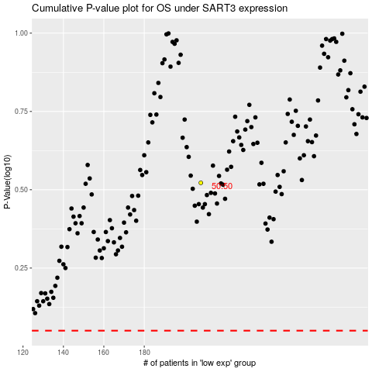

 |  |  |  |  |  | cases_OS | p_OS | rank | exp
 |  |  |  |  |  |  | cases_RFS | p_RFS | rank | exp

