SASH1 _multivariate
Reported by Tex Li-Hsing Chi. tex@gate.sinica.edu.tw 2019-08-16

Table 2. The clinicopathological features of HNSCC cohort and SASH1 expression. (Chi square test)
Cutoff at -0.27 (55.8%)
 |  | SASH1 expression |  | SASH1 expression |  | (Optimised)
 | Features | Low | (%) | High | (%) | Case no | P-value | Remark | Matthews
Gender | Female | 176 | 42.4 | 130 | 31.3 | 415 | 0.3191 | 0 | 0
2 | Male | 56 | 13.5 | 53 | 12.8
Age at diagnosis | <=65y | 154 | 37.1 | 120 | 28.9 | 415 | 0.9461 | 0 | 0
4 | >65y | 78 | 18.8 | 63 | 15.2
Clinical T Status | T1+T2 | 77 | 18.6 | 72 | 17.3 | 415 | 0.2322 | 0 | 0
6 | T3+T4 | 155 | 37.3 | 111 | 26.7
Clinical N Status | N0 | 110 | 26.5 | 106 | 25.5 | 415 | 0.0425 | 1 | 0
8 | N1-3 | 122 | 29.4 | 77 | 18.6
Clinical M Status | M0 | 229 | 55.2 | 183 | 44.1 | 415 | 0.2587 | 0 | 0
10 | M1 | 3 | 0.7 | 0 | 0
Clinical Stage | Stage I+II | 53 | 12.8 | 49 | 11.8 | 415 | 0.4187 | 0 | 0
12 | Stage III+IV | 179 | 43.1 | 134 | 32.3
Surgical Margin status | Negative | 173 | 41.7 | 145 | 34.9 | 415 | 0.2939 | 0 | 0
14 | Positive | 59 | 14.2 | 38 | 9.2
Tobacco Exposure | Low | 81 | 19.5 | 80 | 19.3 | 415 | 0.0691 | 0 | 0
16 | High | 151 | 36.4 | 103 | 24.8

Table 3. Univariate/Multivariate Cox's proportional hazards regression analyses on OS time of SASH1 gene expression in HNSCC

 |  | Univariate |  |  |  | Multivariate
 | Features | HR | CI95%(L) | CI95%(H) | P-value | HR | CI95%(L) | CI95%(H) | P-value
1 | Female | 1 |  |  |  | 1
Gender | Male | 1.157 | 0.843 | 1.587 | 0.367 | 1.209 | 0.863 | 1.694 | 0.269
11 | <=65y | 1 |  |  |  | 1
Age at diagnosis | >65y | 1.329 | 0.99 | 1.784 | 0.058 | 1.401 | 1.031 | 1.906 | 0.031
12 | T1+T2 | 1 |  |  |  | 1
Clinical T Status | T3+T4 | 1.409 | 1.028 | 1.931 | 0.033 | 2.11 | 1.113 | 3.999 | 0.022
13 | N0 | 1 |  |  |  | 1
Clinical N Status | N1-3 | 1.185 | 0.89 | 1.577 | 0.246 | 1.201 | 0.839 | 1.719 | 0.317
14 | M0 | 1 |  |  |  | 1
Clinical M Status | M1 | 4.097 | 1.009 | 16.644 | 0.049 | 8.399 | 1.818 | 38.799 | 0.006
15 | Stage I+II | 1 |  |  |  | 1
Clinical Stage | Stage III+IV | 1.245 | 0.882 | 1.759 | 0.213 | 0.54 | 0.25 | 1.167 | 0.117
16 | Negative | 1 |  |  |  | 1
Surgical Margin status | Positive | 1.591 | 1.155 | 2.191 | 0.004 | 1.648 | 1.192 | 2.278 | 0.003
17 | Low | 1 |  |  |  | 1
Tobacco Exposure | High | 1.364 | 1.008 | 1.844 | 0.044 | 1.428 | 1.034 | 1.973 | 0.031
18 | Low | 1 |  |  |  | 1
RNAseq(z-score) | High | 0.741 | 0.552 | 0.994 | 0.046 | 0.812 | 0.601 | 1.097 | 0.175

Table 4. Univariate/Multivariate Cox's proportional hazards regression analyses on RFS time of SASH1 gene expression in HNSCC

 |  | Univariate |  |  |  | Multivariate
 | Features | HR | CI95%(L) | CI95%(H) | P-value | HR | CI95%(L) | CI95%(H) | P-value
1 | Female | 1 |  |  |  | 1
Gender | Male | 1.157 | 0.843 | 1.587 | 0.367 | 1.209 | 0.863 | 1.694 | 0.269
11 | <=65y | 1 |  |  |  | 1
Age at diagnosis | >65y | 1.329 | 0.99 | 1.784 | 0.058 | 1.401 | 1.031 | 1.906 | 0.031
12 | T1+T2 | 1 |  |  |  | 1
Clinical T Status | T3+T4 | 1.409 | 1.028 | 1.931 | 0.033 | 2.11 | 1.113 | 3.999 | 0.022
13 | N0 | 1 |  |  |  | 1
Clinical N Status | N1-3 | 1.185 | 0.89 | 1.577 | 0.246 | 1.201 | 0.839 | 1.719 | 0.317
14 | M0 | 1 |  |  |  | 1
Clinical M Status | M1 | 4.097 | 1.009 | 16.644 | 0.049 | 8.399 | 1.818 | 38.799 | 0.006
15 | Stage I+II | 1 |  |  |  | 1
Clinical Stage | Stage III+IV | 1.245 | 0.882 | 1.759 | 0.213 | 0.54 | 0.25 | 1.167 | 0.117
16 | Negative | 1 |  |  |  | 1
Surgical Margin status | Positive | 1.591 | 1.155 | 2.191 | 0.004 | 1.648 | 1.192 | 2.278 | 0.003
17 | Low | 1 |  |  |  | 1
Tobacco Exposure | High | 1.364 | 1.008 | 1.844 | 0.044 | 1.428 | 1.034 | 1.973 | 0.031
18 | Low | 1 |  |  |  | 1
RNAseq(z-score) | High | 0.741 | 0.552 | 0.994 | 0.046 | 0.812 | 0.601 | 1.097 | 0.175

Kaplan-Meier survival estimate: Cutoff at -0.27 (55.8%)



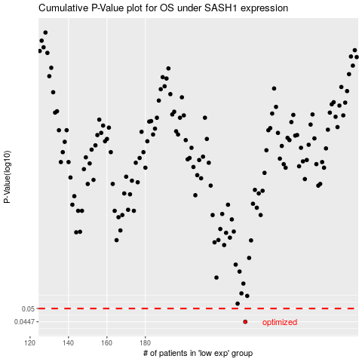

 |  |  |  |  |  | cases_OS | p_OS | rank | exp
 |  |  |  |  |  | 232 | 0.0447 | 75 | -0.27022628342
 |  |  |  |  |  |  | cases_RFS | p_RFS | rank | exp
 |  |  |  |  |  |  | 231 | 0.0447 | 124 | -0.27603413867

