SAT1 _multivariate
Reported by Tex Li-Hsing Chi. tex@gate.sinica.edu.tw 2019-08-16

Table 2. The clinicopathological features of HNSCC cohort and SAT1 expression. (Chi square test)
Cutoff at -0.278 (50.0%)
 |  | SAT1 expression |  | SAT1 expression |  | (Optimised)
 | Features | Low | (%) | High | (%) | Case no | P-value | Remark | Matthews
Gender | Female | 159 | 38.3 | 147 | 35.4 | 415 | 0.1905 | 0 | 0
2 | Male | 48 | 11.6 | 61 | 14.7
Age at diagnosis | <=65y | 143 | 34.5 | 131 | 31.6 | 415 | 0.2269 | 0 | 0
4 | >65y | 64 | 15.4 | 77 | 18.6
Clinical T Status | T1+T2 | 75 | 18.1 | 74 | 17.8 | 415 | 0.9707 | 0 | 0
6 | T3+T4 | 132 | 31.8 | 134 | 32.3
Clinical N Status | N0 | 101 | 24.3 | 115 | 27.7 | 415 | 0.2201 | 0 | 0
8 | N1-3 | 106 | 25.5 | 93 | 22.4
Clinical M Status | M0 | 204 | 49.2 | 208 | 50.1 | 415 | 0.1232 | 0 | 0
10 | M1 | 3 | 0.7 | 0 | 0
Clinical Stage | Stage I+II | 49 | 11.8 | 53 | 12.8 | 415 | 0.7535 | 0 | 0
12 | Stage III+IV | 158 | 38.1 | 155 | 37.3
Surgical Margin status | Negative | 168 | 40.5 | 150 | 36.1 | 415 | 0.0366 | 1 | 0
14 | Positive | 39 | 9.4 | 58 | 14
Tobacco Exposure | Low | 82 | 19.8 | 79 | 19 | 415 | 0.763 | 0 | 0
16 | High | 125 | 30.1 | 129 | 31.1

Table 3. Univariate/Multivariate Cox's proportional hazards regression analyses on OS time of SAT1 gene expression in HNSCC

 |  | Univariate |  |  |  | Multivariate
 | Features | HR | CI95%(L) | CI95%(H) | P-value | HR | CI95%(L) | CI95%(H) | P-value
1 | Female | 1 |  |  |  | 1
Gender | Male | 1.157 | 0.843 | 1.587 | 0.367 | 1.218 | 0.872 | 1.7 | 0.248
11 | <=65y | 1 |  |  |  | 1
Age at diagnosis | >65y | 1.329 | 0.99 | 1.784 | 0.058 | 1.419 | 1.043 | 1.931 | 0.026
12 | T1+T2 | 1 |  |  |  | 1
Clinical T Status | T3+T4 | 1.409 | 1.028 | 1.931 | 0.033 | 2.21 | 1.168 | 4.18 | 0.015
13 | N0 | 1 |  |  |  | 1
Clinical N Status | N1-3 | 1.185 | 0.89 | 1.577 | 0.246 | 1.199 | 0.839 | 1.714 | 0.318
14 | M0 | 1 |  |  |  | 1
Clinical M Status | M1 | 4.097 | 1.009 | 16.644 | 0.049 | 8.377 | 1.822 | 38.527 | 0.006
15 | Stage I+II | 1 |  |  |  | 1
Clinical Stage | Stage III+IV | 1.245 | 0.882 | 1.759 | 0.213 | 0.504 | 0.234 | 1.082 | 0.079
16 | Negative | 1 |  |  |  | 1
Surgical Margin status | Positive | 1.591 | 1.155 | 2.191 | 0.004 | 1.742 | 1.257 | 2.413 | 0.001
17 | Low | 1 |  |  |  | 1
Tobacco Exposure | High | 1.364 | 1.008 | 1.844 | 0.044 | 1.462 | 1.062 | 2.012 | 0.02
18 | Low | 1 |  |  |  | 1
RNAseq(z-score) | High | 0.783 | 0.585 | 1.046 | 0.098 | 0.738 | 0.548 | 0.992 | 0.044

Table 4. Univariate/Multivariate Cox's proportional hazards regression analyses on RFS time of SAT1 gene expression in HNSCC

 |  | Univariate |  |  |  | Multivariate
 | Features | HR | CI95%(L) | CI95%(H) | P-value | HR | CI95%(L) | CI95%(H) | P-value
1 | Female | 1 |  |  |  | 1
Gender | Male | 1.157 | 0.843 | 1.587 | 0.367 | 1.218 | 0.872 | 1.7 | 0.248
11 | <=65y | 1 |  |  |  | 1
Age at diagnosis | >65y | 1.329 | 0.99 | 1.784 | 0.058 | 1.419 | 1.043 | 1.931 | 0.026
12 | T1+T2 | 1 |  |  |  | 1
Clinical T Status | T3+T4 | 1.409 | 1.028 | 1.931 | 0.033 | 2.21 | 1.168 | 4.18 | 0.015
13 | N0 | 1 |  |  |  | 1
Clinical N Status | N1-3 | 1.185 | 0.89 | 1.577 | 0.246 | 1.199 | 0.839 | 1.714 | 0.318
14 | M0 | 1 |  |  |  | 1
Clinical M Status | M1 | 4.097 | 1.009 | 16.644 | 0.049 | 8.377 | 1.822 | 38.527 | 0.006
15 | Stage I+II | 1 |  |  |  | 1
Clinical Stage | Stage III+IV | 1.245 | 0.882 | 1.759 | 0.213 | 0.504 | 0.234 | 1.082 | 0.079
16 | Negative | 1 |  |  |  | 1
Surgical Margin status | Positive | 1.591 | 1.155 | 2.191 | 0.004 | 1.742 | 1.257 | 2.413 | 0.001
17 | Low | 1 |  |  |  | 1
Tobacco Exposure | High | 1.364 | 1.008 | 1.844 | 0.044 | 1.462 | 1.062 | 2.012 | 0.02
18 | Low | 1 |  |  |  | 1
RNAseq(z-score) | High | 0.783 | 0.585 | 1.046 | 0.098 | 0.738 | 0.548 | 0.992 | 0.044

Kaplan-Meier survival estimate: Cutoff at -0.278 (50.0%)



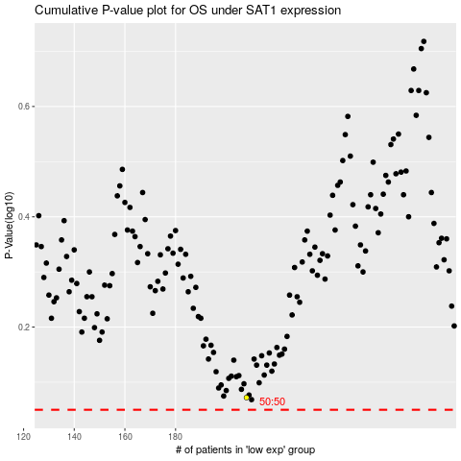

 |  |  |  |  |  | cases_OS | p_OS | rank | exp
 |  |  |  |  |  |  | cases_RFS | p_RFS | rank | exp

