SATB2 _multivariate
Reported by Tex Li-Hsing Chi. tex@gate.sinica.edu.tw 2019-08-16

Table 2. The clinicopathological features of HNSCC cohort and SATB2 expression. (Chi square test)
Cutoff at -0.168 (47.1%)
 |  | SATB2 expression |  | SATB2 expression |  | (Optimised)
 | Features | Low | (%) | High | (%) | Case no | P-value | Remark | Matthews
Gender | Female | 147 | 35.4 | 159 | 38.3 | 415 | 0.6583 | 0 | 0
2 | Male | 49 | 11.8 | 60 | 14.5
Age at diagnosis | <=65y | 137 | 33 | 137 | 33 | 415 | 0.1409 | 0 | 0
4 | >65y | 59 | 14.2 | 82 | 19.8
Clinical T Status | T1+T2 | 74 | 17.8 | 75 | 18.1 | 415 | 0.5213 | 0 | 0
6 | T3+T4 | 122 | 29.4 | 144 | 34.7
Clinical N Status | N0 | 98 | 23.6 | 118 | 28.4 | 415 | 0.4891 | 0 | 0
8 | N1-3 | 98 | 23.6 | 101 | 24.3
Clinical M Status | M0 | 193 | 46.5 | 219 | 52.8 | 415 | 0.1045 | 0 | 0
10 | M1 | 3 | 0.7 | 0 | 0
Clinical Stage | Stage I+II | 42 | 10.1 | 60 | 14.5 | 415 | 0.1951 | 0 | 0
12 | Stage III+IV | 154 | 37.1 | 159 | 38.3
Surgical Margin status | Negative | 151 | 36.4 | 167 | 40.2 | 415 | 0.9077 | 0 | 0
14 | Positive | 45 | 10.8 | 52 | 12.5
Tobacco Exposure | Low | 78 | 18.8 | 83 | 20 | 415 | 0.7622 | 0 | 0
16 | High | 118 | 28.4 | 136 | 32.8

Table 3. Univariate/Multivariate Cox's proportional hazards regression analyses on OS time of SATB2 gene expression in HNSCC

 |  | Univariate |  |  |  | Multivariate
 | Features | HR | CI95%(L) | CI95%(H) | P-value | HR | CI95%(L) | CI95%(H) | P-value
1 | Female | 1 |  |  |  | 1
Gender | Male | 1.157 | 0.843 | 1.587 | 0.367 | 1.194 | 0.855 | 1.667 | 0.299
11 | <=65y | 1 |  |  |  | 1
Age at diagnosis | >65y | 1.329 | 0.99 | 1.784 | 0.058 | 1.369 | 1.006 | 1.862 | 0.046
12 | T1+T2 | 1 |  |  |  | 1
Clinical T Status | T3+T4 | 1.409 | 1.028 | 1.931 | 0.033 | 2.099 | 1.109 | 3.974 | 0.023
13 | N0 | 1 |  |  |  | 1
Clinical N Status | N1-3 | 1.185 | 0.89 | 1.577 | 0.246 | 1.237 | 0.866 | 1.766 | 0.242
14 | M0 | 1 |  |  |  | 1
Clinical M Status | M1 | 4.097 | 1.009 | 16.644 | 0.049 | 10.752 | 2.331 | 49.585 | 0.002
15 | Stage I+II | 1 |  |  |  | 1
Clinical Stage | Stage III+IV | 1.245 | 0.882 | 1.759 | 0.213 | 0.541 | 0.251 | 1.164 | 0.116
16 | Negative | 1 |  |  |  | 1
Surgical Margin status | Positive | 1.591 | 1.155 | 2.191 | 0.004 | 1.719 | 1.242 | 2.378 | 0.001
17 | Low | 1 |  |  |  | 1
Tobacco Exposure | High | 1.364 | 1.008 | 1.844 | 0.044 | 1.446 | 1.051 | 1.988 | 0.023
18 | Low | 1 |  |  |  | 1
RNAseq(z-score) | High | 1.346 | 1.002 | 1.808 | 0.048 | 1.373 | 1.017 | 1.854 | 0.039

Table 4. Univariate/Multivariate Cox's proportional hazards regression analyses on RFS time of SATB2 gene expression in HNSCC

 |  | Univariate |  |  |  | Multivariate
 | Features | HR | CI95%(L) | CI95%(H) | P-value | HR | CI95%(L) | CI95%(H) | P-value
1 | Female | 1 |  |  |  | 1
Gender | Male | 1.157 | 0.843 | 1.587 | 0.367 | 1.194 | 0.855 | 1.667 | 0.299
11 | <=65y | 1 |  |  |  | 1
Age at diagnosis | >65y | 1.329 | 0.99 | 1.784 | 0.058 | 1.369 | 1.006 | 1.862 | 0.046
12 | T1+T2 | 1 |  |  |  | 1
Clinical T Status | T3+T4 | 1.409 | 1.028 | 1.931 | 0.033 | 2.099 | 1.109 | 3.974 | 0.023
13 | N0 | 1 |  |  |  | 1
Clinical N Status | N1-3 | 1.185 | 0.89 | 1.577 | 0.246 | 1.237 | 0.866 | 1.766 | 0.242
14 | M0 | 1 |  |  |  | 1
Clinical M Status | M1 | 4.097 | 1.009 | 16.644 | 0.049 | 10.752 | 2.331 | 49.585 | 0.002
15 | Stage I+II | 1 |  |  |  | 1
Clinical Stage | Stage III+IV | 1.245 | 0.882 | 1.759 | 0.213 | 0.541 | 0.251 | 1.164 | 0.116
16 | Negative | 1 |  |  |  | 1
Surgical Margin status | Positive | 1.591 | 1.155 | 2.191 | 0.004 | 1.719 | 1.242 | 2.378 | 0.001
17 | Low | 1 |  |  |  | 1
Tobacco Exposure | High | 1.364 | 1.008 | 1.844 | 0.044 | 1.446 | 1.051 | 1.988 | 0.023
18 | Low | 1 |  |  |  | 1
RNAseq(z-score) | High | 1.346 | 1.002 | 1.808 | 0.048 | 1.373 | 1.017 | 1.854 | 0.039

Kaplan-Meier survival estimate: Cutoff at -0.168 (47.1%)



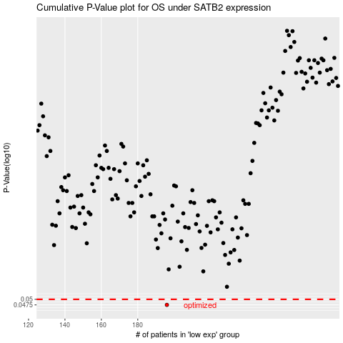

 |  |  |  |  |  | cases_OS | p_OS | rank | exp
 |  |  |  |  |  | 196 | 0.0475 | 108 | -0.16809575786
 |  |  |  |  |  |  | cases_RFS | p_RFS | rank | exp
 |  |  |  |  |  |  | 195 | 0.0475 | 271 | -0.18977790409

