SCAMP2 _multivariate
Reported by Tex Li-Hsing Chi. tex@gate.sinica.edu.tw 2019-08-16

Table 2. The clinicopathological features of HNSCC cohort and SCAMP2 expression. (Chi square test)
Cutoff at -0.217 (50.0%)
 |  | SCAMP2 expression |  | SCAMP2 expression |  | (Optimised)
 | Features | Low | (%) | High | (%) | Case no | P-value | Remark | Matthews
Gender | Female | 165 | 39.8 | 141 | 34 | 415 | 0.0081 | 1 | 0
2 | Male | 42 | 10.1 | 67 | 16.1
Age at diagnosis | <=65y | 142 | 34.2 | 132 | 31.8 | 415 | 0.3167 | 0 | 0
4 | >65y | 65 | 15.7 | 76 | 18.3
Clinical T Status | T1+T2 | 69 | 16.6 | 80 | 19.3 | 415 | 0.3239 | 0 | 0
6 | T3+T4 | 138 | 33.3 | 128 | 30.8
Clinical N Status | N0 | 92 | 22.2 | 124 | 29.9 | 415 | 0.0027 | 1 | 0
8 | N1-3 | 115 | 27.7 | 84 | 20.2
Clinical M Status | M0 | 207 | 49.9 | 205 | 49.4 | 415 | 0.2482 | 0 | 0
10 | M1 | 0 | 0 | 3 | 0.7
Clinical Stage | Stage I+II | 42 | 10.1 | 60 | 14.5 | 415 | 0.0561 | 0 | 0
12 | Stage III+IV | 165 | 39.8 | 148 | 35.7
Surgical Margin status | Negative | 154 | 37.1 | 164 | 39.5 | 415 | 0.2984 | 0 | 0
14 | Positive | 53 | 12.8 | 44 | 10.6
Tobacco Exposure | Low | 72 | 17.3 | 89 | 21.4 | 415 | 0.1071 | 0 | 0
16 | High | 135 | 32.5 | 119 | 28.7

Table 3. Univariate/Multivariate Cox's proportional hazards regression analyses on OS time of SCAMP2 gene expression in HNSCC

 |  | Univariate |  |  |  | Multivariate
 | Features | HR | CI95%(L) | CI95%(H) | P-value | HR | CI95%(L) | CI95%(H) | P-value
1 | Female | 1 |  |  |  | 1
Gender | Male | 1.157 | 0.843 | 1.587 | 0.367 | 1.202 | 0.859 | 1.682 | 0.282
11 | <=65y | 1 |  |  |  | 1
Age at diagnosis | >65y | 1.329 | 0.99 | 1.784 | 0.058 | 1.391 | 1.023 | 1.893 | 0.036
12 | T1+T2 | 1 |  |  |  | 1
Clinical T Status | T3+T4 | 1.409 | 1.028 | 1.931 | 0.033 | 2.203 | 1.165 | 4.165 | 0.015
13 | N0 | 1 |  |  |  | 1
Clinical N Status | N1-3 | 1.185 | 0.89 | 1.577 | 0.246 | 1.239 | 0.863 | 1.78 | 0.245
14 | M0 | 1 |  |  |  | 1
Clinical M Status | M1 | 4.097 | 1.009 | 16.644 | 0.049 | 9.442 | 2.033 | 43.847 | 0.004
15 | Stage I+II | 1 |  |  |  | 1
Clinical Stage | Stage III+IV | 1.245 | 0.882 | 1.759 | 0.213 | 0.504 | 0.235 | 1.083 | 0.079
16 | Negative | 1 |  |  |  | 1
Surgical Margin status | Positive | 1.591 | 1.155 | 2.191 | 0.004 | 1.671 | 1.209 | 2.31 | 0.002
17 | Low | 1 |  |  |  | 1
Tobacco Exposure | High | 1.364 | 1.008 | 1.844 | 0.044 | 1.453 | 1.055 | 2.002 | 0.022
18 | Low | 1 |  |  |  | 1
RNAseq(z-score) | High | 0.973 | 0.731 | 1.297 | 0.854 | 0.994 | 0.738 | 1.341 | 0.971

Table 4. Univariate/Multivariate Cox's proportional hazards regression analyses on RFS time of SCAMP2 gene expression in HNSCC

 |  | Univariate |  |  |  | Multivariate
 | Features | HR | CI95%(L) | CI95%(H) | P-value | HR | CI95%(L) | CI95%(H) | P-value
1 | Female | 1 |  |  |  | 1
Gender | Male | 1.157 | 0.843 | 1.587 | 0.367 | 1.202 | 0.859 | 1.682 | 0.282
11 | <=65y | 1 |  |  |  | 1
Age at diagnosis | >65y | 1.329 | 0.99 | 1.784 | 0.058 | 1.391 | 1.023 | 1.893 | 0.036
12 | T1+T2 | 1 |  |  |  | 1
Clinical T Status | T3+T4 | 1.409 | 1.028 | 1.931 | 0.033 | 2.203 | 1.165 | 4.165 | 0.015
13 | N0 | 1 |  |  |  | 1
Clinical N Status | N1-3 | 1.185 | 0.89 | 1.577 | 0.246 | 1.239 | 0.863 | 1.78 | 0.245
14 | M0 | 1 |  |  |  | 1
Clinical M Status | M1 | 4.097 | 1.009 | 16.644 | 0.049 | 9.442 | 2.033 | 43.847 | 0.004
15 | Stage I+II | 1 |  |  |  | 1
Clinical Stage | Stage III+IV | 1.245 | 0.882 | 1.759 | 0.213 | 0.504 | 0.235 | 1.083 | 0.079
16 | Negative | 1 |  |  |  | 1
Surgical Margin status | Positive | 1.591 | 1.155 | 2.191 | 0.004 | 1.671 | 1.209 | 2.31 | 0.002
17 | Low | 1 |  |  |  | 1
Tobacco Exposure | High | 1.364 | 1.008 | 1.844 | 0.044 | 1.453 | 1.055 | 2.002 | 0.022
18 | Low | 1 |  |  |  | 1
RNAseq(z-score) | High | 0.973 | 0.731 | 1.297 | 0.854 | 0.994 | 0.738 | 1.341 | 0.971

Kaplan-Meier survival estimate: Cutoff at -0.217 (50.0%)



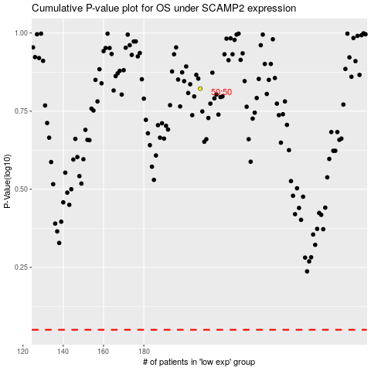

 |  |  |  |  |  | cases_OS | p_OS | rank | exp
 |  |  |  |  |  |  | cases_RFS | p_RFS | rank | exp

