SCAMP3 _multivariate
Reported by Tex Li-Hsing Chi. tex@gate.sinica.edu.tw 2019-08-16

Table 2. The clinicopathological features of HNSCC cohort and SCAMP3 expression. (Chi square test)
Cutoff at -0.242 (50.0%)
 |  | SCAMP3 expression |  | SCAMP3 expression |  | (Optimised)
 | Features | Low | (%) | High | (%) | Case no | P-value | Remark | Matthews
Gender | Female | 150 | 36.1 | 156 | 37.6 | 415 | 0.6344 | 0 | 0
2 | Male | 57 | 13.7 | 52 | 12.5
Age at diagnosis | <=65y | 130 | 31.3 | 144 | 34.7 | 415 | 0.2009 | 0 | 0
4 | >65y | 77 | 18.6 | 64 | 15.4
Clinical T Status | T1+T2 | 81 | 19.5 | 68 | 16.4 | 415 | 0.206 | 0 | 0
6 | T3+T4 | 126 | 30.4 | 140 | 33.7
Clinical N Status | N0 | 111 | 26.7 | 105 | 25.3 | 415 | 0.5875 | 0 | 0
8 | N1-3 | 96 | 23.1 | 103 | 24.8
Clinical M Status | M0 | 206 | 49.6 | 206 | 49.6 | 415 | 1 | 0 | 0
10 | M1 | 1 | 0.2 | 2 | 0.5
Clinical Stage | Stage I+II | 55 | 13.3 | 47 | 11.3 | 415 | 0.4087 | 0 | 0
12 | Stage III+IV | 152 | 36.6 | 161 | 38.8
Surgical Margin status | Negative | 156 | 37.6 | 162 | 39 | 415 | 0.5636 | 0 | 0
14 | Positive | 51 | 12.3 | 46 | 11.1
Tobacco Exposure | Low | 90 | 21.7 | 71 | 17.1 | 415 | 0.0559 | 0 | 0
16 | High | 117 | 28.2 | 137 | 33

Table 3. Univariate/Multivariate Cox's proportional hazards regression analyses on OS time of SCAMP3 gene expression in HNSCC

 |  | Univariate |  |  |  | Multivariate
 | Features | HR | CI95%(L) | CI95%(H) | P-value | HR | CI95%(L) | CI95%(H) | P-value
1 | Female | 1 |  |  |  | 1
Gender | Male | 1.157 | 0.843 | 1.587 | 0.367 | 1.198 | 0.857 | 1.674 | 0.291
11 | <=65y | 1 |  |  |  | 1
Age at diagnosis | >65y | 1.329 | 0.99 | 1.784 | 0.058 | 1.389 | 1.021 | 1.888 | 0.036
12 | T1+T2 | 1 |  |  |  | 1
Clinical T Status | T3+T4 | 1.409 | 1.028 | 1.931 | 0.033 | 2.243 | 1.184 | 4.25 | 0.013
13 | N0 | 1 |  |  |  | 1
Clinical N Status | N1-3 | 1.185 | 0.89 | 1.577 | 0.246 | 1.259 | 0.881 | 1.8 | 0.206
14 | M0 | 1 |  |  |  | 1
Clinical M Status | M1 | 4.097 | 1.009 | 16.644 | 0.049 | 9.867 | 2.143 | 45.426 | 0.003
15 | Stage I+II | 1 |  |  |  | 1
Clinical Stage | Stage III+IV | 1.245 | 0.882 | 1.759 | 0.213 | 0.492 | 0.229 | 1.06 | 0.07
16 | Negative | 1 |  |  |  | 1
Surgical Margin status | Positive | 1.591 | 1.155 | 2.191 | 0.004 | 1.684 | 1.218 | 2.329 | 0.002
17 | Low | 1 |  |  |  | 1
Tobacco Exposure | High | 1.364 | 1.008 | 1.844 | 0.044 | 1.475 | 1.068 | 2.038 | 0.018
18 | Low | 1 |  |  |  | 1
RNAseq(z-score) | High | 0.974 | 0.73 | 1.3 | 0.857 | 0.885 | 0.66 | 1.188 | 0.416

Table 4. Univariate/Multivariate Cox's proportional hazards regression analyses on RFS time of SCAMP3 gene expression in HNSCC

 |  | Univariate |  |  |  | Multivariate
 | Features | HR | CI95%(L) | CI95%(H) | P-value | HR | CI95%(L) | CI95%(H) | P-value
1 | Female | 1 |  |  |  | 1
Gender | Male | 1.157 | 0.843 | 1.587 | 0.367 | 1.198 | 0.857 | 1.674 | 0.291
11 | <=65y | 1 |  |  |  | 1
Age at diagnosis | >65y | 1.329 | 0.99 | 1.784 | 0.058 | 1.389 | 1.021 | 1.888 | 0.036
12 | T1+T2 | 1 |  |  |  | 1
Clinical T Status | T3+T4 | 1.409 | 1.028 | 1.931 | 0.033 | 2.243 | 1.184 | 4.25 | 0.013
13 | N0 | 1 |  |  |  | 1
Clinical N Status | N1-3 | 1.185 | 0.89 | 1.577 | 0.246 | 1.259 | 0.881 | 1.8 | 0.206
14 | M0 | 1 |  |  |  | 1
Clinical M Status | M1 | 4.097 | 1.009 | 16.644 | 0.049 | 9.867 | 2.143 | 45.426 | 0.003
15 | Stage I+II | 1 |  |  |  | 1
Clinical Stage | Stage III+IV | 1.245 | 0.882 | 1.759 | 0.213 | 0.492 | 0.229 | 1.06 | 0.07
16 | Negative | 1 |  |  |  | 1
Surgical Margin status | Positive | 1.591 | 1.155 | 2.191 | 0.004 | 1.684 | 1.218 | 2.329 | 0.002
17 | Low | 1 |  |  |  | 1
Tobacco Exposure | High | 1.364 | 1.008 | 1.844 | 0.044 | 1.475 | 1.068 | 2.038 | 0.018
18 | Low | 1 |  |  |  | 1
RNAseq(z-score) | High | 0.974 | 0.73 | 1.3 | 0.857 | 0.885 | 0.66 | 1.188 | 0.416

Kaplan-Meier survival estimate: Cutoff at -0.242 (50.0%)



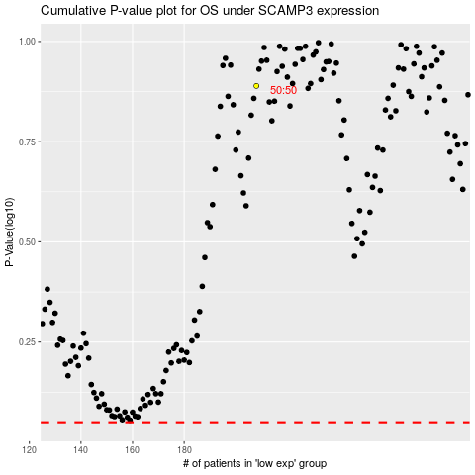

 |  |  |  |  |  | cases_OS | p_OS | rank | exp
 |  |  |  |  |  |  | cases_RFS | p_RFS | rank | exp

