SCAMP4 _multivariate
Reported by Tex Li-Hsing Chi. tex@gate.sinica.edu.tw 2019-08-16

Table 2. The clinicopathological features of HNSCC cohort and SCAMP4 expression. (Chi square test)
Cutoff at -0.1 (50.0%)
 |  | SCAMP4 expression |  | SCAMP4 expression |  | (Optimised)
 | Features | Low | (%) | High | (%) | Case no | P-value | Remark | Matthews
Gender | Female | 160 | 38.6 | 146 | 35.2 | 415 | 0.1254 | 0 | 0
2 | Male | 47 | 11.3 | 62 | 14.9
Age at diagnosis | <=65y | 139 | 33.5 | 135 | 32.5 | 415 | 0.7044 | 0 | 0
4 | >65y | 68 | 16.4 | 73 | 17.6
Clinical T Status | T1+T2 | 77 | 18.6 | 72 | 17.3 | 415 | 0.6556 | 0 | 0
6 | T3+T4 | 130 | 31.3 | 136 | 32.8
Clinical N Status | N0 | 106 | 25.5 | 110 | 26.5 | 415 | 0.8075 | 0 | 0
8 | N1-3 | 101 | 24.3 | 98 | 23.6
Clinical M Status | M0 | 205 | 49.4 | 207 | 49.9 | 415 | 0.6232 | 0 | 0
10 | M1 | 2 | 0.5 | 1 | 0.2
Clinical Stage | Stage I+II | 46 | 11.1 | 56 | 13.5 | 415 | 0.3182 | 0 | 0
12 | Stage III+IV | 161 | 38.8 | 152 | 36.6
Surgical Margin status | Negative | 151 | 36.4 | 167 | 40.2 | 415 | 0.0828 | 0 | 0
14 | Positive | 56 | 13.5 | 41 | 9.9
Tobacco Exposure | Low | 66 | 15.9 | 95 | 22.9 | 415 | 0.0048 | 1 | 0
16 | High | 141 | 34 | 113 | 27.2

Table 3. Univariate/Multivariate Cox's proportional hazards regression analyses on OS time of SCAMP4 gene expression in HNSCC

 |  | Univariate |  |  |  | Multivariate
 | Features | HR | CI95%(L) | CI95%(H) | P-value | HR | CI95%(L) | CI95%(H) | P-value
1 | Female | 1 |  |  |  | 1
Gender | Male | 1.157 | 0.843 | 1.587 | 0.367 | 1.211 | 0.867 | 1.691 | 0.261
11 | <=65y | 1 |  |  |  | 1
Age at diagnosis | >65y | 1.329 | 0.99 | 1.784 | 0.058 | 1.385 | 1.018 | 1.884 | 0.038
12 | T1+T2 | 1 |  |  |  | 1
Clinical T Status | T3+T4 | 1.409 | 1.028 | 1.931 | 0.033 | 2.246 | 1.185 | 4.257 | 0.013
13 | N0 | 1 |  |  |  | 1
Clinical N Status | N1-3 | 1.185 | 0.89 | 1.577 | 0.246 | 1.26 | 0.881 | 1.801 | 0.206
14 | M0 | 1 |  |  |  | 1
Clinical M Status | M1 | 4.097 | 1.009 | 16.644 | 0.049 | 9.461 | 2.063 | 43.374 | 0.004
15 | Stage I+II | 1 |  |  |  | 1
Clinical Stage | Stage III+IV | 1.245 | 0.882 | 1.759 | 0.213 | 0.485 | 0.225 | 1.048 | 0.066
16 | Negative | 1 |  |  |  | 1
Surgical Margin status | Positive | 1.591 | 1.155 | 2.191 | 0.004 | 1.66 | 1.2 | 2.295 | 0.002
17 | Low | 1 |  |  |  | 1
Tobacco Exposure | High | 1.364 | 1.008 | 1.844 | 0.044 | 1.434 | 1.04 | 1.978 | 0.028
18 | Low | 1 |  |  |  | 1
RNAseq(z-score) | High | 0.876 | 0.658 | 1.167 | 0.367 | 0.89 | 0.663 | 1.195 | 0.437

Table 4. Univariate/Multivariate Cox's proportional hazards regression analyses on RFS time of SCAMP4 gene expression in HNSCC

 |  | Univariate |  |  |  | Multivariate
 | Features | HR | CI95%(L) | CI95%(H) | P-value | HR | CI95%(L) | CI95%(H) | P-value
1 | Female | 1 |  |  |  | 1
Gender | Male | 1.157 | 0.843 | 1.587 | 0.367 | 1.211 | 0.867 | 1.691 | 0.261
11 | <=65y | 1 |  |  |  | 1
Age at diagnosis | >65y | 1.329 | 0.99 | 1.784 | 0.058 | 1.385 | 1.018 | 1.884 | 0.038
12 | T1+T2 | 1 |  |  |  | 1
Clinical T Status | T3+T4 | 1.409 | 1.028 | 1.931 | 0.033 | 2.246 | 1.185 | 4.257 | 0.013
13 | N0 | 1 |  |  |  | 1
Clinical N Status | N1-3 | 1.185 | 0.89 | 1.577 | 0.246 | 1.26 | 0.881 | 1.801 | 0.206
14 | M0 | 1 |  |  |  | 1
Clinical M Status | M1 | 4.097 | 1.009 | 16.644 | 0.049 | 9.461 | 2.063 | 43.374 | 0.004
15 | Stage I+II | 1 |  |  |  | 1
Clinical Stage | Stage III+IV | 1.245 | 0.882 | 1.759 | 0.213 | 0.485 | 0.225 | 1.048 | 0.066
16 | Negative | 1 |  |  |  | 1
Surgical Margin status | Positive | 1.591 | 1.155 | 2.191 | 0.004 | 1.66 | 1.2 | 2.295 | 0.002
17 | Low | 1 |  |  |  | 1
Tobacco Exposure | High | 1.364 | 1.008 | 1.844 | 0.044 | 1.434 | 1.04 | 1.978 | 0.028
18 | Low | 1 |  |  |  | 1
RNAseq(z-score) | High | 0.876 | 0.658 | 1.167 | 0.367 | 0.89 | 0.663 | 1.195 | 0.437

Kaplan-Meier survival estimate: Cutoff at -0.1 (50.0%)



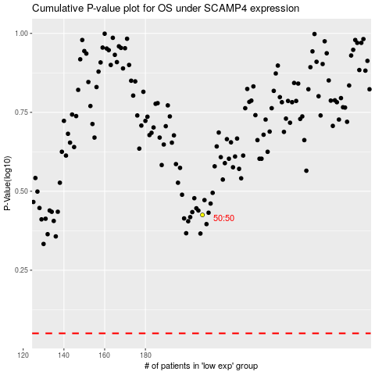

 |  |  |  |  |  | cases_OS | p_OS | rank | exp
 |  |  |  |  |  |  | cases_RFS | p_RFS | rank | exp

