SCAP _multivariate
Reported by Tex Li-Hsing Chi. tex@gate.sinica.edu.tw 2019-08-16

Table 2. The clinicopathological features of HNSCC cohort and SCAP expression. (Chi square test)
Cutoff at -0.22 (49.8%)
 |  | SCAP expression |  | SCAP expression |  | (Optimised)
 | Features | Low | (%) | High | (%) | Case no | P-value | Remark | Matthews
Gender | Female | 153 | 36.9 | 153 | 36.9 | 415 | 1 | 0 | 0
2 | Male | 54 | 13 | 55 | 13.3
Age at diagnosis | <=65y | 145 | 34.9 | 129 | 31.1 | 415 | 0.1046 | 0 | 0
4 | >65y | 62 | 14.9 | 79 | 19
Clinical T Status | T1+T2 | 82 | 19.8 | 67 | 16.1 | 415 | 0.1417 | 0 | 0
6 | T3+T4 | 125 | 30.1 | 141 | 34
Clinical N Status | N0 | 96 | 23.1 | 120 | 28.9 | 415 | 0.0272 | 1 | 0
8 | N1-3 | 111 | 26.7 | 88 | 21.2
Clinical M Status | M0 | 204 | 49.2 | 208 | 50.1 | 415 | 0.1232 | 0 | 0
10 | M1 | 3 | 0.7 | 0 | 0
Clinical Stage | Stage I+II | 56 | 13.5 | 46 | 11.1 | 415 | 0.2918 | 0 | 0
12 | Stage III+IV | 151 | 36.4 | 162 | 39
Surgical Margin status | Negative | 160 | 38.6 | 158 | 38.1 | 415 | 0.8167 | 0 | 0
14 | Positive | 47 | 11.3 | 50 | 12
Tobacco Exposure | Low | 71 | 17.1 | 90 | 21.7 | 415 | 0.0698 | 0 | 0
16 | High | 136 | 32.8 | 118 | 28.4

Table 3. Univariate/Multivariate Cox's proportional hazards regression analyses on OS time of SCAP gene expression in HNSCC

 |  | Univariate |  |  |  | Multivariate
 | Features | HR | CI95%(L) | CI95%(H) | P-value | HR | CI95%(L) | CI95%(H) | P-value
1 | Female | 1 |  |  |  | 1
Gender | Male | 1.157 | 0.843 | 1.587 | 0.367 | 1.2 | 0.859 | 1.676 | 0.286
11 | <=65y | 1 |  |  |  | 1
Age at diagnosis | >65y | 1.329 | 0.99 | 1.784 | 0.058 | 1.396 | 1.026 | 1.9 | 0.034
12 | T1+T2 | 1 |  |  |  | 1
Clinical T Status | T3+T4 | 1.409 | 1.028 | 1.931 | 0.033 | 2.203 | 1.165 | 4.165 | 0.015
13 | N0 | 1 |  |  |  | 1
Clinical N Status | N1-3 | 1.185 | 0.89 | 1.577 | 0.246 | 1.234 | 0.862 | 1.766 | 0.251
14 | M0 | 1 |  |  |  | 1
Clinical M Status | M1 | 4.097 | 1.009 | 16.644 | 0.049 | 9.259 | 2.008 | 42.695 | 0.004
15 | Stage I+II | 1 |  |  |  | 1
Clinical Stage | Stage III+IV | 1.245 | 0.882 | 1.759 | 0.213 | 0.508 | 0.236 | 1.092 | 0.083
16 | Negative | 1 |  |  |  | 1
Surgical Margin status | Positive | 1.591 | 1.155 | 2.191 | 0.004 | 1.67 | 1.209 | 2.308 | 0.002
17 | Low | 1 |  |  |  | 1
Tobacco Exposure | High | 1.364 | 1.008 | 1.844 | 0.044 | 1.448 | 1.05 | 1.998 | 0.024
18 | Low | 1 |  |  |  | 1
RNAseq(z-score) | High | 0.95 | 0.714 | 1.266 | 0.727 | 0.966 | 0.72 | 1.298 | 0.82

Table 4. Univariate/Multivariate Cox's proportional hazards regression analyses on RFS time of SCAP gene expression in HNSCC

 |  | Univariate |  |  |  | Multivariate
 | Features | HR | CI95%(L) | CI95%(H) | P-value | HR | CI95%(L) | CI95%(H) | P-value
1 | Female | 1 |  |  |  | 1
Gender | Male | 1.157 | 0.843 | 1.587 | 0.367 | 1.2 | 0.859 | 1.676 | 0.286
11 | <=65y | 1 |  |  |  | 1
Age at diagnosis | >65y | 1.329 | 0.99 | 1.784 | 0.058 | 1.396 | 1.026 | 1.9 | 0.034
12 | T1+T2 | 1 |  |  |  | 1
Clinical T Status | T3+T4 | 1.409 | 1.028 | 1.931 | 0.033 | 2.203 | 1.165 | 4.165 | 0.015
13 | N0 | 1 |  |  |  | 1
Clinical N Status | N1-3 | 1.185 | 0.89 | 1.577 | 0.246 | 1.234 | 0.862 | 1.766 | 0.251
14 | M0 | 1 |  |  |  | 1
Clinical M Status | M1 | 4.097 | 1.009 | 16.644 | 0.049 | 9.259 | 2.008 | 42.695 | 0.004
15 | Stage I+II | 1 |  |  |  | 1
Clinical Stage | Stage III+IV | 1.245 | 0.882 | 1.759 | 0.213 | 0.508 | 0.236 | 1.092 | 0.083
16 | Negative | 1 |  |  |  | 1
Surgical Margin status | Positive | 1.591 | 1.155 | 2.191 | 0.004 | 1.67 | 1.209 | 2.308 | 0.002
17 | Low | 1 |  |  |  | 1
Tobacco Exposure | High | 1.364 | 1.008 | 1.844 | 0.044 | 1.448 | 1.05 | 1.998 | 0.024
18 | Low | 1 |  |  |  | 1
RNAseq(z-score) | High | 0.95 | 0.714 | 1.266 | 0.727 | 0.966 | 0.72 | 1.298 | 0.82

Kaplan-Meier survival estimate: Cutoff at -0.22 (49.8%)



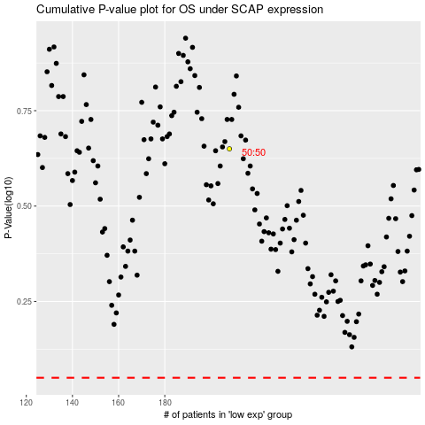

 |  |  |  |  |  | cases_OS | p_OS | rank | exp
 |  |  |  |  |  |  | cases_RFS | p_RFS | rank | exp

