SCARA3 _multivariate
Reported by Tex Li-Hsing Chi. tex@gate.sinica.edu.tw 2019-08-16

Table 2. The clinicopathological features of HNSCC cohort and SCARA3 expression. (Chi square test)
Cutoff at -0.369 (49.8%)
 |  | SCARA3 expression |  | SCARA3 expression |  | (Optimised)
 | Features | Low | (%) | High | (%) | Case no | P-value | Remark | Matthews
Gender | Female | 145 | 34.9 | 161 | 38.8 | 415 | 0.1116 | 0 | 0
2 | Male | 62 | 14.9 | 47 | 11.3
Age at diagnosis | <=65y | 133 | 32 | 141 | 34 | 415 | 0.5111 | 0 | 0
4 | >65y | 74 | 17.8 | 67 | 16.1
Clinical T Status | T1+T2 | 69 | 16.6 | 80 | 19.3 | 415 | 0.3239 | 0 | 0
6 | T3+T4 | 138 | 33.3 | 128 | 30.8
Clinical N Status | N0 | 102 | 24.6 | 114 | 27.5 | 415 | 0.3031 | 0 | 0
8 | N1-3 | 105 | 25.3 | 94 | 22.7
Clinical M Status | M0 | 205 | 49.4 | 207 | 49.9 | 415 | 0.6232 | 0 | 0
10 | M1 | 2 | 0.5 | 1 | 0.2
Clinical Stage | Stage I+II | 43 | 10.4 | 59 | 14.2 | 415 | 0.0925 | 0 | 0
12 | Stage III+IV | 164 | 39.5 | 149 | 35.9
Surgical Margin status | Negative | 159 | 38.3 | 159 | 38.3 | 415 | 1 | 0 | 0
14 | Positive | 48 | 11.6 | 49 | 11.8
Tobacco Exposure | Low | 95 | 22.9 | 66 | 15.9 | 415 | 0.0035 | 1 | 0
16 | High | 112 | 27 | 142 | 34.2

Table 3. Univariate/Multivariate Cox's proportional hazards regression analyses on OS time of SCARA3 gene expression in HNSCC

 |  | Univariate |  |  |  | Multivariate
 | Features | HR | CI95%(L) | CI95%(H) | P-value | HR | CI95%(L) | CI95%(H) | P-value
1 | Female | 1 |  |  |  | 1
Gender | Male | 1.157 | 0.843 | 1.587 | 0.367 | 1.177 | 0.84 | 1.648 | 0.344
11 | <=65y | 1 |  |  |  | 1
Age at diagnosis | >65y | 1.329 | 0.99 | 1.784 | 0.058 | 1.387 | 1.02 | 1.887 | 0.037
12 | T1+T2 | 1 |  |  |  | 1
Clinical T Status | T3+T4 | 1.409 | 1.028 | 1.931 | 0.033 | 2.216 | 1.172 | 4.189 | 0.014
13 | N0 | 1 |  |  |  | 1
Clinical N Status | N1-3 | 1.185 | 0.89 | 1.577 | 0.246 | 1.247 | 0.874 | 1.778 | 0.224
14 | M0 | 1 |  |  |  | 1
Clinical M Status | M1 | 4.097 | 1.009 | 16.644 | 0.049 | 8.995 | 1.958 | 41.328 | 0.005
15 | Stage I+II | 1 |  |  |  | 1
Clinical Stage | Stage III+IV | 1.245 | 0.882 | 1.759 | 0.213 | 0.496 | 0.231 | 1.065 | 0.072
16 | Negative | 1 |  |  |  | 1
Surgical Margin status | Positive | 1.591 | 1.155 | 2.191 | 0.004 | 1.683 | 1.217 | 2.326 | 0.002
17 | Low | 1 |  |  |  | 1
Tobacco Exposure | High | 1.364 | 1.008 | 1.844 | 0.044 | 1.499 | 1.082 | 2.078 | 0.015
18 | Low | 1 |  |  |  | 1
RNAseq(z-score) | High | 0.891 | 0.668 | 1.188 | 0.431 | 0.853 | 0.633 | 1.148 | 0.294

Table 4. Univariate/Multivariate Cox's proportional hazards regression analyses on RFS time of SCARA3 gene expression in HNSCC

 |  | Univariate |  |  |  | Multivariate
 | Features | HR | CI95%(L) | CI95%(H) | P-value | HR | CI95%(L) | CI95%(H) | P-value
1 | Female | 1 |  |  |  | 1
Gender | Male | 1.157 | 0.843 | 1.587 | 0.367 | 1.177 | 0.84 | 1.648 | 0.344
11 | <=65y | 1 |  |  |  | 1
Age at diagnosis | >65y | 1.329 | 0.99 | 1.784 | 0.058 | 1.387 | 1.02 | 1.887 | 0.037
12 | T1+T2 | 1 |  |  |  | 1
Clinical T Status | T3+T4 | 1.409 | 1.028 | 1.931 | 0.033 | 2.216 | 1.172 | 4.189 | 0.014
13 | N0 | 1 |  |  |  | 1
Clinical N Status | N1-3 | 1.185 | 0.89 | 1.577 | 0.246 | 1.247 | 0.874 | 1.778 | 0.224
14 | M0 | 1 |  |  |  | 1
Clinical M Status | M1 | 4.097 | 1.009 | 16.644 | 0.049 | 8.995 | 1.958 | 41.328 | 0.005
15 | Stage I+II | 1 |  |  |  | 1
Clinical Stage | Stage III+IV | 1.245 | 0.882 | 1.759 | 0.213 | 0.496 | 0.231 | 1.065 | 0.072
16 | Negative | 1 |  |  |  | 1
Surgical Margin status | Positive | 1.591 | 1.155 | 2.191 | 0.004 | 1.683 | 1.217 | 2.326 | 0.002
17 | Low | 1 |  |  |  | 1
Tobacco Exposure | High | 1.364 | 1.008 | 1.844 | 0.044 | 1.499 | 1.082 | 2.078 | 0.015
18 | Low | 1 |  |  |  | 1
RNAseq(z-score) | High | 0.891 | 0.668 | 1.188 | 0.431 | 0.853 | 0.633 | 1.148 | 0.294

Kaplan-Meier survival estimate: Cutoff at -0.369 (49.8%)



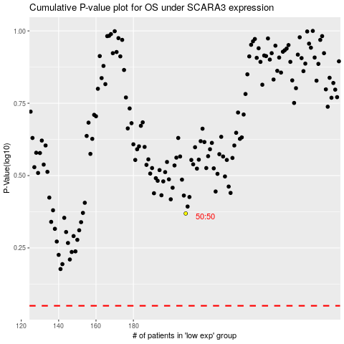

 |  |  |  |  |  | cases_OS | p_OS | rank | exp
 |  |  |  |  |  |  | cases_RFS | p_RFS | rank | exp

