SCARA5 _multivariate
Reported by Tex Li-Hsing Chi. tex@gate.sinica.edu.tw 2019-08-16

Table 2. The clinicopathological features of HNSCC cohort and SCARA5 expression. (Chi square test)
Cutoff at -0.249 (50.0%)
 |  | SCARA5 expression |  | SCARA5 expression |  | (Optimised)
 | Features | Low | (%) | High | (%) | Case no | P-value | Remark | Matthews
Gender | Female | 160 | 38.6 | 146 | 35.2 | 415 | 0.1254 | 0 | 0
2 | Male | 47 | 11.3 | 62 | 14.9
Age at diagnosis | <=65y | 141 | 34 | 133 | 32 | 415 | 0.4272 | 0 | 0
4 | >65y | 66 | 15.9 | 75 | 18.1
Clinical T Status | T1+T2 | 75 | 18.1 | 74 | 17.8 | 415 | 0.9707 | 0 | 0
6 | T3+T4 | 132 | 31.8 | 134 | 32.3
Clinical N Status | N0 | 100 | 24.1 | 116 | 28 | 415 | 0.1548 | 0 | 0
8 | N1-3 | 107 | 25.8 | 92 | 22.2
Clinical M Status | M0 | 204 | 49.2 | 208 | 50.1 | 415 | 0.1232 | 0 | 0
10 | M1 | 3 | 0.7 | 0 | 0
Clinical Stage | Stage I+II | 45 | 10.8 | 57 | 13.7 | 415 | 0.2202 | 0 | 0
12 | Stage III+IV | 162 | 39 | 151 | 36.4
Surgical Margin status | Negative | 161 | 38.8 | 157 | 37.8 | 415 | 0.6429 | 0 | 0
14 | Positive | 46 | 11.1 | 51 | 12.3
Tobacco Exposure | Low | 78 | 18.8 | 83 | 20 | 415 | 0.6873 | 0 | 0
16 | High | 129 | 31.1 | 125 | 30.1

Table 3. Univariate/Multivariate Cox's proportional hazards regression analyses on OS time of SCARA5 gene expression in HNSCC

 |  | Univariate |  |  |  | Multivariate
 | Features | HR | CI95%(L) | CI95%(H) | P-value | HR | CI95%(L) | CI95%(H) | P-value
1 | Female | 1 |  |  |  | 1
Gender | Male | 1.157 | 0.843 | 1.587 | 0.367 | 1.211 | 0.865 | 1.695 | 0.264
11 | <=65y | 1 |  |  |  | 1
Age at diagnosis | >65y | 1.329 | 0.99 | 1.784 | 0.058 | 1.39 | 1.023 | 1.889 | 0.035
12 | T1+T2 | 1 |  |  |  | 1
Clinical T Status | T3+T4 | 1.409 | 1.028 | 1.931 | 0.033 | 2.219 | 1.172 | 4.2 | 0.014
13 | N0 | 1 |  |  |  | 1
Clinical N Status | N1-3 | 1.185 | 0.89 | 1.577 | 0.246 | 1.229 | 0.86 | 1.758 | 0.258
14 | M0 | 1 |  |  |  | 1
Clinical M Status | M1 | 4.097 | 1.009 | 16.644 | 0.049 | 9.223 | 2.007 | 42.382 | 0.004
15 | Stage I+II | 1 |  |  |  | 1
Clinical Stage | Stage III+IV | 1.245 | 0.882 | 1.759 | 0.213 | 0.499 | 0.232 | 1.073 | 0.075
16 | Negative | 1 |  |  |  | 1
Surgical Margin status | Positive | 1.591 | 1.155 | 2.191 | 0.004 | 1.687 | 1.217 | 2.336 | 0.002
17 | Low | 1 |  |  |  | 1
Tobacco Exposure | High | 1.364 | 1.008 | 1.844 | 0.044 | 1.447 | 1.05 | 1.995 | 0.024
18 | Low | 1 |  |  |  | 1
RNAseq(z-score) | High | 0.943 | 0.708 | 1.255 | 0.686 | 0.935 | 0.694 | 1.259 | 0.657

Table 4. Univariate/Multivariate Cox's proportional hazards regression analyses on RFS time of SCARA5 gene expression in HNSCC

 |  | Univariate |  |  |  | Multivariate
 | Features | HR | CI95%(L) | CI95%(H) | P-value | HR | CI95%(L) | CI95%(H) | P-value
1 | Female | 1 |  |  |  | 1
Gender | Male | 1.157 | 0.843 | 1.587 | 0.367 | 1.211 | 0.865 | 1.695 | 0.264
11 | <=65y | 1 |  |  |  | 1
Age at diagnosis | >65y | 1.329 | 0.99 | 1.784 | 0.058 | 1.39 | 1.023 | 1.889 | 0.035
12 | T1+T2 | 1 |  |  |  | 1
Clinical T Status | T3+T4 | 1.409 | 1.028 | 1.931 | 0.033 | 2.219 | 1.172 | 4.2 | 0.014
13 | N0 | 1 |  |  |  | 1
Clinical N Status | N1-3 | 1.185 | 0.89 | 1.577 | 0.246 | 1.229 | 0.86 | 1.758 | 0.258
14 | M0 | 1 |  |  |  | 1
Clinical M Status | M1 | 4.097 | 1.009 | 16.644 | 0.049 | 9.223 | 2.007 | 42.382 | 0.004
15 | Stage I+II | 1 |  |  |  | 1
Clinical Stage | Stage III+IV | 1.245 | 0.882 | 1.759 | 0.213 | 0.499 | 0.232 | 1.073 | 0.075
16 | Negative | 1 |  |  |  | 1
Surgical Margin status | Positive | 1.591 | 1.155 | 2.191 | 0.004 | 1.687 | 1.217 | 2.336 | 0.002
17 | Low | 1 |  |  |  | 1
Tobacco Exposure | High | 1.364 | 1.008 | 1.844 | 0.044 | 1.447 | 1.05 | 1.995 | 0.024
18 | Low | 1 |  |  |  | 1
RNAseq(z-score) | High | 0.943 | 0.708 | 1.255 | 0.686 | 0.935 | 0.694 | 1.259 | 0.657

Kaplan-Meier survival estimate: Cutoff at -0.249 (50.0%)



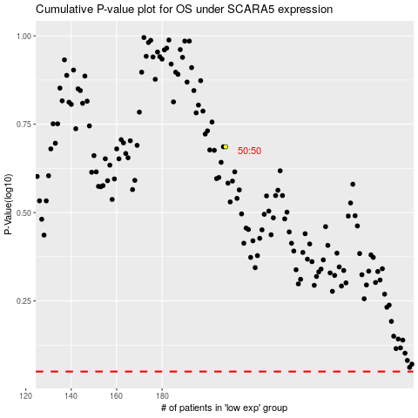

 |  |  |  |  |  | cases_OS | p_OS | rank | exp
 |  |  |  |  |  |  | cases_RFS | p_RFS | rank | exp

