SCARNA10 _multivariate
Reported by Tex Li-Hsing Chi. tex@gate.sinica.edu.tw 2019-08-16

Table 2. The clinicopathological features of HNSCC cohort and SCARNA10 expression. (Chi square test)
Cutoff at -0.236 (49.8%)
 |  | SCARNA10 expression |  | SCARNA10 expression |  | (Optimised)
 | Features | Low | (%) | High | (%) | Case no | P-value | Remark | Matthews
Gender | Female | 143 | 34.5 | 163 | 39.3 | 415 | 0.0416 | 1 | 0
2 | Male | 64 | 15.4 | 45 | 10.8
Age at diagnosis | <=65y | 133 | 32 | 141 | 34 | 415 | 0.5111 | 0 | 0
4 | >65y | 74 | 17.8 | 67 | 16.1
Clinical T Status | T1+T2 | 82 | 19.8 | 67 | 16.1 | 415 | 0.1417 | 0 | 0
6 | T3+T4 | 125 | 30.1 | 141 | 34
Clinical N Status | N0 | 120 | 28.9 | 96 | 23.1 | 415 | 0.0208 | 1 | 0
8 | N1-3 | 87 | 21 | 112 | 27
Clinical M Status | M0 | 207 | 49.9 | 205 | 49.4 | 415 | 0.2482 | 0 | 0
10 | M1 | 0 | 0 | 3 | 0.7
Clinical Stage | Stage I+II | 62 | 14.9 | 40 | 9.6 | 415 | 0.0154 | 1 | 0
12 | Stage III+IV | 145 | 34.9 | 168 | 40.5
Surgical Margin status | Negative | 168 | 40.5 | 150 | 36.1 | 415 | 0.0366 | 1 | 0
14 | Positive | 39 | 9.4 | 58 | 14
Tobacco Exposure | Low | 90 | 21.7 | 71 | 17.1 | 415 | 0.0559 | 0 | 0
16 | High | 117 | 28.2 | 137 | 33

Table 3. Univariate/Multivariate Cox's proportional hazards regression analyses on OS time of SCARNA10 gene expression in HNSCC

 |  | Univariate |  |  |  | Multivariate
 | Features | HR | CI95%(L) | CI95%(H) | P-value | HR | CI95%(L) | CI95%(H) | P-value
1 | Female | 1 |  |  |  | 1
Gender | Male | 1.157 | 0.843 | 1.587 | 0.367 | 1.182 | 0.845 | 1.654 | 0.328
11 | <=65y | 1 |  |  |  | 1
Age at diagnosis | >65y | 1.329 | 0.99 | 1.784 | 0.058 | 1.398 | 1.028 | 1.902 | 0.033
12 | T1+T2 | 1 |  |  |  | 1
Clinical T Status | T3+T4 | 1.409 | 1.028 | 1.931 | 0.033 | 2.183 | 1.155 | 4.126 | 0.016
13 | N0 | 1 |  |  |  | 1
Clinical N Status | N1-3 | 1.185 | 0.89 | 1.577 | 0.246 | 1.265 | 0.885 | 1.807 | 0.197
14 | M0 | 1 |  |  |  | 1
Clinical M Status | M1 | 4.097 | 1.009 | 16.644 | 0.049 | 10.041 | 2.182 | 46.209 | 0.003
15 | Stage I+II | 1 |  |  |  | 1
Clinical Stage | Stage III+IV | 1.245 | 0.882 | 1.759 | 0.213 | 0.522 | 0.243 | 1.123 | 0.096
16 | Negative | 1 |  |  |  | 1
Surgical Margin status | Positive | 1.591 | 1.155 | 2.191 | 0.004 | 1.697 | 1.227 | 2.345 | 0.001
17 | Low | 1 |  |  |  | 1
Tobacco Exposure | High | 1.364 | 1.008 | 1.844 | 0.044 | 1.478 | 1.071 | 2.04 | 0.017
18 | Low | 1 |  |  |  | 1
RNAseq(z-score) | High | 0.94 | 0.706 | 1.252 | 0.674 | 0.838 | 0.621 | 1.13 | 0.246

Table 4. Univariate/Multivariate Cox's proportional hazards regression analyses on RFS time of SCARNA10 gene expression in HNSCC

 |  | Univariate |  |  |  | Multivariate
 | Features | HR | CI95%(L) | CI95%(H) | P-value | HR | CI95%(L) | CI95%(H) | P-value
1 | Female | 1 |  |  |  | 1
Gender | Male | 1.157 | 0.843 | 1.587 | 0.367 | 1.182 | 0.845 | 1.654 | 0.328
11 | <=65y | 1 |  |  |  | 1
Age at diagnosis | >65y | 1.329 | 0.99 | 1.784 | 0.058 | 1.398 | 1.028 | 1.902 | 0.033
12 | T1+T2 | 1 |  |  |  | 1
Clinical T Status | T3+T4 | 1.409 | 1.028 | 1.931 | 0.033 | 2.183 | 1.155 | 4.126 | 0.016
13 | N0 | 1 |  |  |  | 1
Clinical N Status | N1-3 | 1.185 | 0.89 | 1.577 | 0.246 | 1.265 | 0.885 | 1.807 | 0.197
14 | M0 | 1 |  |  |  | 1
Clinical M Status | M1 | 4.097 | 1.009 | 16.644 | 0.049 | 10.041 | 2.182 | 46.209 | 0.003
15 | Stage I+II | 1 |  |  |  | 1
Clinical Stage | Stage III+IV | 1.245 | 0.882 | 1.759 | 0.213 | 0.522 | 0.243 | 1.123 | 0.096
16 | Negative | 1 |  |  |  | 1
Surgical Margin status | Positive | 1.591 | 1.155 | 2.191 | 0.004 | 1.697 | 1.227 | 2.345 | 0.001
17 | Low | 1 |  |  |  | 1
Tobacco Exposure | High | 1.364 | 1.008 | 1.844 | 0.044 | 1.478 | 1.071 | 2.04 | 0.017
18 | Low | 1 |  |  |  | 1
RNAseq(z-score) | High | 0.94 | 0.706 | 1.252 | 0.674 | 0.838 | 0.621 | 1.13 | 0.246

Kaplan-Meier survival estimate: Cutoff at -0.236 (49.8%)



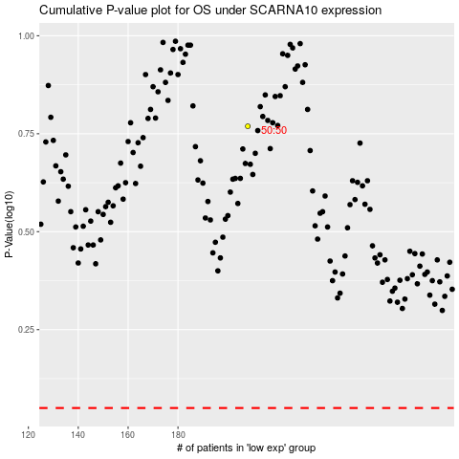

 |  |  |  |  |  | cases_OS | p_OS | rank | exp
 |  |  |  |  |  |  | cases_RFS | p_RFS | rank | exp

