SCARNA12 _multivariate
Reported by Tex Li-Hsing Chi. tex@gate.sinica.edu.tw 2019-08-16

Table 2. The clinicopathological features of HNSCC cohort and SCARNA12 expression. (Chi square test)
Cutoff at -0.249 (49.8%)
 |  | SCARNA12 expression |  | SCARNA12 expression |  | (Optimised)
 | Features | Low | (%) | High | (%) | Case no | P-value | Remark | Matthews
Gender | Female | 145 | 34.9 | 161 | 38.8 | 415 | 0.1116 | 0 | 0
2 | Male | 62 | 14.9 | 47 | 11.3
Age at diagnosis | <=65y | 133 | 32 | 141 | 34 | 415 | 0.5111 | 0 | 0
4 | >65y | 74 | 17.8 | 67 | 16.1
Clinical T Status | T1+T2 | 79 | 19 | 70 | 16.9 | 415 | 0.3924 | 0 | 0
6 | T3+T4 | 128 | 30.8 | 138 | 33.3
Clinical N Status | N0 | 111 | 26.7 | 105 | 25.3 | 415 | 0.5875 | 0 | 0
8 | N1-3 | 96 | 23.1 | 103 | 24.8
Clinical M Status | M0 | 206 | 49.6 | 206 | 49.6 | 415 | 1 | 0 | 0
10 | M1 | 1 | 0.2 | 2 | 0.5
Clinical Stage | Stage I+II | 56 | 13.5 | 46 | 11.1 | 415 | 0.2918 | 0 | 0
12 | Stage III+IV | 151 | 36.4 | 162 | 39
Surgical Margin status | Negative | 168 | 40.5 | 150 | 36.1 | 415 | 0.0366 | 1 | 0
14 | Positive | 39 | 9.4 | 58 | 14
Tobacco Exposure | Low | 87 | 21 | 74 | 17.8 | 415 | 0.1911 | 0 | 0
16 | High | 120 | 28.9 | 134 | 32.3

Table 3. Univariate/Multivariate Cox's proportional hazards regression analyses on OS time of SCARNA12 gene expression in HNSCC

 |  | Univariate |  |  |  | Multivariate
 | Features | HR | CI95%(L) | CI95%(H) | P-value | HR | CI95%(L) | CI95%(H) | P-value
1 | Female | 1 |  |  |  | 1
Gender | Male | 1.157 | 0.843 | 1.587 | 0.367 | 1.165 | 0.833 | 1.63 | 0.371
11 | <=65y | 1 |  |  |  | 1
Age at diagnosis | >65y | 1.329 | 0.99 | 1.784 | 0.058 | 1.396 | 1.026 | 1.9 | 0.034
12 | T1+T2 | 1 |  |  |  | 1
Clinical T Status | T3+T4 | 1.409 | 1.028 | 1.931 | 0.033 | 2.213 | 1.17 | 4.184 | 0.015
13 | N0 | 1 |  |  |  | 1
Clinical N Status | N1-3 | 1.185 | 0.89 | 1.577 | 0.246 | 1.241 | 0.87 | 1.771 | 0.233
14 | M0 | 1 |  |  |  | 1
Clinical M Status | M1 | 4.097 | 1.009 | 16.644 | 0.049 | 9.582 | 2.091 | 43.915 | 0.004
15 | Stage I+II | 1 |  |  |  | 1
Clinical Stage | Stage III+IV | 1.245 | 0.882 | 1.759 | 0.213 | 0.511 | 0.238 | 1.097 | 0.085
16 | Negative | 1 |  |  |  | 1
Surgical Margin status | Positive | 1.591 | 1.155 | 2.191 | 0.004 | 1.714 | 1.239 | 2.371 | 0.001
17 | Low | 1 |  |  |  | 1
Tobacco Exposure | High | 1.364 | 1.008 | 1.844 | 0.044 | 1.462 | 1.062 | 2.012 | 0.02
18 | Low | 1 |  |  |  | 1
RNAseq(z-score) | High | 0.854 | 0.64 | 1.14 | 0.284 | 0.798 | 0.595 | 1.07 | 0.132

Table 4. Univariate/Multivariate Cox's proportional hazards regression analyses on RFS time of SCARNA12 gene expression in HNSCC

 |  | Univariate |  |  |  | Multivariate
 | Features | HR | CI95%(L) | CI95%(H) | P-value | HR | CI95%(L) | CI95%(H) | P-value
1 | Female | 1 |  |  |  | 1
Gender | Male | 1.157 | 0.843 | 1.587 | 0.367 | 1.165 | 0.833 | 1.63 | 0.371
11 | <=65y | 1 |  |  |  | 1
Age at diagnosis | >65y | 1.329 | 0.99 | 1.784 | 0.058 | 1.396 | 1.026 | 1.9 | 0.034
12 | T1+T2 | 1 |  |  |  | 1
Clinical T Status | T3+T4 | 1.409 | 1.028 | 1.931 | 0.033 | 2.213 | 1.17 | 4.184 | 0.015
13 | N0 | 1 |  |  |  | 1
Clinical N Status | N1-3 | 1.185 | 0.89 | 1.577 | 0.246 | 1.241 | 0.87 | 1.771 | 0.233
14 | M0 | 1 |  |  |  | 1
Clinical M Status | M1 | 4.097 | 1.009 | 16.644 | 0.049 | 9.582 | 2.091 | 43.915 | 0.004
15 | Stage I+II | 1 |  |  |  | 1
Clinical Stage | Stage III+IV | 1.245 | 0.882 | 1.759 | 0.213 | 0.511 | 0.238 | 1.097 | 0.085
16 | Negative | 1 |  |  |  | 1
Surgical Margin status | Positive | 1.591 | 1.155 | 2.191 | 0.004 | 1.714 | 1.239 | 2.371 | 0.001
17 | Low | 1 |  |  |  | 1
Tobacco Exposure | High | 1.364 | 1.008 | 1.844 | 0.044 | 1.462 | 1.062 | 2.012 | 0.02
18 | Low | 1 |  |  |  | 1
RNAseq(z-score) | High | 0.854 | 0.64 | 1.14 | 0.284 | 0.798 | 0.595 | 1.07 | 0.132

Kaplan-Meier survival estimate: Cutoff at -0.249 (49.8%)



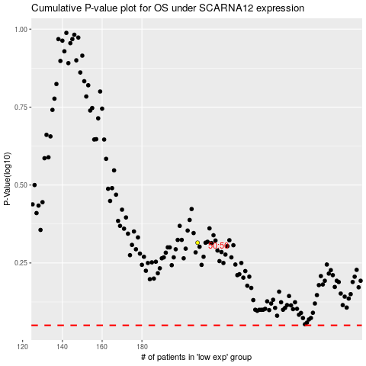

 |  |  |  |  |  | cases_OS | p_OS | rank | exp
 |  |  |  |  |  |  | cases_RFS | p_RFS | rank | exp

