SCARNA2 _multivariate
Reported by Tex Li-Hsing Chi. tex@gate.sinica.edu.tw 2019-08-16

Table 2. The clinicopathological features of HNSCC cohort and SCARNA2 expression. (Chi square test)
Cutoff at -0.243 (50.0%)
 |  | SCARNA2 expression |  | SCARNA2 expression |  | (Optimised)
 | Features | Low | (%) | High | (%) | Case no | P-value | Remark | Matthews
Gender | Female | 139 | 33.5 | 167 | 40.2 | 415 | 0.0034 | 1 | 0
2 | Male | 68 | 16.4 | 41 | 9.9
Age at diagnosis | <=65y | 131 | 31.6 | 143 | 34.5 | 415 | 0.2839 | 0 | 0
4 | >65y | 76 | 18.3 | 65 | 15.7
Clinical T Status | T1+T2 | 87 | 21 | 62 | 14.9 | 415 | 0.0127 | 1 | 0
6 | T3+T4 | 120 | 28.9 | 146 | 35.2
Clinical N Status | N0 | 120 | 28.9 | 96 | 23.1 | 415 | 0.0208 | 1 | 0
8 | N1-3 | 87 | 21 | 112 | 27
Clinical M Status | M0 | 206 | 49.6 | 206 | 49.6 | 415 | 1 | 0 | 0
10 | M1 | 1 | 0.2 | 2 | 0.5
Clinical Stage | Stage I+II | 64 | 15.4 | 38 | 9.2 | 415 | 0.004 | 1 | 0
12 | Stage III+IV | 143 | 34.5 | 170 | 41
Surgical Margin status | Negative | 164 | 39.5 | 154 | 37.1 | 415 | 0.2462 | 0 | 0
14 | Positive | 43 | 10.4 | 54 | 13
Tobacco Exposure | Low | 96 | 23.1 | 65 | 15.7 | 415 | 0.0018 | 1 | 0
16 | High | 111 | 26.7 | 143 | 34.5

Table 3. Univariate/Multivariate Cox's proportional hazards regression analyses on OS time of SCARNA2 gene expression in HNSCC

 |  | Univariate |  |  |  | Multivariate
 | Features | HR | CI95%(L) | CI95%(H) | P-value | HR | CI95%(L) | CI95%(H) | P-value
1 | Female | 1 |  |  |  | 1
Gender | Male | 1.157 | 0.843 | 1.587 | 0.367 | 1.151 | 0.823 | 1.611 | 0.411
11 | <=65y | 1 |  |  |  | 1
Age at diagnosis | >65y | 1.329 | 0.99 | 1.784 | 0.058 | 1.414 | 1.04 | 1.924 | 0.027
12 | T1+T2 | 1 |  |  |  | 1
Clinical T Status | T3+T4 | 1.409 | 1.028 | 1.931 | 0.033 | 2.336 | 1.233 | 4.428 | 0.009
13 | N0 | 1 |  |  |  | 1
Clinical N Status | N1-3 | 1.185 | 0.89 | 1.577 | 0.246 | 1.317 | 0.919 | 1.89 | 0.134
14 | M0 | 1 |  |  |  | 1
Clinical M Status | M1 | 4.097 | 1.009 | 16.644 | 0.049 | 10.366 | 2.253 | 47.693 | 0.003
15 | Stage I+II | 1 |  |  |  | 1
Clinical Stage | Stage III+IV | 1.245 | 0.882 | 1.759 | 0.213 | 0.486 | 0.226 | 1.043 | 0.064
16 | Negative | 1 |  |  |  | 1
Surgical Margin status | Positive | 1.591 | 1.155 | 2.191 | 0.004 | 1.705 | 1.234 | 2.357 | 0.001
17 | Low | 1 |  |  |  | 1
Tobacco Exposure | High | 1.364 | 1.008 | 1.844 | 0.044 | 1.495 | 1.084 | 2.061 | 0.014
18 | Low | 1 |  |  |  | 1
RNAseq(z-score) | High | 0.86 | 0.644 | 1.147 | 0.303 | 0.741 | 0.547 | 1.003 | 0.052

Table 4. Univariate/Multivariate Cox's proportional hazards regression analyses on RFS time of SCARNA2 gene expression in HNSCC

 |  | Univariate |  |  |  | Multivariate
 | Features | HR | CI95%(L) | CI95%(H) | P-value | HR | CI95%(L) | CI95%(H) | P-value
1 | Female | 1 |  |  |  | 1
Gender | Male | 1.157 | 0.843 | 1.587 | 0.367 | 1.151 | 0.823 | 1.611 | 0.411
11 | <=65y | 1 |  |  |  | 1
Age at diagnosis | >65y | 1.329 | 0.99 | 1.784 | 0.058 | 1.414 | 1.04 | 1.924 | 0.027
12 | T1+T2 | 1 |  |  |  | 1
Clinical T Status | T3+T4 | 1.409 | 1.028 | 1.931 | 0.033 | 2.336 | 1.233 | 4.428 | 0.009
13 | N0 | 1 |  |  |  | 1
Clinical N Status | N1-3 | 1.185 | 0.89 | 1.577 | 0.246 | 1.317 | 0.919 | 1.89 | 0.134
14 | M0 | 1 |  |  |  | 1
Clinical M Status | M1 | 4.097 | 1.009 | 16.644 | 0.049 | 10.366 | 2.253 | 47.693 | 0.003
15 | Stage I+II | 1 |  |  |  | 1
Clinical Stage | Stage III+IV | 1.245 | 0.882 | 1.759 | 0.213 | 0.486 | 0.226 | 1.043 | 0.064
16 | Negative | 1 |  |  |  | 1
Surgical Margin status | Positive | 1.591 | 1.155 | 2.191 | 0.004 | 1.705 | 1.234 | 2.357 | 0.001
17 | Low | 1 |  |  |  | 1
Tobacco Exposure | High | 1.364 | 1.008 | 1.844 | 0.044 | 1.495 | 1.084 | 2.061 | 0.014
18 | Low | 1 |  |  |  | 1
RNAseq(z-score) | High | 0.86 | 0.644 | 1.147 | 0.303 | 0.741 | 0.547 | 1.003 | 0.052

Kaplan-Meier survival estimate: Cutoff at -0.243 (50.0%)



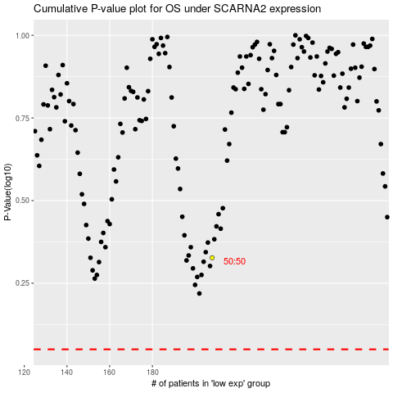

 |  |  |  |  |  | cases_OS | p_OS | rank | exp
 |  |  |  |  |  |  | cases_RFS | p_RFS | rank | exp

