SCFD2 _multivariate
Reported by Tex Li-Hsing Chi. tex@gate.sinica.edu.tw 2019-08-16

Table 2. The clinicopathological features of HNSCC cohort and SCFD2 expression. (Chi square test)
Cutoff at -0.402 (37.4%)
 |  | SCFD2 expression |  | SCFD2 expression |  | (Optimised)
 | Features | Low | (%) | High | (%) | Case no | P-value | Remark | Matthews
Gender | Female | 113 | 27.2 | 193 | 46.5 | 415 | 0.7252 | 0 | 0
2 | Male | 43 | 10.4 | 66 | 15.9
Age at diagnosis | <=65y | 108 | 26 | 166 | 40 | 415 | 0.3353 | 0 | 0
4 | >65y | 48 | 11.6 | 93 | 22.4
Clinical T Status | T1+T2 | 62 | 14.9 | 87 | 21 | 415 | 0.2461 | 0 | 0
6 | T3+T4 | 94 | 22.7 | 172 | 41.4
Clinical N Status | N0 | 82 | 19.8 | 134 | 32.3 | 415 | 0.9507 | 0 | 0
8 | N1-3 | 74 | 17.8 | 125 | 30.1
Clinical M Status | M0 | 154 | 37.1 | 258 | 62.2 | 415 | 0.5593 | 0 | 0
10 | M1 | 2 | 0.5 | 1 | 0.2
Clinical Stage | Stage I+II | 42 | 10.1 | 60 | 14.5 | 415 | 0.4573 | 0 | 0
12 | Stage III+IV | 114 | 27.5 | 199 | 48
Surgical Margin status | Negative | 119 | 28.7 | 199 | 48 | 415 | 0.9052 | 0 | 0
14 | Positive | 37 | 8.9 | 60 | 14.5
Tobacco Exposure | Low | 63 | 15.2 | 98 | 23.6 | 415 | 0.6051 | 0 | 0
16 | High | 93 | 22.4 | 161 | 38.8

Table 3. Univariate/Multivariate Cox's proportional hazards regression analyses on OS time of SCFD2 gene expression in HNSCC

 |  | Univariate |  |  |  | Multivariate
 | Features | HR | CI95%(L) | CI95%(H) | P-value | HR | CI95%(L) | CI95%(H) | P-value
1 | Female | 1 |  |  |  | 1
Gender | Male | 1.157 | 0.843 | 1.587 | 0.367 | 1.227 | 0.878 | 1.715 | 0.23
11 | <=65y | 1 |  |  |  | 1
Age at diagnosis | >65y | 1.329 | 0.99 | 1.784 | 0.058 | 1.37 | 1.009 | 1.861 | 0.044
12 | T1+T2 | 1 |  |  |  | 1
Clinical T Status | T3+T4 | 1.409 | 1.028 | 1.931 | 0.033 | 2.225 | 1.178 | 4.201 | 0.014
13 | N0 | 1 |  |  |  | 1
Clinical N Status | N1-3 | 1.185 | 0.89 | 1.577 | 0.246 | 1.266 | 0.887 | 1.807 | 0.194
14 | M0 | 1 |  |  |  | 1
Clinical M Status | M1 | 4.097 | 1.009 | 16.644 | 0.049 | 10.091 | 2.196 | 46.374 | 0.003
15 | Stage I+II | 1 |  |  |  | 1
Clinical Stage | Stage III+IV | 1.245 | 0.882 | 1.759 | 0.213 | 0.488 | 0.228 | 1.047 | 0.066
16 | Negative | 1 |  |  |  | 1
Surgical Margin status | Positive | 1.591 | 1.155 | 2.191 | 0.004 | 1.673 | 1.211 | 2.312 | 0.002
17 | Low | 1 |  |  |  | 1
Tobacco Exposure | High | 1.364 | 1.008 | 1.844 | 0.044 | 1.458 | 1.058 | 2.009 | 0.021
18 | Low | 1 |  |  |  | 1
RNAseq(z-score) | High | 1.369 | 1.005 | 1.864 | 0.046 | 1.364 | 0.999 | 1.862 | 0.051

Table 4. Univariate/Multivariate Cox's proportional hazards regression analyses on RFS time of SCFD2 gene expression in HNSCC

 |  | Univariate |  |  |  | Multivariate
 | Features | HR | CI95%(L) | CI95%(H) | P-value | HR | CI95%(L) | CI95%(H) | P-value
1 | Female | 1 |  |  |  | 1
Gender | Male | 1.157 | 0.843 | 1.587 | 0.367 | 1.227 | 0.878 | 1.715 | 0.23
11 | <=65y | 1 |  |  |  | 1
Age at diagnosis | >65y | 1.329 | 0.99 | 1.784 | 0.058 | 1.37 | 1.009 | 1.861 | 0.044
12 | T1+T2 | 1 |  |  |  | 1
Clinical T Status | T3+T4 | 1.409 | 1.028 | 1.931 | 0.033 | 2.225 | 1.178 | 4.201 | 0.014
13 | N0 | 1 |  |  |  | 1
Clinical N Status | N1-3 | 1.185 | 0.89 | 1.577 | 0.246 | 1.266 | 0.887 | 1.807 | 0.194
14 | M0 | 1 |  |  |  | 1
Clinical M Status | M1 | 4.097 | 1.009 | 16.644 | 0.049 | 10.091 | 2.196 | 46.374 | 0.003
15 | Stage I+II | 1 |  |  |  | 1
Clinical Stage | Stage III+IV | 1.245 | 0.882 | 1.759 | 0.213 | 0.488 | 0.228 | 1.047 | 0.066
16 | Negative | 1 |  |  |  | 1
Surgical Margin status | Positive | 1.591 | 1.155 | 2.191 | 0.004 | 1.673 | 1.211 | 2.312 | 0.002
17 | Low | 1 |  |  |  | 1
Tobacco Exposure | High | 1.364 | 1.008 | 1.844 | 0.044 | 1.458 | 1.058 | 2.009 | 0.021
18 | Low | 1 |  |  |  | 1
RNAseq(z-score) | High | 1.369 | 1.005 | 1.864 | 0.046 | 1.364 | 0.999 | 1.862 | 0.051

Kaplan-Meier survival estimate: Cutoff at -0.402 (37.4%)



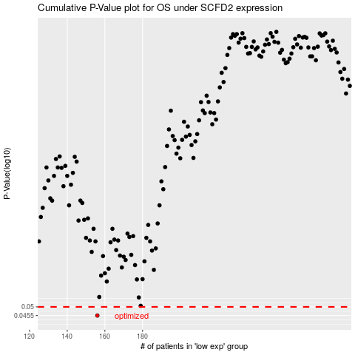

 |  |  |  |  |  | cases_OS | p_OS | rank | exp
 |  |  |  |  |  | 156 | 0.0455 | 249 | -0.40237493792
 |  |  |  |  |  |  | cases_RFS | p_RFS | rank | exp
 |  |  |  |  |  |  | 155 | 0.0455 | 245 | -0.40858746411

