SCLT1 _multivariate
Reported by Tex Li-Hsing Chi. tex@gate.sinica.edu.tw 2019-08-16

Table 2. The clinicopathological features of HNSCC cohort and SCLT1 expression. (Chi square test)
Cutoff at 0.26 (66.2%)
 |  | SCLT1 expression |  | SCLT1 expression |  | (Optimised)
 | Features | Low | (%) | High | (%) | Case no | P-value | Remark | Matthews
Gender | Female | 202 | 48.7 | 104 | 25.1 | 415 | 0.949 | 0 | 0
2 | Male | 73 | 17.6 | 36 | 8.7
Age at diagnosis | <=65y | 186 | 44.8 | 88 | 21.2 | 415 | 0.3885 | 0 | 0
4 | >65y | 89 | 21.4 | 52 | 12.5
Clinical T Status | T1+T2 | 93 | 22.4 | 56 | 13.5 | 415 | 0.2572 | 0 | 0
6 | T3+T4 | 182 | 43.9 | 84 | 20.2
Clinical N Status | N0 | 149 | 35.9 | 67 | 16.1 | 415 | 0.2646 | 0 | 0
8 | N1-3 | 126 | 30.4 | 73 | 17.6
Clinical M Status | M0 | 272 | 65.5 | 140 | 33.7 | 415 | 0.554 | 0 | 0
10 | M1 | 3 | 0.7 | 0 | 0
Clinical Stage | Stage I+II | 66 | 15.9 | 36 | 8.7 | 415 | 0.7926 | 0 | 0
12 | Stage III+IV | 209 | 50.4 | 104 | 25.1
Surgical Margin status | Negative | 221 | 53.3 | 97 | 23.4 | 415 | 0.0141 | 1 | 0
14 | Positive | 54 | 13 | 43 | 10.4
Tobacco Exposure | Low | 104 | 25.1 | 57 | 13.7 | 415 | 0.595 | 0 | 0
16 | High | 171 | 41.2 | 83 | 20

Table 3. Univariate/Multivariate Cox's proportional hazards regression analyses on OS time of SCLT1 gene expression in HNSCC

 |  | Univariate |  |  |  | Multivariate
 | Features | HR | CI95%(L) | CI95%(H) | P-value | HR | CI95%(L) | CI95%(H) | P-value
1 | Female | 1 |  |  |  | 1
Gender | Male | 1.157 | 0.843 | 1.587 | 0.367 | 1.2 | 0.86 | 1.676 | 0.284
11 | <=65y | 1 |  |  |  | 1
Age at diagnosis | >65y | 1.329 | 0.99 | 1.784 | 0.058 | 1.375 | 1.011 | 1.87 | 0.042
12 | T1+T2 | 1 |  |  |  | 1
Clinical T Status | T3+T4 | 1.409 | 1.028 | 1.931 | 0.033 | 2.351 | 1.239 | 4.463 | 0.009
13 | N0 | 1 |  |  |  | 1
Clinical N Status | N1-3 | 1.185 | 0.89 | 1.577 | 0.246 | 1.238 | 0.868 | 1.765 | 0.239
14 | M0 | 1 |  |  |  | 1
Clinical M Status | M1 | 4.097 | 1.009 | 16.644 | 0.049 | 10.921 | 2.36 | 50.529 | 0.002
15 | Stage I+II | 1 |  |  |  | 1
Clinical Stage | Stage III+IV | 1.245 | 0.882 | 1.759 | 0.213 | 0.493 | 0.229 | 1.058 | 0.069
16 | Negative | 1 |  |  |  | 1
Surgical Margin status | Positive | 1.591 | 1.155 | 2.191 | 0.004 | 1.592 | 1.148 | 2.208 | 0.005
17 | Low | 1 |  |  |  | 1
Tobacco Exposure | High | 1.364 | 1.008 | 1.844 | 0.044 | 1.444 | 1.047 | 1.989 | 0.025
18 | Low | 1 |  |  |  | 1
RNAseq(z-score) | High | 1.346 | 1.002 | 1.809 | 0.049 | 1.337 | 0.985 | 1.813 | 0.062

Table 4. Univariate/Multivariate Cox's proportional hazards regression analyses on RFS time of SCLT1 gene expression in HNSCC

 |  | Univariate |  |  |  | Multivariate
 | Features | HR | CI95%(L) | CI95%(H) | P-value | HR | CI95%(L) | CI95%(H) | P-value
1 | Female | 1 |  |  |  | 1
Gender | Male | 1.157 | 0.843 | 1.587 | 0.367 | 1.2 | 0.86 | 1.676 | 0.284
11 | <=65y | 1 |  |  |  | 1
Age at diagnosis | >65y | 1.329 | 0.99 | 1.784 | 0.058 | 1.375 | 1.011 | 1.87 | 0.042
12 | T1+T2 | 1 |  |  |  | 1
Clinical T Status | T3+T4 | 1.409 | 1.028 | 1.931 | 0.033 | 2.351 | 1.239 | 4.463 | 0.009
13 | N0 | 1 |  |  |  | 1
Clinical N Status | N1-3 | 1.185 | 0.89 | 1.577 | 0.246 | 1.238 | 0.868 | 1.765 | 0.239
14 | M0 | 1 |  |  |  | 1
Clinical M Status | M1 | 4.097 | 1.009 | 16.644 | 0.049 | 10.921 | 2.36 | 50.529 | 0.002
15 | Stage I+II | 1 |  |  |  | 1
Clinical Stage | Stage III+IV | 1.245 | 0.882 | 1.759 | 0.213 | 0.493 | 0.229 | 1.058 | 0.069
16 | Negative | 1 |  |  |  | 1
Surgical Margin status | Positive | 1.591 | 1.155 | 2.191 | 0.004 | 1.592 | 1.148 | 2.208 | 0.005
17 | Low | 1 |  |  |  | 1
Tobacco Exposure | High | 1.364 | 1.008 | 1.844 | 0.044 | 1.444 | 1.047 | 1.989 | 0.025
18 | Low | 1 |  |  |  | 1
RNAseq(z-score) | High | 1.346 | 1.002 | 1.809 | 0.049 | 1.337 | 0.985 | 1.813 | 0.062

Kaplan-Meier survival estimate: Cutoff at 0.26 (66.2%)



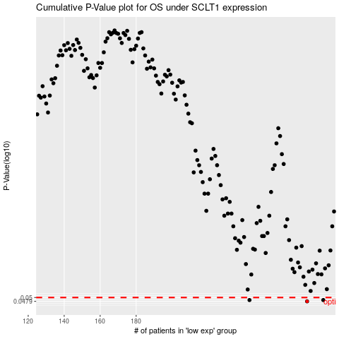

 |  |  |  |  |  | cases_OS | p_OS | rank | exp
 |  |  |  |  |  | 275 | 0.0479 | 285 | 0.25982362198
 |  |  |  |  |  | 284 | 0.0486 | 99 | 0.38688483816
 |  |  |  |  |  | 243 | 0.0486 | 114 | 0.046209971815
 |  |  |  |  |  |  | cases_RFS | p_RFS | rank | exp
 |  |  |  |  |  |  | 274 | 0.0479 | 357 | 0.25439963988
 |  |  |  |  |  |  | 283 | 0.0486 | 282 | 0.37442002883
 |  |  |  |  |  |  | 242 | 0.0486 | 386 | 0.040801830785

